MCOLN3 _multivariate
Reported by Tex Li-Hsing Chi. tex@gate.sinica.edu.tw 2019-08-18

Table 2. The clinicopathological features of HNSCC cohort and MCOLN3 expression. (Chi square test)
Cutoff at -0.267 (49.8%)
 |  | MCOLN3 expression |  | MCOLN3 expression |  | (Optimised)
 | Features | Low | (%) | High | (%) | Case no | P-value | Remark | Matthews
Gender | Female | 160 | 38.6 | 146 | 35.2 | 415 | 0.1254 | 0 | 0
2 | Male | 47 | 11.3 | 62 | 14.9
Age at diagnosis | <=65y | 143 | 34.5 | 131 | 31.6 | 415 | 0.2269 | 0 | 0
4 | >65y | 64 | 15.4 | 77 | 18.6
Clinical T Status | T1+T2 | 63 | 15.2 | 86 | 20.7 | 415 | 0.0268 | 1 | 0
6 | T3+T4 | 144 | 34.7 | 122 | 29.4
Clinical N Status | N0 | 104 | 25.1 | 112 | 27 | 415 | 0.5243 | 0 | 0
8 | N1-3 | 103 | 24.8 | 96 | 23.1
Clinical M Status | M0 | 207 | 49.9 | 205 | 49.4 | 415 | 0.2482 | 0 | 0
10 | M1 | 0 | 0 | 3 | 0.7
Clinical Stage | Stage I+II | 43 | 10.4 | 59 | 14.2 | 415 | 0.0925 | 0 | 0
12 | Stage III+IV | 164 | 39.5 | 149 | 35.9
Surgical Margin status | Negative | 159 | 38.3 | 159 | 38.3 | 415 | 1 | 0 | 0
14 | Positive | 48 | 11.6 | 49 | 11.8
Tobacco Exposure | Low | 74 | 17.8 | 87 | 21 | 415 | 0.227 | 0 | 0
16 | High | 133 | 32 | 121 | 29.2

Table 3. Univariate/Multivariate Cox's proportional hazards regression analyses on OS time of MCOLN3 gene expression in HNSCC

 |  | Univariate |  |  |  | Multivariate
 | Features | HR | CI95%(L) | CI95%(H) | P-value | HR | CI95%(L) | CI95%(H) | P-value
1 | Female | 1 |  |  |  | 1
Gender | Male | 1.157 | 0.843 | 1.587 | 0.367 | 1.202 | 0.86 | 1.679 | 0.281
11 | <=65y | 1 |  |  |  | 1
Age at diagnosis | >65y | 1.329 | 0.99 | 1.784 | 0.058 | 1.388 | 1.017 | 1.895 | 0.039
12 | T1+T2 | 1 |  |  |  | 1
Clinical T Status | T3+T4 | 1.409 | 1.028 | 1.931 | 0.033 | 2.203 | 1.165 | 4.165 | 0.015
13 | N0 | 1 |  |  |  | 1
Clinical N Status | N1-3 | 1.185 | 0.89 | 1.577 | 0.246 | 1.24 | 0.869 | 1.77 | 0.236
14 | M0 | 1 |  |  |  | 1
Clinical M Status | M1 | 4.097 | 1.009 | 16.644 | 0.049 | 9.337 | 2.021 | 43.139 | 0.004
15 | Stage I+II | 1 |  |  |  | 1
Clinical Stage | Stage III+IV | 1.245 | 0.882 | 1.759 | 0.213 | 0.506 | 0.235 | 1.087 | 0.081
16 | Negative | 1 |  |  |  | 1
Surgical Margin status | Positive | 1.591 | 1.155 | 2.191 | 0.004 | 1.673 | 1.21 | 2.313 | 0.002
17 | Low | 1 |  |  |  | 1
Tobacco Exposure | High | 1.364 | 1.008 | 1.844 | 0.044 | 1.452 | 1.053 | 2.001 | 0.023
18 | Low | 1 |  |  |  | 1
RNAseq(z-score) | High | 1.045 | 0.784 | 1.392 | 0.764 | 1.014 | 0.756 | 1.361 | 0.926

Table 4. Univariate/Multivariate Cox's proportional hazards regression analyses on RFS time of MCOLN3 gene expression in HNSCC

 |  | Univariate |  |  |  | Multivariate
 | Features | HR | CI95%(L) | CI95%(H) | P-value | HR | CI95%(L) | CI95%(H) | P-value
1 | Female | 1 |  |  |  | 1
Gender | Male | 1.157 | 0.843 | 1.587 | 0.367 | 1.202 | 0.86 | 1.679 | 0.281
11 | <=65y | 1 |  |  |  | 1
Age at diagnosis | >65y | 1.329 | 0.99 | 1.784 | 0.058 | 1.388 | 1.017 | 1.895 | 0.039
12 | T1+T2 | 1 |  |  |  | 1
Clinical T Status | T3+T4 | 1.409 | 1.028 | 1.931 | 0.033 | 2.203 | 1.165 | 4.165 | 0.015
13 | N0 | 1 |  |  |  | 1
Clinical N Status | N1-3 | 1.185 | 0.89 | 1.577 | 0.246 | 1.24 | 0.869 | 1.77 | 0.236
14 | M0 | 1 |  |  |  | 1
Clinical M Status | M1 | 4.097 | 1.009 | 16.644 | 0.049 | 9.337 | 2.021 | 43.139 | 0.004
15 | Stage I+II | 1 |  |  |  | 1
Clinical Stage | Stage III+IV | 1.245 | 0.882 | 1.759 | 0.213 | 0.506 | 0.235 | 1.087 | 0.081
16 | Negative | 1 |  |  |  | 1
Surgical Margin status | Positive | 1.591 | 1.155 | 2.191 | 0.004 | 1.673 | 1.21 | 2.313 | 0.002
17 | Low | 1 |  |  |  | 1
Tobacco Exposure | High | 1.364 | 1.008 | 1.844 | 0.044 | 1.452 | 1.053 | 2.001 | 0.023
18 | Low | 1 |  |  |  | 1
RNAseq(z-score) | High | 1.045 | 0.784 | 1.392 | 0.764 | 1.014 | 0.756 | 1.361 | 0.926

Kaplan-Meier survival estimate: Cutoff at -0.267 (49.8%)



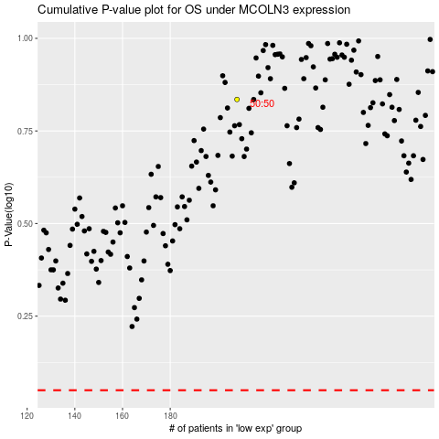

 |  |  |  |  |  | cases_OS | p_OS | rank | exp
 |  |  |  |  |  |  | cases_RFS | p_RFS | rank | exp

