MCRS1 _multivariate
Reported by Tex Li-Hsing Chi. tex@gate.sinica.edu.tw 2019-08-18

Table 2. The clinicopathological features of HNSCC cohort and MCRS1 expression. (Chi square test)
Cutoff at -0.22 (50.0%)
 |  | MCRS1 expression |  | MCRS1 expression |  | (Optimised)
 | Features | Low | (%) | High | (%) | Case no | P-value | Remark | Matthews
Gender | Female | 152 | 36.6 | 154 | 37.1 | 415 | 0.9766 | 0 | 0
2 | Male | 55 | 13.3 | 54 | 13
Age at diagnosis | <=65y | 137 | 33 | 137 | 33 | 415 | 1 | 0 | 0
4 | >65y | 70 | 16.9 | 71 | 17.1
Clinical T Status | T1+T2 | 62 | 14.9 | 87 | 21 | 415 | 0.0156 | 1 | 0
6 | T3+T4 | 145 | 34.9 | 121 | 29.2
Clinical N Status | N0 | 110 | 26.5 | 106 | 25.5 | 415 | 0.7294 | 0 | 0
8 | N1-3 | 97 | 23.4 | 102 | 24.6
Clinical M Status | M0 | 207 | 49.9 | 205 | 49.4 | 415 | 0.2482 | 0 | 0
10 | M1 | 0 | 0 | 3 | 0.7
Clinical Stage | Stage I+II | 44 | 10.6 | 58 | 14 | 415 | 0.1459 | 0 | 0
12 | Stage III+IV | 163 | 39.3 | 150 | 36.1
Surgical Margin status | Negative | 163 | 39.3 | 155 | 37.3 | 415 | 0.3537 | 0 | 0
14 | Positive | 44 | 10.6 | 53 | 12.8
Tobacco Exposure | Low | 70 | 16.9 | 91 | 21.9 | 415 | 0.0439 | 1 | 0
16 | High | 137 | 33 | 117 | 28.2

Table 3. Univariate/Multivariate Cox's proportional hazards regression analyses on OS time of MCRS1 gene expression in HNSCC

 |  | Univariate |  |  |  | Multivariate
 | Features | HR | CI95%(L) | CI95%(H) | P-value | HR | CI95%(L) | CI95%(H) | P-value
1 | Female | 1 |  |  |  | 1
Gender | Male | 1.157 | 0.843 | 1.587 | 0.367 | 1.191 | 0.852 | 1.665 | 0.306
11 | <=65y | 1 |  |  |  | 1
Age at diagnosis | >65y | 1.329 | 0.99 | 1.784 | 0.058 | 1.398 | 1.028 | 1.902 | 0.033
12 | T1+T2 | 1 |  |  |  | 1
Clinical T Status | T3+T4 | 1.409 | 1.028 | 1.931 | 0.033 | 2.164 | 1.143 | 4.096 | 0.018
13 | N0 | 1 |  |  |  | 1
Clinical N Status | N1-3 | 1.185 | 0.89 | 1.577 | 0.246 | 1.254 | 0.878 | 1.79 | 0.213
14 | M0 | 1 |  |  |  | 1
Clinical M Status | M1 | 4.097 | 1.009 | 16.644 | 0.049 | 9.849 | 2.14 | 45.323 | 0.003
15 | Stage I+II | 1 |  |  |  | 1
Clinical Stage | Stage III+IV | 1.245 | 0.882 | 1.759 | 0.213 | 0.506 | 0.236 | 1.087 | 0.081
16 | Negative | 1 |  |  |  | 1
Surgical Margin status | Positive | 1.591 | 1.155 | 2.191 | 0.004 | 1.684 | 1.218 | 2.328 | 0.002
17 | Low | 1 |  |  |  | 1
Tobacco Exposure | High | 1.364 | 1.008 | 1.844 | 0.044 | 1.444 | 1.048 | 1.991 | 0.025
18 | Low | 1 |  |  |  | 1
RNAseq(z-score) | High | 0.885 | 0.664 | 1.179 | 0.405 | 0.883 | 0.658 | 1.183 | 0.404

Table 4. Univariate/Multivariate Cox's proportional hazards regression analyses on RFS time of MCRS1 gene expression in HNSCC

 |  | Univariate |  |  |  | Multivariate
 | Features | HR | CI95%(L) | CI95%(H) | P-value | HR | CI95%(L) | CI95%(H) | P-value
1 | Female | 1 |  |  |  | 1
Gender | Male | 1.157 | 0.843 | 1.587 | 0.367 | 1.191 | 0.852 | 1.665 | 0.306
11 | <=65y | 1 |  |  |  | 1
Age at diagnosis | >65y | 1.329 | 0.99 | 1.784 | 0.058 | 1.398 | 1.028 | 1.902 | 0.033
12 | T1+T2 | 1 |  |  |  | 1
Clinical T Status | T3+T4 | 1.409 | 1.028 | 1.931 | 0.033 | 2.164 | 1.143 | 4.096 | 0.018
13 | N0 | 1 |  |  |  | 1
Clinical N Status | N1-3 | 1.185 | 0.89 | 1.577 | 0.246 | 1.254 | 0.878 | 1.79 | 0.213
14 | M0 | 1 |  |  |  | 1
Clinical M Status | M1 | 4.097 | 1.009 | 16.644 | 0.049 | 9.849 | 2.14 | 45.323 | 0.003
15 | Stage I+II | 1 |  |  |  | 1
Clinical Stage | Stage III+IV | 1.245 | 0.882 | 1.759 | 0.213 | 0.506 | 0.236 | 1.087 | 0.081
16 | Negative | 1 |  |  |  | 1
Surgical Margin status | Positive | 1.591 | 1.155 | 2.191 | 0.004 | 1.684 | 1.218 | 2.328 | 0.002
17 | Low | 1 |  |  |  | 1
Tobacco Exposure | High | 1.364 | 1.008 | 1.844 | 0.044 | 1.444 | 1.048 | 1.991 | 0.025
18 | Low | 1 |  |  |  | 1
RNAseq(z-score) | High | 0.885 | 0.664 | 1.179 | 0.405 | 0.883 | 0.658 | 1.183 | 0.404

Kaplan-Meier survival estimate: Cutoff at -0.22 (50.0%)



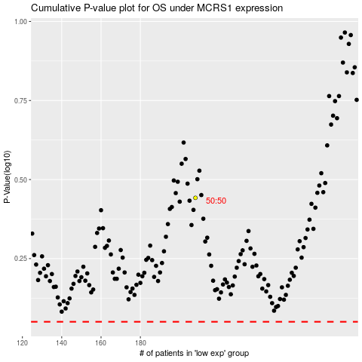

 |  |  |  |  |  | cases_OS | p_OS | rank | exp
 |  |  |  |  |  |  | cases_RFS | p_RFS | rank | exp

