MCTP1 _multivariate
Reported by Tex Li-Hsing Chi. tex@gate.sinica.edu.tw 2019-08-18

Table 2. The clinicopathological features of HNSCC cohort and MCTP1 expression. (Chi square test)
Cutoff at -0.137 (49.8%)
 |  | MCTP1 expression |  | MCTP1 expression |  | (Optimised)
 | Features | Low | (%) | High | (%) | Case no | P-value | Remark | Matthews
Gender | Female | 161 | 38.8 | 145 | 34.9 | 415 | 0.0792 | 0 | 0
2 | Male | 46 | 11.1 | 63 | 15.2
Age at diagnosis | <=65y | 142 | 34.2 | 132 | 31.8 | 415 | 0.3167 | 0 | 0
4 | >65y | 65 | 15.7 | 76 | 18.3
Clinical T Status | T1+T2 | 83 | 20 | 66 | 15.9 | 415 | 0.0941 | 0 | 0
6 | T3+T4 | 124 | 29.9 | 142 | 34.2
Clinical N Status | N0 | 102 | 24.6 | 114 | 27.5 | 415 | 0.3031 | 0 | 0
8 | N1-3 | 105 | 25.3 | 94 | 22.7
Clinical M Status | M0 | 206 | 49.6 | 206 | 49.6 | 415 | 1 | 0 | 0
10 | M1 | 1 | 0.2 | 2 | 0.5
Clinical Stage | Stage I+II | 52 | 12.5 | 50 | 12 | 415 | 0.8871 | 0 | 0
12 | Stage III+IV | 155 | 37.3 | 158 | 38.1
Surgical Margin status | Negative | 157 | 37.8 | 161 | 38.8 | 415 | 0.729 | 0 | 0
14 | Positive | 50 | 12 | 47 | 11.3
Tobacco Exposure | Low | 75 | 18.1 | 86 | 20.7 | 415 | 0.3141 | 0 | 0
16 | High | 132 | 31.8 | 122 | 29.4

Table 3. Univariate/Multivariate Cox's proportional hazards regression analyses on OS time of MCTP1 gene expression in HNSCC

 |  | Univariate |  |  |  | Multivariate
 | Features | HR | CI95%(L) | CI95%(H) | P-value | HR | CI95%(L) | CI95%(H) | P-value
1 | Female | 1 |  |  |  | 1
Gender | Male | 1.157 | 0.843 | 1.587 | 0.367 | 1.217 | 0.869 | 1.704 | 0.252
11 | <=65y | 1 |  |  |  | 1
Age at diagnosis | >65y | 1.329 | 0.99 | 1.784 | 0.058 | 1.391 | 1.023 | 1.89 | 0.035
12 | T1+T2 | 1 |  |  |  | 1
Clinical T Status | T3+T4 | 1.409 | 1.028 | 1.931 | 0.033 | 2.219 | 1.173 | 4.199 | 0.014
13 | N0 | 1 |  |  |  | 1
Clinical N Status | N1-3 | 1.185 | 0.89 | 1.577 | 0.246 | 1.221 | 0.853 | 1.746 | 0.275
14 | M0 | 1 |  |  |  | 1
Clinical M Status | M1 | 4.097 | 1.009 | 16.644 | 0.049 | 9.875 | 2.143 | 45.518 | 0.003
15 | Stage I+II | 1 |  |  |  | 1
Clinical Stage | Stage III+IV | 1.245 | 0.882 | 1.759 | 0.213 | 0.503 | 0.234 | 1.081 | 0.078
16 | Negative | 1 |  |  |  | 1
Surgical Margin status | Positive | 1.591 | 1.155 | 2.191 | 0.004 | 1.662 | 1.203 | 2.298 | 0.002
17 | Low | 1 |  |  |  | 1
Tobacco Exposure | High | 1.364 | 1.008 | 1.844 | 0.044 | 1.442 | 1.047 | 1.988 | 0.025
18 | Low | 1 |  |  |  | 1
RNAseq(z-score) | High | 0.895 | 0.672 | 1.193 | 0.45 | 0.895 | 0.667 | 1.201 | 0.461

Table 4. Univariate/Multivariate Cox's proportional hazards regression analyses on RFS time of MCTP1 gene expression in HNSCC

 |  | Univariate |  |  |  | Multivariate
 | Features | HR | CI95%(L) | CI95%(H) | P-value | HR | CI95%(L) | CI95%(H) | P-value
1 | Female | 1 |  |  |  | 1
Gender | Male | 1.157 | 0.843 | 1.587 | 0.367 | 1.217 | 0.869 | 1.704 | 0.252
11 | <=65y | 1 |  |  |  | 1
Age at diagnosis | >65y | 1.329 | 0.99 | 1.784 | 0.058 | 1.391 | 1.023 | 1.89 | 0.035
12 | T1+T2 | 1 |  |  |  | 1
Clinical T Status | T3+T4 | 1.409 | 1.028 | 1.931 | 0.033 | 2.219 | 1.173 | 4.199 | 0.014
13 | N0 | 1 |  |  |  | 1
Clinical N Status | N1-3 | 1.185 | 0.89 | 1.577 | 0.246 | 1.221 | 0.853 | 1.746 | 0.275
14 | M0 | 1 |  |  |  | 1
Clinical M Status | M1 | 4.097 | 1.009 | 16.644 | 0.049 | 9.875 | 2.143 | 45.518 | 0.003
15 | Stage I+II | 1 |  |  |  | 1
Clinical Stage | Stage III+IV | 1.245 | 0.882 | 1.759 | 0.213 | 0.503 | 0.234 | 1.081 | 0.078
16 | Negative | 1 |  |  |  | 1
Surgical Margin status | Positive | 1.591 | 1.155 | 2.191 | 0.004 | 1.662 | 1.203 | 2.298 | 0.002
17 | Low | 1 |  |  |  | 1
Tobacco Exposure | High | 1.364 | 1.008 | 1.844 | 0.044 | 1.442 | 1.047 | 1.988 | 0.025
18 | Low | 1 |  |  |  | 1
RNAseq(z-score) | High | 0.895 | 0.672 | 1.193 | 0.45 | 0.895 | 0.667 | 1.201 | 0.461

Kaplan-Meier survival estimate: Cutoff at -0.137 (49.8%)



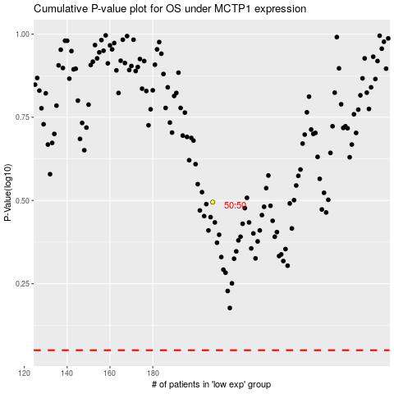

 |  |  |  |  |  | cases_OS | p_OS | rank | exp
 |  |  |  |  |  |  | cases_RFS | p_RFS | rank | exp

