MCTP2 _multivariate
Reported by Tex Li-Hsing Chi. tex@gate.sinica.edu.tw 2019-08-18

Table 2. The clinicopathological features of HNSCC cohort and MCTP2 expression. (Chi square test)
Cutoff at -0.153 (49.8%)
 |  | MCTP2 expression |  | MCTP2 expression |  | (Optimised)
 | Features | Low | (%) | High | (%) | Case no | P-value | Remark | Matthews
Gender | Female | 157 | 37.8 | 149 | 35.9 | 415 | 0.3881 | 0 | 0
2 | Male | 50 | 12 | 59 | 14.2
Age at diagnosis | <=65y | 142 | 34.2 | 132 | 31.8 | 415 | 0.3167 | 0 | 0
4 | >65y | 65 | 15.7 | 76 | 18.3
Clinical T Status | T1+T2 | 73 | 17.6 | 76 | 18.3 | 415 | 0.8666 | 0 | 0
6 | T3+T4 | 134 | 32.3 | 132 | 31.8
Clinical N Status | N0 | 93 | 22.4 | 123 | 29.6 | 415 | 0.0051 | 1 | 0
8 | N1-3 | 114 | 27.5 | 85 | 20.5
Clinical M Status | M0 | 206 | 49.6 | 206 | 49.6 | 415 | 1 | 0 | 0
10 | M1 | 1 | 0.2 | 2 | 0.5
Clinical Stage | Stage I+II | 43 | 10.4 | 59 | 14.2 | 415 | 0.0925 | 0 | 0
12 | Stage III+IV | 164 | 39.5 | 149 | 35.9
Surgical Margin status | Negative | 155 | 37.3 | 163 | 39.3 | 415 | 0.4187 | 0 | 0
14 | Positive | 52 | 12.5 | 45 | 10.8
Tobacco Exposure | Low | 69 | 16.6 | 92 | 22.2 | 415 | 0.0266 | 1 | 0
16 | High | 138 | 33.3 | 116 | 28

Table 3. Univariate/Multivariate Cox's proportional hazards regression analyses on OS time of MCTP2 gene expression in HNSCC

 |  | Univariate |  |  |  | Multivariate
 | Features | HR | CI95%(L) | CI95%(H) | P-value | HR | CI95%(L) | CI95%(H) | P-value
1 | Female | 1 |  |  |  | 1
Gender | Male | 1.157 | 0.843 | 1.587 | 0.367 | 1.203 | 0.861 | 1.681 | 0.278
11 | <=65y | 1 |  |  |  | 1
Age at diagnosis | >65y | 1.329 | 0.99 | 1.784 | 0.058 | 1.393 | 1.025 | 1.895 | 0.034
12 | T1+T2 | 1 |  |  |  | 1
Clinical T Status | T3+T4 | 1.409 | 1.028 | 1.931 | 0.033 | 2.188 | 1.156 | 4.141 | 0.016
13 | N0 | 1 |  |  |  | 1
Clinical N Status | N1-3 | 1.185 | 0.89 | 1.577 | 0.246 | 1.249 | 0.874 | 1.785 | 0.223
14 | M0 | 1 |  |  |  | 1
Clinical M Status | M1 | 4.097 | 1.009 | 16.644 | 0.049 | 9.284 | 2.022 | 42.63 | 0.004
15 | Stage I+II | 1 |  |  |  | 1
Clinical Stage | Stage III+IV | 1.245 | 0.882 | 1.759 | 0.213 | 0.509 | 0.237 | 1.095 | 0.084
16 | Negative | 1 |  |  |  | 1
Surgical Margin status | Positive | 1.591 | 1.155 | 2.191 | 0.004 | 1.673 | 1.211 | 2.312 | 0.002
17 | Low | 1 |  |  |  | 1
Tobacco Exposure | High | 1.364 | 1.008 | 1.844 | 0.044 | 1.465 | 1.059 | 2.026 | 0.021
18 | Low | 1 |  |  |  | 1
RNAseq(z-score) | High | 0.99 | 0.744 | 1.319 | 0.947 | 1.054 | 0.785 | 1.417 | 0.726

Table 4. Univariate/Multivariate Cox's proportional hazards regression analyses on RFS time of MCTP2 gene expression in HNSCC

 |  | Univariate |  |  |  | Multivariate
 | Features | HR | CI95%(L) | CI95%(H) | P-value | HR | CI95%(L) | CI95%(H) | P-value
1 | Female | 1 |  |  |  | 1
Gender | Male | 1.157 | 0.843 | 1.587 | 0.367 | 1.203 | 0.861 | 1.681 | 0.278
11 | <=65y | 1 |  |  |  | 1
Age at diagnosis | >65y | 1.329 | 0.99 | 1.784 | 0.058 | 1.393 | 1.025 | 1.895 | 0.034
12 | T1+T2 | 1 |  |  |  | 1
Clinical T Status | T3+T4 | 1.409 | 1.028 | 1.931 | 0.033 | 2.188 | 1.156 | 4.141 | 0.016
13 | N0 | 1 |  |  |  | 1
Clinical N Status | N1-3 | 1.185 | 0.89 | 1.577 | 0.246 | 1.249 | 0.874 | 1.785 | 0.223
14 | M0 | 1 |  |  |  | 1
Clinical M Status | M1 | 4.097 | 1.009 | 16.644 | 0.049 | 9.284 | 2.022 | 42.63 | 0.004
15 | Stage I+II | 1 |  |  |  | 1
Clinical Stage | Stage III+IV | 1.245 | 0.882 | 1.759 | 0.213 | 0.509 | 0.237 | 1.095 | 0.084
16 | Negative | 1 |  |  |  | 1
Surgical Margin status | Positive | 1.591 | 1.155 | 2.191 | 0.004 | 1.673 | 1.211 | 2.312 | 0.002
17 | Low | 1 |  |  |  | 1
Tobacco Exposure | High | 1.364 | 1.008 | 1.844 | 0.044 | 1.465 | 1.059 | 2.026 | 0.021
18 | Low | 1 |  |  |  | 1
RNAseq(z-score) | High | 0.99 | 0.744 | 1.319 | 0.947 | 1.054 | 0.785 | 1.417 | 0.726

Kaplan-Meier survival estimate: Cutoff at -0.153 (49.8%)



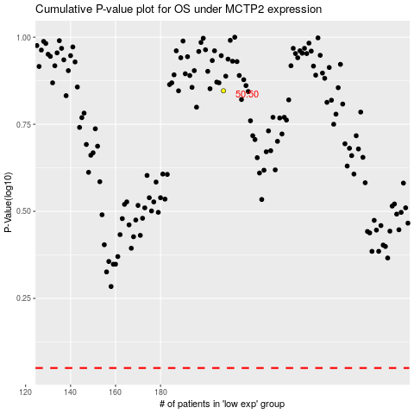

 |  |  |  |  |  | cases_OS | p_OS | rank | exp
 |  |  |  |  |  |  | cases_RFS | p_RFS | rank | exp

