MDC1 _multivariate
Reported by Tex Li-Hsing Chi. tex@gate.sinica.edu.tw 2019-08-18

Table 2. The clinicopathological features of HNSCC cohort and MDC1 expression. (Chi square test)
Cutoff at -0.153 (49.8%)
 |  | MDC1 expression |  | MDC1 expression |  | (Optimised)
 | Features | Low | (%) | High | (%) | Case no | P-value | Remark | Matthews
Gender | Female | 141 | 34 | 165 | 39.8 | 415 | 0.013 | 1 | 0
2 | Male | 66 | 15.9 | 43 | 10.4
Age at diagnosis | <=65y | 130 | 31.3 | 144 | 34.7 | 415 | 0.2009 | 0 | 0
4 | >65y | 77 | 18.6 | 64 | 15.4
Clinical T Status | T1+T2 | 64 | 15.4 | 85 | 20.5 | 415 | 0.0445 | 1 | 0
6 | T3+T4 | 143 | 34.5 | 123 | 29.6
Clinical N Status | N0 | 116 | 28 | 100 | 24.1 | 415 | 0.1273 | 1 | 0
8 | N1-3 | 91 | 21.9 | 108 | 26
Clinical M Status | M0 | 206 | 49.6 | 206 | 49.6 | 415 | 1 | 0 | 0
10 | M1 | 1 | 0.2 | 2 | 0.5
Clinical Stage | Stage I+II | 50 | 12 | 52 | 12.5 | 415 | 0.9315 | 0 | 0
12 | Stage III+IV | 157 | 37.8 | 156 | 37.6
Surgical Margin status | Negative | 160 | 38.6 | 158 | 38.1 | 415 | 0.8167 | 0 | 0
14 | Positive | 47 | 11.3 | 50 | 12
Tobacco Exposure | Low | 86 | 20.7 | 75 | 18.1 | 415 | 0.2687 | 0 | 0
16 | High | 121 | 29.2 | 133 | 32

Table 3. Univariate/Multivariate Cox's proportional hazards regression analyses on OS time of MDC1 gene expression in HNSCC

 |  | Univariate |  |  |  | Multivariate
 | Features | HR | CI95%(L) | CI95%(H) | P-value | HR | CI95%(L) | CI95%(H) | P-value
1 | Female | 1 |  |  |  | 1
Gender | Male | 1.157 | 0.843 | 1.587 | 0.367 | 1.249 | 0.892 | 1.75 | 0.196
11 | <=65y | 1 |  |  |  | 1
Age at diagnosis | >65y | 1.329 | 0.99 | 1.784 | 0.058 | 1.407 | 1.034 | 1.914 | 0.03
12 | T1+T2 | 1 |  |  |  | 1
Clinical T Status | T3+T4 | 1.409 | 1.028 | 1.931 | 0.033 | 2.37 | 1.247 | 4.501 | 0.008
13 | N0 | 1 |  |  |  | 1
Clinical N Status | N1-3 | 1.185 | 0.89 | 1.577 | 0.246 | 1.236 | 0.865 | 1.766 | 0.245
14 | M0 | 1 |  |  |  | 1
Clinical M Status | M1 | 4.097 | 1.009 | 16.644 | 0.049 | 9.943 | 2.166 | 45.648 | 0.003
15 | Stage I+II | 1 |  |  |  | 1
Clinical Stage | Stage III+IV | 1.245 | 0.882 | 1.759 | 0.213 | 0.475 | 0.221 | 1.024 | 0.057
16 | Negative | 1 |  |  |  | 1
Surgical Margin status | Positive | 1.591 | 1.155 | 2.191 | 0.004 | 1.661 | 1.202 | 2.296 | 0.002
17 | Low | 1 |  |  |  | 1
Tobacco Exposure | High | 1.364 | 1.008 | 1.844 | 0.044 | 1.442 | 1.046 | 1.987 | 0.025
18 | Low | 1 |  |  |  | 1
RNAseq(z-score) | High | 1.191 | 0.893 | 1.589 | 0.234 | 1.296 | 0.964 | 1.742 | 0.086

Table 4. Univariate/Multivariate Cox's proportional hazards regression analyses on RFS time of MDC1 gene expression in HNSCC

 |  | Univariate |  |  |  | Multivariate
 | Features | HR | CI95%(L) | CI95%(H) | P-value | HR | CI95%(L) | CI95%(H) | P-value
1 | Female | 1 |  |  |  | 1
Gender | Male | 1.157 | 0.843 | 1.587 | 0.367 | 1.249 | 0.892 | 1.75 | 0.196
11 | <=65y | 1 |  |  |  | 1
Age at diagnosis | >65y | 1.329 | 0.99 | 1.784 | 0.058 | 1.407 | 1.034 | 1.914 | 0.03
12 | T1+T2 | 1 |  |  |  | 1
Clinical T Status | T3+T4 | 1.409 | 1.028 | 1.931 | 0.033 | 2.37 | 1.247 | 4.501 | 0.008
13 | N0 | 1 |  |  |  | 1
Clinical N Status | N1-3 | 1.185 | 0.89 | 1.577 | 0.246 | 1.236 | 0.865 | 1.766 | 0.245
14 | M0 | 1 |  |  |  | 1
Clinical M Status | M1 | 4.097 | 1.009 | 16.644 | 0.049 | 9.943 | 2.166 | 45.648 | 0.003
15 | Stage I+II | 1 |  |  |  | 1
Clinical Stage | Stage III+IV | 1.245 | 0.882 | 1.759 | 0.213 | 0.475 | 0.221 | 1.024 | 0.057
16 | Negative | 1 |  |  |  | 1
Surgical Margin status | Positive | 1.591 | 1.155 | 2.191 | 0.004 | 1.661 | 1.202 | 2.296 | 0.002
17 | Low | 1 |  |  |  | 1
Tobacco Exposure | High | 1.364 | 1.008 | 1.844 | 0.044 | 1.442 | 1.046 | 1.987 | 0.025
18 | Low | 1 |  |  |  | 1
RNAseq(z-score) | High | 1.191 | 0.893 | 1.589 | 0.234 | 1.296 | 0.964 | 1.742 | 0.086

Kaplan-Meier survival estimate: Cutoff at -0.153 (49.8%)



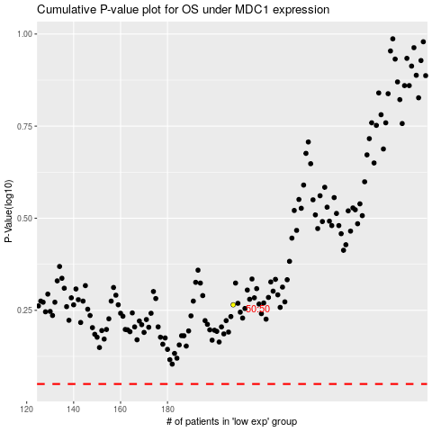

 |  |  |  |  |  | cases_OS | p_OS | rank | exp
 |  |  |  |  |  |  | cases_RFS | p_RFS | rank | exp

