MDFI _multivariate
Reported by Tex Li-Hsing Chi. tex@gate.sinica.edu.tw 2019-08-18

Table 2. The clinicopathological features of HNSCC cohort and MDFI expression. (Chi square test)
Cutoff at -0.072 (50.0%)
 |  | MDFI expression |  | MDFI expression |  | (Optimised)
 | Features | Low | (%) | High | (%) | Case no | P-value | Remark | Matthews
Gender | Female | 164 | 39.5 | 142 | 34.2 | 415 | 0.0153 | 1 | 0
2 | Male | 43 | 10.4 | 66 | 15.9
Age at diagnosis | <=65y | 137 | 33 | 137 | 33 | 415 | 1 | 0 | 0
4 | >65y | 70 | 16.9 | 71 | 17.1
Clinical T Status | T1+T2 | 74 | 17.8 | 75 | 18.1 | 415 | 1 | 0 | 0
6 | T3+T4 | 133 | 32 | 133 | 32
Clinical N Status | N0 | 101 | 24.3 | 115 | 27.7 | 415 | 0.2201 | 0 | 0
8 | N1-3 | 106 | 25.5 | 93 | 22.4
Clinical M Status | M0 | 206 | 49.6 | 206 | 49.6 | 415 | 1 | 0 | 0
10 | M1 | 1 | 0.2 | 2 | 0.5
Clinical Stage | Stage I+II | 45 | 10.8 | 57 | 13.7 | 415 | 0.2202 | 0 | 0
12 | Stage III+IV | 162 | 39 | 151 | 36.4
Surgical Margin status | Negative | 161 | 38.8 | 157 | 37.8 | 415 | 0.6429 | 0 | 0
14 | Positive | 46 | 11.1 | 51 | 12.3
Tobacco Exposure | Low | 66 | 15.9 | 95 | 22.9 | 415 | 0.0048 | 1 | 0
16 | High | 141 | 34 | 113 | 27.2

Table 3. Univariate/Multivariate Cox's proportional hazards regression analyses on OS time of MDFI gene expression in HNSCC

 |  | Univariate |  |  |  | Multivariate
 | Features | HR | CI95%(L) | CI95%(H) | P-value | HR | CI95%(L) | CI95%(H) | P-value
1 | Female | 1 |  |  |  | 1
Gender | Male | 1.157 | 0.843 | 1.587 | 0.367 | 1.223 | 0.873 | 1.713 | 0.242
11 | <=65y | 1 |  |  |  | 1
Age at diagnosis | >65y | 1.329 | 0.99 | 1.784 | 0.058 | 1.39 | 1.023 | 1.89 | 0.035
12 | T1+T2 | 1 |  |  |  | 1
Clinical T Status | T3+T4 | 1.409 | 1.028 | 1.931 | 0.033 | 2.25 | 1.187 | 4.264 | 0.013
13 | N0 | 1 |  |  |  | 1
Clinical N Status | N1-3 | 1.185 | 0.89 | 1.577 | 0.246 | 1.238 | 0.867 | 1.767 | 0.239
14 | M0 | 1 |  |  |  | 1
Clinical M Status | M1 | 4.097 | 1.009 | 16.644 | 0.049 | 10.008 | 2.165 | 46.278 | 0.003
15 | Stage I+II | 1 |  |  |  | 1
Clinical Stage | Stage III+IV | 1.245 | 0.882 | 1.759 | 0.213 | 0.49 | 0.228 | 1.056 | 0.069
16 | Negative | 1 |  |  |  | 1
Surgical Margin status | Positive | 1.591 | 1.155 | 2.191 | 0.004 | 1.695 | 1.224 | 2.347 | 0.001
17 | Low | 1 |  |  |  | 1
Tobacco Exposure | High | 1.364 | 1.008 | 1.844 | 0.044 | 1.439 | 1.044 | 1.983 | 0.026
18 | Low | 1 |  |  |  | 1
RNAseq(z-score) | High | 0.961 | 0.721 | 1.28 | 0.783 | 0.892 | 0.663 | 1.2 | 0.449

Table 4. Univariate/Multivariate Cox's proportional hazards regression analyses on RFS time of MDFI gene expression in HNSCC

 |  | Univariate |  |  |  | Multivariate
 | Features | HR | CI95%(L) | CI95%(H) | P-value | HR | CI95%(L) | CI95%(H) | P-value
1 | Female | 1 |  |  |  | 1
Gender | Male | 1.157 | 0.843 | 1.587 | 0.367 | 1.223 | 0.873 | 1.713 | 0.242
11 | <=65y | 1 |  |  |  | 1
Age at diagnosis | >65y | 1.329 | 0.99 | 1.784 | 0.058 | 1.39 | 1.023 | 1.89 | 0.035
12 | T1+T2 | 1 |  |  |  | 1
Clinical T Status | T3+T4 | 1.409 | 1.028 | 1.931 | 0.033 | 2.25 | 1.187 | 4.264 | 0.013
13 | N0 | 1 |  |  |  | 1
Clinical N Status | N1-3 | 1.185 | 0.89 | 1.577 | 0.246 | 1.238 | 0.867 | 1.767 | 0.239
14 | M0 | 1 |  |  |  | 1
Clinical M Status | M1 | 4.097 | 1.009 | 16.644 | 0.049 | 10.008 | 2.165 | 46.278 | 0.003
15 | Stage I+II | 1 |  |  |  | 1
Clinical Stage | Stage III+IV | 1.245 | 0.882 | 1.759 | 0.213 | 0.49 | 0.228 | 1.056 | 0.069
16 | Negative | 1 |  |  |  | 1
Surgical Margin status | Positive | 1.591 | 1.155 | 2.191 | 0.004 | 1.695 | 1.224 | 2.347 | 0.001
17 | Low | 1 |  |  |  | 1
Tobacco Exposure | High | 1.364 | 1.008 | 1.844 | 0.044 | 1.439 | 1.044 | 1.983 | 0.026
18 | Low | 1 |  |  |  | 1
RNAseq(z-score) | High | 0.961 | 0.721 | 1.28 | 0.783 | 0.892 | 0.663 | 1.2 | 0.449

Kaplan-Meier survival estimate: Cutoff at -0.072 (50.0%)



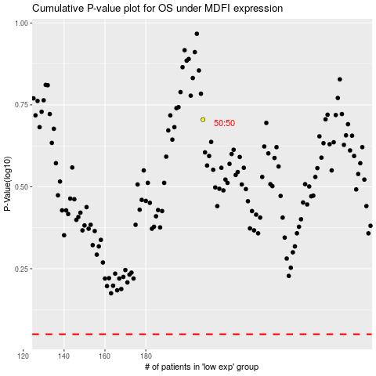

 |  |  |  |  |  | cases_OS | p_OS | rank | exp
 |  |  |  |  |  |  | cases_RFS | p_RFS | rank | exp

