MDGA1 _multivariate
Reported by Tex Li-Hsing Chi. tex@gate.sinica.edu.tw 2019-08-18

Table 2. The clinicopathological features of HNSCC cohort and MDGA1 expression. (Chi square test)
Cutoff at -0.262 (49.8%)
 |  | MDGA1 expression |  | MDGA1 expression |  | (Optimised)
 | Features | Low | (%) | High | (%) | Case no | P-value | Remark | Matthews
Gender | Female | 155 | 37.3 | 151 | 36.4 | 415 | 0.6768 | 0 | 0
2 | Male | 52 | 12.5 | 57 | 13.7
Age at diagnosis | <=65y | 141 | 34 | 133 | 32 | 415 | 0.4272 | 0 | 0
4 | >65y | 66 | 15.9 | 75 | 18.1
Clinical T Status | T1+T2 | 65 | 15.7 | 84 | 20.2 | 415 | 0.0711 | 0 | 0
6 | T3+T4 | 142 | 34.2 | 124 | 29.9
Clinical N Status | N0 | 105 | 25.3 | 111 | 26.7 | 415 | 0.6598 | 0 | 0
8 | N1-3 | 102 | 24.6 | 97 | 23.4
Clinical M Status | M0 | 206 | 49.6 | 206 | 49.6 | 415 | 1 | 0 | 0
10 | M1 | 1 | 0.2 | 2 | 0.5
Clinical Stage | Stage I+II | 45 | 10.8 | 57 | 13.7 | 415 | 0.2202 | 0 | 0
12 | Stage III+IV | 162 | 39 | 151 | 36.4
Surgical Margin status | Negative | 162 | 39 | 156 | 37.6 | 415 | 0.4867 | 0 | 0
14 | Positive | 45 | 10.8 | 52 | 12.5
Tobacco Exposure | Low | 87 | 21 | 74 | 17.8 | 415 | 0.1911 | 0 | 0
16 | High | 120 | 28.9 | 134 | 32.3

Table 3. Univariate/Multivariate Cox's proportional hazards regression analyses on OS time of MDGA1 gene expression in HNSCC

 |  | Univariate |  |  |  | Multivariate
 | Features | HR | CI95%(L) | CI95%(H) | P-value | HR | CI95%(L) | CI95%(H) | P-value
1 | Female | 1 |  |  |  | 1
Gender | Male | 1.157 | 0.843 | 1.587 | 0.367 | 1.202 | 0.86 | 1.68 | 0.28
11 | <=65y | 1 |  |  |  | 1
Age at diagnosis | >65y | 1.329 | 0.99 | 1.784 | 0.058 | 1.393 | 1.025 | 1.894 | 0.034
12 | T1+T2 | 1 |  |  |  | 1
Clinical T Status | T3+T4 | 1.409 | 1.028 | 1.931 | 0.033 | 2.181 | 1.152 | 4.13 | 0.017
13 | N0 | 1 |  |  |  | 1
Clinical N Status | N1-3 | 1.185 | 0.89 | 1.577 | 0.246 | 1.241 | 0.87 | 1.771 | 0.233
14 | M0 | 1 |  |  |  | 1
Clinical M Status | M1 | 4.097 | 1.009 | 16.644 | 0.049 | 9.442 | 2.06 | 43.288 | 0.004
15 | Stage I+II | 1 |  |  |  | 1
Clinical Stage | Stage III+IV | 1.245 | 0.882 | 1.759 | 0.213 | 0.502 | 0.234 | 1.078 | 0.077
16 | Negative | 1 |  |  |  | 1
Surgical Margin status | Positive | 1.591 | 1.155 | 2.191 | 0.004 | 1.681 | 1.215 | 2.324 | 0.002
17 | Low | 1 |  |  |  | 1
Tobacco Exposure | High | 1.364 | 1.008 | 1.844 | 0.044 | 1.47 | 1.064 | 2.031 | 0.02
18 | Low | 1 |  |  |  | 1
RNAseq(z-score) | High | 0.955 | 0.717 | 1.272 | 0.752 | 0.927 | 0.692 | 1.243 | 0.614

Table 4. Univariate/Multivariate Cox's proportional hazards regression analyses on RFS time of MDGA1 gene expression in HNSCC

 |  | Univariate |  |  |  | Multivariate
 | Features | HR | CI95%(L) | CI95%(H) | P-value | HR | CI95%(L) | CI95%(H) | P-value
1 | Female | 1 |  |  |  | 1
Gender | Male | 1.157 | 0.843 | 1.587 | 0.367 | 1.202 | 0.86 | 1.68 | 0.28
11 | <=65y | 1 |  |  |  | 1
Age at diagnosis | >65y | 1.329 | 0.99 | 1.784 | 0.058 | 1.393 | 1.025 | 1.894 | 0.034
12 | T1+T2 | 1 |  |  |  | 1
Clinical T Status | T3+T4 | 1.409 | 1.028 | 1.931 | 0.033 | 2.181 | 1.152 | 4.13 | 0.017
13 | N0 | 1 |  |  |  | 1
Clinical N Status | N1-3 | 1.185 | 0.89 | 1.577 | 0.246 | 1.241 | 0.87 | 1.771 | 0.233
14 | M0 | 1 |  |  |  | 1
Clinical M Status | M1 | 4.097 | 1.009 | 16.644 | 0.049 | 9.442 | 2.06 | 43.288 | 0.004
15 | Stage I+II | 1 |  |  |  | 1
Clinical Stage | Stage III+IV | 1.245 | 0.882 | 1.759 | 0.213 | 0.502 | 0.234 | 1.078 | 0.077
16 | Negative | 1 |  |  |  | 1
Surgical Margin status | Positive | 1.591 | 1.155 | 2.191 | 0.004 | 1.681 | 1.215 | 2.324 | 0.002
17 | Low | 1 |  |  |  | 1
Tobacco Exposure | High | 1.364 | 1.008 | 1.844 | 0.044 | 1.47 | 1.064 | 2.031 | 0.02
18 | Low | 1 |  |  |  | 1
RNAseq(z-score) | High | 0.955 | 0.717 | 1.272 | 0.752 | 0.927 | 0.692 | 1.243 | 0.614

Kaplan-Meier survival estimate: Cutoff at -0.262 (49.8%)



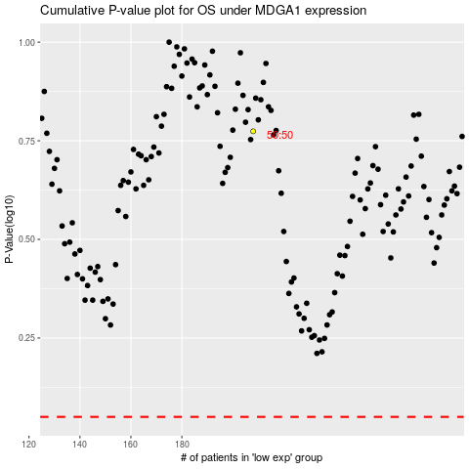

 |  |  |  |  |  | cases_OS | p_OS | rank | exp
 |  |  |  |  |  |  | cases_RFS | p_RFS | rank | exp

