MDK _multivariate
Reported by Tex Li-Hsing Chi. tex@gate.sinica.edu.tw 2019-08-18

Table 2. The clinicopathological features of HNSCC cohort and MDK expression. (Chi square test)
Cutoff at -0.129 (62.6%)
 |  | MDK expression |  | MDK expression |  | (Optimised)
 | Features | Low | (%) | High | (%) | Case no | P-value | Remark | Matthews
Gender | Female | 182 | 43.9 | 124 | 29.9 | 415 | 0.0337 | 1 | 0
2 | Male | 78 | 18.8 | 31 | 7.5
Age at diagnosis | <=65y | 179 | 43.1 | 95 | 22.9 | 415 | 0.1429 | 0 | 0
4 | >65y | 81 | 19.5 | 60 | 14.5
Clinical T Status | T1+T2 | 90 | 21.7 | 59 | 14.2 | 415 | 0.5467 | 0 | 0
6 | T3+T4 | 170 | 41 | 96 | 23.1
Clinical N Status | N0 | 138 | 33.3 | 78 | 18.8 | 415 | 0.6587 | 0 | 0
8 | N1-3 | 122 | 29.4 | 77 | 18.6
Clinical M Status | M0 | 258 | 62.2 | 154 | 37.1 | 415 | 1 | 0 | 0
10 | M1 | 2 | 0.5 | 1 | 0.2
Clinical Stage | Stage I+II | 64 | 15.4 | 38 | 9.2 | 415 | 1 | 0 | 0
12 | Stage III+IV | 196 | 47.2 | 117 | 28.2
Surgical Margin status | Negative | 208 | 50.1 | 110 | 26.5 | 415 | 0.0415 | 1 | 0
14 | Positive | 52 | 12.5 | 45 | 10.8
Tobacco Exposure | Low | 109 | 26.3 | 52 | 12.5 | 415 | 0.0965 | 0 | 0
16 | High | 151 | 36.4 | 103 | 24.8

Table 3. Univariate/Multivariate Cox's proportional hazards regression analyses on OS time of MDK gene expression in HNSCC

 |  | Univariate |  |  |  | Multivariate
 | Features | HR | CI95%(L) | CI95%(H) | P-value | HR | CI95%(L) | CI95%(H) | P-value
1 | Female | 1 |  |  |  | 1
Gender | Male | 1.157 | 0.843 | 1.587 | 0.367 | 1.253 | 0.894 | 1.757 | 0.191
11 | <=65y | 1 |  |  |  | 1
Age at diagnosis | >65y | 1.329 | 0.99 | 1.784 | 0.058 | 1.352 | 0.993 | 1.842 | 0.056
12 | T1+T2 | 1 |  |  |  | 1
Clinical T Status | T3+T4 | 1.409 | 1.028 | 1.931 | 0.033 | 2.208 | 1.167 | 4.177 | 0.015
13 | N0 | 1 |  |  |  | 1
Clinical N Status | N1-3 | 1.185 | 0.89 | 1.577 | 0.246 | 1.226 | 0.859 | 1.751 | 0.261
14 | M0 | 1 |  |  |  | 1
Clinical M Status | M1 | 4.097 | 1.009 | 16.644 | 0.049 | 9.964 | 2.169 | 45.767 | 0.003
15 | Stage I+II | 1 |  |  |  | 1
Clinical Stage | Stage III+IV | 1.245 | 0.882 | 1.759 | 0.213 | 0.505 | 0.235 | 1.085 | 0.08
16 | Negative | 1 |  |  |  | 1
Surgical Margin status | Positive | 1.591 | 1.155 | 2.191 | 0.004 | 1.611 | 1.161 | 2.233 | 0.004
17 | Low | 1 |  |  |  | 1
Tobacco Exposure | High | 1.364 | 1.008 | 1.844 | 0.044 | 1.426 | 1.035 | 1.966 | 0.03
18 | Low | 1 |  |  |  | 1
RNAseq(z-score) | High | 1.353 | 1.007 | 1.819 | 0.045 | 1.275 | 0.938 | 1.733 | 0.12

Table 4. Univariate/Multivariate Cox's proportional hazards regression analyses on RFS time of MDK gene expression in HNSCC

 |  | Univariate |  |  |  | Multivariate
 | Features | HR | CI95%(L) | CI95%(H) | P-value | HR | CI95%(L) | CI95%(H) | P-value
1 | Female | 1 |  |  |  | 1
Gender | Male | 1.157 | 0.843 | 1.587 | 0.367 | 1.253 | 0.894 | 1.757 | 0.191
11 | <=65y | 1 |  |  |  | 1
Age at diagnosis | >65y | 1.329 | 0.99 | 1.784 | 0.058 | 1.352 | 0.993 | 1.842 | 0.056
12 | T1+T2 | 1 |  |  |  | 1
Clinical T Status | T3+T4 | 1.409 | 1.028 | 1.931 | 0.033 | 2.208 | 1.167 | 4.177 | 0.015
13 | N0 | 1 |  |  |  | 1
Clinical N Status | N1-3 | 1.185 | 0.89 | 1.577 | 0.246 | 1.226 | 0.859 | 1.751 | 0.261
14 | M0 | 1 |  |  |  | 1
Clinical M Status | M1 | 4.097 | 1.009 | 16.644 | 0.049 | 9.964 | 2.169 | 45.767 | 0.003
15 | Stage I+II | 1 |  |  |  | 1
Clinical Stage | Stage III+IV | 1.245 | 0.882 | 1.759 | 0.213 | 0.505 | 0.235 | 1.085 | 0.08
16 | Negative | 1 |  |  |  | 1
Surgical Margin status | Positive | 1.591 | 1.155 | 2.191 | 0.004 | 1.611 | 1.161 | 2.233 | 0.004
17 | Low | 1 |  |  |  | 1
Tobacco Exposure | High | 1.364 | 1.008 | 1.844 | 0.044 | 1.426 | 1.035 | 1.966 | 0.03
18 | Low | 1 |  |  |  | 1
RNAseq(z-score) | High | 1.353 | 1.007 | 1.819 | 0.045 | 1.275 | 0.938 | 1.733 | 0.12

Kaplan-Meier survival estimate: Cutoff at -0.129 (62.6%)



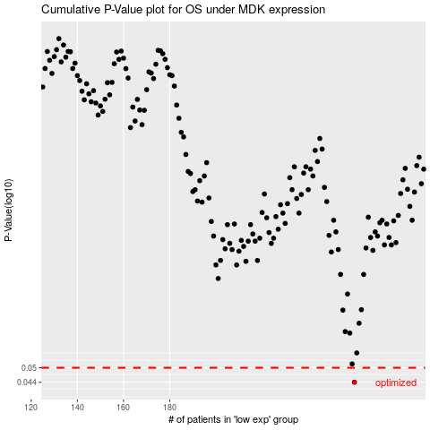

 |  |  |  |  |  | cases_OS | p_OS | rank | exp
 |  |  |  |  |  | 260 | 0.044 | 284 | -0.12938283248
 |  |  |  |  |  |  | cases_RFS | p_RFS | rank | exp
 |  |  |  |  |  |  | 259 | 0.044 | 102 | -0.13136759248

