MDM1 _multivariate
Reported by Tex Li-Hsing Chi. tex@gate.sinica.edu.tw 2019-08-18

Table 2. The clinicopathological features of HNSCC cohort and MDM1 expression. (Chi square test)
Cutoff at 0.024 (69.8%)
 |  | MDM1 expression |  | MDM1 expression |  | (Optimised)
 | Features | Low | (%) | High | (%) | Case no | P-value | Remark | Matthews
Gender | Female | 205 | 49.4 | 101 | 24.3 | 415 | 0.0428 | 1 | 0
2 | Male | 85 | 20.5 | 24 | 5.8
Age at diagnosis | <=65y | 188 | 45.3 | 86 | 20.7 | 415 | 0.5023 | 0 | 0
4 | >65y | 102 | 24.6 | 39 | 9.4
Clinical T Status | T1+T2 | 98 | 23.6 | 51 | 12.3 | 415 | 0.21 | 0 | 0
6 | T3+T4 | 192 | 46.3 | 74 | 17.8
Clinical N Status | N0 | 154 | 37.1 | 62 | 14.9 | 415 | 0.5835 | 0 | 0
8 | N1-3 | 136 | 32.8 | 63 | 15.2
Clinical M Status | M0 | 288 | 69.4 | 124 | 29.9 | 415 | 1 | 0 | 0
10 | M1 | 2 | 0.5 | 1 | 0.2
Clinical Stage | Stage I+II | 74 | 17.8 | 28 | 6.7 | 415 | 0.5807 | 0 | 0
12 | Stage III+IV | 216 | 52 | 97 | 23.4
Surgical Margin status | Negative | 230 | 55.4 | 88 | 21.2 | 415 | 0.0579 | 0 | 0
14 | Positive | 60 | 14.5 | 37 | 8.9
Tobacco Exposure | Low | 119 | 28.7 | 42 | 10.1 | 415 | 0.1875 | 0 | 0
16 | High | 171 | 41.2 | 83 | 20

Table 3. Univariate/Multivariate Cox's proportional hazards regression analyses on OS time of MDM1 gene expression in HNSCC

 |  | Univariate |  |  |  | Multivariate
 | Features | HR | CI95%(L) | CI95%(H) | P-value | HR | CI95%(L) | CI95%(H) | P-value
1 | Female | 1 |  |  |  | 1
Gender | Male | 1.157 | 0.843 | 1.587 | 0.367 | 1.162 | 0.83 | 1.627 | 0.382
11 | <=65y | 1 |  |  |  | 1
Age at diagnosis | >65y | 1.329 | 0.99 | 1.784 | 0.058 | 1.407 | 1.034 | 1.914 | 0.03
12 | T1+T2 | 1 |  |  |  | 1
Clinical T Status | T3+T4 | 1.409 | 1.028 | 1.931 | 0.033 | 2.033 | 1.071 | 3.861 | 0.03
13 | N0 | 1 |  |  |  | 1
Clinical N Status | N1-3 | 1.185 | 0.89 | 1.577 | 0.246 | 1.241 | 0.87 | 1.772 | 0.234
14 | M0 | 1 |  |  |  | 1
Clinical M Status | M1 | 4.097 | 1.009 | 16.644 | 0.049 | 8.433 | 1.833 | 38.803 | 0.006
15 | Stage I+II | 1 |  |  |  | 1
Clinical Stage | Stage III+IV | 1.245 | 0.882 | 1.759 | 0.213 | 0.551 | 0.256 | 1.19 | 0.129
16 | Negative | 1 |  |  |  | 1
Surgical Margin status | Positive | 1.591 | 1.155 | 2.191 | 0.004 | 1.691 | 1.225 | 2.335 | 0.001
17 | Low | 1 |  |  |  | 1
Tobacco Exposure | High | 1.364 | 1.008 | 1.844 | 0.044 | 1.492 | 1.08 | 2.06 | 0.015
18 | Low | 1 |  |  |  | 1
RNAseq(z-score) | High | 0.715 | 0.515 | 0.993 | 0.045 | 0.73 | 0.521 | 1.021 | 0.066

Table 4. Univariate/Multivariate Cox's proportional hazards regression analyses on RFS time of MDM1 gene expression in HNSCC

 |  | Univariate |  |  |  | Multivariate
 | Features | HR | CI95%(L) | CI95%(H) | P-value | HR | CI95%(L) | CI95%(H) | P-value
1 | Female | 1 |  |  |  | 1
Gender | Male | 1.157 | 0.843 | 1.587 | 0.367 | 1.162 | 0.83 | 1.627 | 0.382
11 | <=65y | 1 |  |  |  | 1
Age at diagnosis | >65y | 1.329 | 0.99 | 1.784 | 0.058 | 1.407 | 1.034 | 1.914 | 0.03
12 | T1+T2 | 1 |  |  |  | 1
Clinical T Status | T3+T4 | 1.409 | 1.028 | 1.931 | 0.033 | 2.033 | 1.071 | 3.861 | 0.03
13 | N0 | 1 |  |  |  | 1
Clinical N Status | N1-3 | 1.185 | 0.89 | 1.577 | 0.246 | 1.241 | 0.87 | 1.772 | 0.234
14 | M0 | 1 |  |  |  | 1
Clinical M Status | M1 | 4.097 | 1.009 | 16.644 | 0.049 | 8.433 | 1.833 | 38.803 | 0.006
15 | Stage I+II | 1 |  |  |  | 1
Clinical Stage | Stage III+IV | 1.245 | 0.882 | 1.759 | 0.213 | 0.551 | 0.256 | 1.19 | 0.129
16 | Negative | 1 |  |  |  | 1
Surgical Margin status | Positive | 1.591 | 1.155 | 2.191 | 0.004 | 1.691 | 1.225 | 2.335 | 0.001
17 | Low | 1 |  |  |  | 1
Tobacco Exposure | High | 1.364 | 1.008 | 1.844 | 0.044 | 1.492 | 1.08 | 2.06 | 0.015
18 | Low | 1 |  |  |  | 1
RNAseq(z-score) | High | 0.715 | 0.515 | 0.993 | 0.045 | 0.73 | 0.521 | 1.021 | 0.066

Kaplan-Meier survival estimate: Cutoff at 0.024 (69.8%)



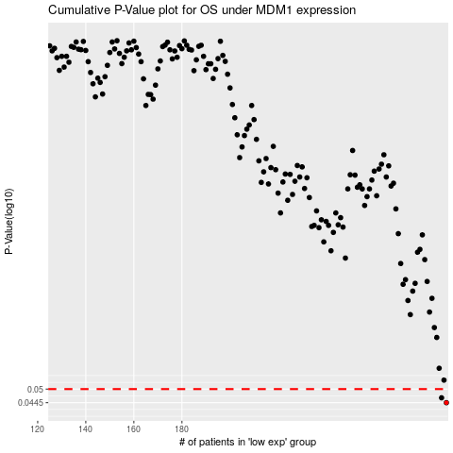

 |  |  |  |  |  | cases_OS | p_OS | rank | exp
 |  |  |  |  |  | 290 | 0.0445 | 396 | 0.024087731411
 |  |  |  |  |  | 288 | 0.0464 | 162 | 0.010913878005
 |  |  |  |  |  |  | cases_RFS | p_RFS | rank | exp
 |  |  |  |  |  |  | 289 | 0.0445 | 323 | 0.020516841199
 |  |  |  |  |  |  | 287 | 0.0464 | 237 | 0.0094012240921

