MDM2 _multivariate
Reported by Tex Li-Hsing Chi. tex@gate.sinica.edu.tw 2019-08-18

Table 2. The clinicopathological features of HNSCC cohort and MDM2 expression. (Chi square test)
Cutoff at -0.286 (50.0%)
 |  | MDM2 expression |  | MDM2 expression |  | (Optimised)
 | Features | Low | (%) | High | (%) | Case no | P-value | Remark | Matthews
Gender | Female | 151 | 36.4 | 155 | 37.3 | 415 | 0.8007 | 0 | 0
2 | Male | 56 | 13.5 | 53 | 12.8
Age at diagnosis | <=65y | 149 | 35.9 | 125 | 30.1 | 415 | 0.0142 | 1 | 0
4 | >65y | 58 | 14 | 83 | 20
Clinical T Status | T1+T2 | 71 | 17.1 | 78 | 18.8 | 415 | 0.5638 | 0 | 0
6 | T3+T4 | 136 | 32.8 | 130 | 31.3
Clinical N Status | N0 | 100 | 24.1 | 116 | 28 | 415 | 0.1548 | 0 | 0
8 | N1-3 | 107 | 25.8 | 92 | 22.2
Clinical M Status | M0 | 207 | 49.9 | 205 | 49.4 | 415 | 0.2482 | 0 | 0
10 | M1 | 0 | 0 | 3 | 0.7
Clinical Stage | Stage I+II | 52 | 12.5 | 50 | 12 | 415 | 0.8871 | 0 | 0
12 | Stage III+IV | 155 | 37.3 | 158 | 38.1
Surgical Margin status | Negative | 162 | 39 | 156 | 37.6 | 415 | 0.4867 | 0 | 0
14 | Positive | 45 | 10.8 | 52 | 12.5
Tobacco Exposure | Low | 81 | 19.5 | 80 | 19.3 | 415 | 0.9199 | 0 | 0
16 | High | 126 | 30.4 | 128 | 30.8

Table 3. Univariate/Multivariate Cox's proportional hazards regression analyses on OS time of MDM2 gene expression in HNSCC

 |  | Univariate |  |  |  | Multivariate
 | Features | HR | CI95%(L) | CI95%(H) | P-value | HR | CI95%(L) | CI95%(H) | P-value
1 | Female | 1 |  |  |  | 1
Gender | Male | 1.157 | 0.843 | 1.587 | 0.367 | 1.212 | 0.866 | 1.695 | 0.262
11 | <=65y | 1 |  |  |  | 1
Age at diagnosis | >65y | 1.329 | 0.99 | 1.784 | 0.058 | 1.384 | 1.017 | 1.883 | 0.038
12 | T1+T2 | 1 |  |  |  | 1
Clinical T Status | T3+T4 | 1.409 | 1.028 | 1.931 | 0.033 | 2.237 | 1.179 | 4.243 | 0.014
13 | N0 | 1 |  |  |  | 1
Clinical N Status | N1-3 | 1.185 | 0.89 | 1.577 | 0.246 | 1.251 | 0.876 | 1.788 | 0.218
14 | M0 | 1 |  |  |  | 1
Clinical M Status | M1 | 4.097 | 1.009 | 16.644 | 0.049 | 9.177 | 1.996 | 42.199 | 0.004
15 | Stage I+II | 1 |  |  |  | 1
Clinical Stage | Stage III+IV | 1.245 | 0.882 | 1.759 | 0.213 | 0.493 | 0.229 | 1.064 | 0.072
16 | Negative | 1 |  |  |  | 1
Surgical Margin status | Positive | 1.591 | 1.155 | 2.191 | 0.004 | 1.677 | 1.213 | 2.318 | 0.002
17 | Low | 1 |  |  |  | 1
Tobacco Exposure | High | 1.364 | 1.008 | 1.844 | 0.044 | 1.451 | 1.053 | 2 | 0.023
18 | Low | 1 |  |  |  | 1
RNAseq(z-score) | High | 1.067 | 0.801 | 1.421 | 0.657 | 1.077 | 0.804 | 1.444 | 0.619

Table 4. Univariate/Multivariate Cox's proportional hazards regression analyses on RFS time of MDM2 gene expression in HNSCC

 |  | Univariate |  |  |  | Multivariate
 | Features | HR | CI95%(L) | CI95%(H) | P-value | HR | CI95%(L) | CI95%(H) | P-value
1 | Female | 1 |  |  |  | 1
Gender | Male | 1.157 | 0.843 | 1.587 | 0.367 | 1.212 | 0.866 | 1.695 | 0.262
11 | <=65y | 1 |  |  |  | 1
Age at diagnosis | >65y | 1.329 | 0.99 | 1.784 | 0.058 | 1.384 | 1.017 | 1.883 | 0.038
12 | T1+T2 | 1 |  |  |  | 1
Clinical T Status | T3+T4 | 1.409 | 1.028 | 1.931 | 0.033 | 2.237 | 1.179 | 4.243 | 0.014
13 | N0 | 1 |  |  |  | 1
Clinical N Status | N1-3 | 1.185 | 0.89 | 1.577 | 0.246 | 1.251 | 0.876 | 1.788 | 0.218
14 | M0 | 1 |  |  |  | 1
Clinical M Status | M1 | 4.097 | 1.009 | 16.644 | 0.049 | 9.177 | 1.996 | 42.199 | 0.004
15 | Stage I+II | 1 |  |  |  | 1
Clinical Stage | Stage III+IV | 1.245 | 0.882 | 1.759 | 0.213 | 0.493 | 0.229 | 1.064 | 0.072
16 | Negative | 1 |  |  |  | 1
Surgical Margin status | Positive | 1.591 | 1.155 | 2.191 | 0.004 | 1.677 | 1.213 | 2.318 | 0.002
17 | Low | 1 |  |  |  | 1
Tobacco Exposure | High | 1.364 | 1.008 | 1.844 | 0.044 | 1.451 | 1.053 | 2 | 0.023
18 | Low | 1 |  |  |  | 1
RNAseq(z-score) | High | 1.067 | 0.801 | 1.421 | 0.657 | 1.077 | 0.804 | 1.444 | 0.619

Kaplan-Meier survival estimate: Cutoff at -0.286 (50.0%)

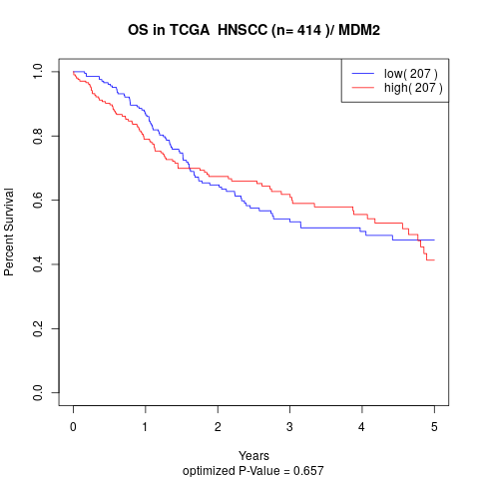

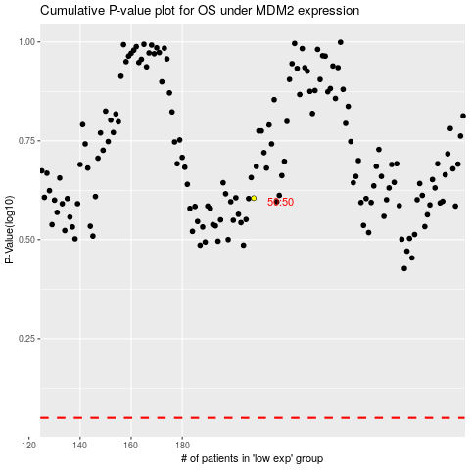

 |  |  |  |  |  | cases_OS | p_OS | rank | exp
 |  |  |  |  |  |  | cases_RFS | p_RFS | rank | exp

