MEAF6 _multivariate
Reported by Tex Li-Hsing Chi. tex@gate.sinica.edu.tw 2019-08-18

Table 2. The clinicopathological features of HNSCC cohort and MEAF6 expression. (Chi square test)
Cutoff at -0.187 (50.0%)
 |  | MEAF6 expression |  | MEAF6 expression |  | (Optimised)
 | Features | Low | (%) | High | (%) | Case no | P-value | Remark | Matthews
Gender | Female | 147 | 35.4 | 159 | 38.3 | 415 | 0.2523 | 0 | 0
2 | Male | 60 | 14.5 | 49 | 11.8
Age at diagnosis | <=65y | 128 | 30.8 | 146 | 35.2 | 415 | 0.0904 | 0 | 0
4 | >65y | 79 | 19 | 62 | 14.9
Clinical T Status | T1+T2 | 80 | 19.3 | 69 | 16.6 | 415 | 0.2891 | 0 | 0
6 | T3+T4 | 127 | 30.6 | 139 | 33.5
Clinical N Status | N0 | 117 | 28.2 | 99 | 23.9 | 415 | 0.0852 | 1 | 0
8 | N1-3 | 90 | 21.7 | 109 | 26.3
Clinical M Status | M0 | 206 | 49.6 | 206 | 49.6 | 415 | 1 | 0 | 0
10 | M1 | 1 | 0.2 | 2 | 0.5
Clinical Stage | Stage I+II | 56 | 13.5 | 46 | 11.1 | 415 | 0.2918 | 0 | 0
12 | Stage III+IV | 151 | 36.4 | 162 | 39
Surgical Margin status | Negative | 161 | 38.8 | 157 | 37.8 | 415 | 0.6429 | 0 | 0
14 | Positive | 46 | 11.1 | 51 | 12.3
Tobacco Exposure | Low | 85 | 20.5 | 76 | 18.3 | 415 | 0.3655 | 0 | 0
16 | High | 122 | 29.4 | 132 | 31.8

Table 3. Univariate/Multivariate Cox's proportional hazards regression analyses on OS time of MEAF6 gene expression in HNSCC

 |  | Univariate |  |  |  | Multivariate
 | Features | HR | CI95%(L) | CI95%(H) | P-value | HR | CI95%(L) | CI95%(H) | P-value
1 | Female | 1 |  |  |  | 1
Gender | Male | 1.157 | 0.843 | 1.587 | 0.367 | 1.202 | 0.86 | 1.681 | 0.282
11 | <=65y | 1 |  |  |  | 1
Age at diagnosis | >65y | 1.329 | 0.99 | 1.784 | 0.058 | 1.373 | 1.008 | 1.87 | 0.044
12 | T1+T2 | 1 |  |  |  | 1
Clinical T Status | T3+T4 | 1.409 | 1.028 | 1.931 | 0.033 | 2.221 | 1.175 | 4.2 | 0.014
13 | N0 | 1 |  |  |  | 1
Clinical N Status | N1-3 | 1.185 | 0.89 | 1.577 | 0.246 | 1.25 | 0.875 | 1.784 | 0.22
14 | M0 | 1 |  |  |  | 1
Clinical M Status | M1 | 4.097 | 1.009 | 16.644 | 0.049 | 9.87 | 2.146 | 45.384 | 0.003
15 | Stage I+II | 1 |  |  |  | 1
Clinical Stage | Stage III+IV | 1.245 | 0.882 | 1.759 | 0.213 | 0.495 | 0.23 | 1.063 | 0.071
16 | Negative | 1 |  |  |  | 1
Surgical Margin status | Positive | 1.591 | 1.155 | 2.191 | 0.004 | 1.682 | 1.217 | 2.325 | 0.002
17 | Low | 1 |  |  |  | 1
Tobacco Exposure | High | 1.364 | 1.008 | 1.844 | 0.044 | 1.466 | 1.063 | 2.022 | 0.02
18 | Low | 1 |  |  |  | 1
RNAseq(z-score) | High | 0.885 | 0.664 | 1.18 | 0.405 | 0.865 | 0.647 | 1.157 | 0.328

Table 4. Univariate/Multivariate Cox's proportional hazards regression analyses on RFS time of MEAF6 gene expression in HNSCC

 |  | Univariate |  |  |  | Multivariate
 | Features | HR | CI95%(L) | CI95%(H) | P-value | HR | CI95%(L) | CI95%(H) | P-value
1 | Female | 1 |  |  |  | 1
Gender | Male | 1.157 | 0.843 | 1.587 | 0.367 | 1.202 | 0.86 | 1.681 | 0.282
11 | <=65y | 1 |  |  |  | 1
Age at diagnosis | >65y | 1.329 | 0.99 | 1.784 | 0.058 | 1.373 | 1.008 | 1.87 | 0.044
12 | T1+T2 | 1 |  |  |  | 1
Clinical T Status | T3+T4 | 1.409 | 1.028 | 1.931 | 0.033 | 2.221 | 1.175 | 4.2 | 0.014
13 | N0 | 1 |  |  |  | 1
Clinical N Status | N1-3 | 1.185 | 0.89 | 1.577 | 0.246 | 1.25 | 0.875 | 1.784 | 0.22
14 | M0 | 1 |  |  |  | 1
Clinical M Status | M1 | 4.097 | 1.009 | 16.644 | 0.049 | 9.87 | 2.146 | 45.384 | 0.003
15 | Stage I+II | 1 |  |  |  | 1
Clinical Stage | Stage III+IV | 1.245 | 0.882 | 1.759 | 0.213 | 0.495 | 0.23 | 1.063 | 0.071
16 | Negative | 1 |  |  |  | 1
Surgical Margin status | Positive | 1.591 | 1.155 | 2.191 | 0.004 | 1.682 | 1.217 | 2.325 | 0.002
17 | Low | 1 |  |  |  | 1
Tobacco Exposure | High | 1.364 | 1.008 | 1.844 | 0.044 | 1.466 | 1.063 | 2.022 | 0.02
18 | Low | 1 |  |  |  | 1
RNAseq(z-score) | High | 0.885 | 0.664 | 1.18 | 0.405 | 0.865 | 0.647 | 1.157 | 0.328

Kaplan-Meier survival estimate: Cutoff at -0.187 (50.0%)



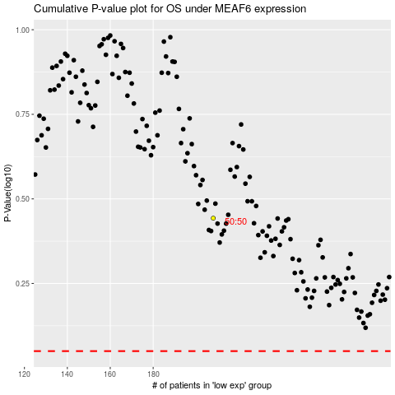

 |  |  |  |  |  | cases_OS | p_OS | rank | exp
 |  |  |  |  |  |  | cases_RFS | p_RFS | rank | exp

