MED12L _multivariate
Reported by Tex Li-Hsing Chi. tex@gate.sinica.edu.tw 2019-08-18

Table 2. The clinicopathological features of HNSCC cohort and MED12L expression. (Chi square test)
Cutoff at -0.246 (49.8%)
 |  | MED12L expression |  | MED12L expression |  | (Optimised)
 | Features | Low | (%) | High | (%) | Case no | P-value | Remark | Matthews
Gender | Female | 144 | 34.7 | 162 | 39 | 415 | 0.0697 | 0 | 0
2 | Male | 63 | 15.2 | 46 | 11.1
Age at diagnosis | <=65y | 139 | 33.5 | 135 | 32.5 | 415 | 0.7044 | 0 | 0
4 | >65y | 68 | 16.4 | 73 | 17.6
Clinical T Status | T1+T2 | 79 | 19 | 70 | 16.9 | 415 | 0.3924 | 0 | 0
6 | T3+T4 | 128 | 30.8 | 138 | 33.3
Clinical N Status | N0 | 104 | 25.1 | 112 | 27 | 415 | 0.5243 | 0 | 0
8 | N1-3 | 103 | 24.8 | 96 | 23.1
Clinical M Status | M0 | 204 | 49.2 | 208 | 50.1 | 415 | 0.1232 | 0 | 0
10 | M1 | 3 | 0.7 | 0 | 0
Clinical Stage | Stage I+II | 55 | 13.3 | 47 | 11.3 | 415 | 0.4087 | 0 | 0
12 | Stage III+IV | 152 | 36.6 | 161 | 38.8
Surgical Margin status | Negative | 158 | 38.1 | 160 | 38.6 | 415 | 0.9081 | 0 | 0
14 | Positive | 49 | 11.8 | 48 | 11.6
Tobacco Exposure | Low | 95 | 22.9 | 66 | 15.9 | 415 | 0.0035 | 1 | 0
16 | High | 112 | 27 | 142 | 34.2

Table 3. Univariate/Multivariate Cox's proportional hazards regression analyses on OS time of MED12L gene expression in HNSCC

 |  | Univariate |  |  |  | Multivariate
 | Features | HR | CI95%(L) | CI95%(H) | P-value | HR | CI95%(L) | CI95%(H) | P-value
1 | Female | 1 |  |  |  | 1
Gender | Male | 1.157 | 0.843 | 1.587 | 0.367 | 1.195 | 0.853 | 1.673 | 0.301
11 | <=65y | 1 |  |  |  | 1
Age at diagnosis | >65y | 1.329 | 0.99 | 1.784 | 0.058 | 1.396 | 1.026 | 1.9 | 0.034
12 | T1+T2 | 1 |  |  |  | 1
Clinical T Status | T3+T4 | 1.409 | 1.028 | 1.931 | 0.033 | 2.198 | 1.162 | 4.157 | 0.015
13 | N0 | 1 |  |  |  | 1
Clinical N Status | N1-3 | 1.185 | 0.89 | 1.577 | 0.246 | 1.232 | 0.861 | 1.764 | 0.254
14 | M0 | 1 |  |  |  | 1
Clinical M Status | M1 | 4.097 | 1.009 | 16.644 | 0.049 | 9.201 | 1.991 | 42.524 | 0.004
15 | Stage I+II | 1 |  |  |  | 1
Clinical Stage | Stage III+IV | 1.245 | 0.882 | 1.759 | 0.213 | 0.509 | 0.236 | 1.094 | 0.084
16 | Negative | 1 |  |  |  | 1
Surgical Margin status | Positive | 1.591 | 1.155 | 2.191 | 0.004 | 1.667 | 1.206 | 2.305 | 0.002
17 | Low | 1 |  |  |  | 1
Tobacco Exposure | High | 1.364 | 1.008 | 1.844 | 0.044 | 1.458 | 1.057 | 2.011 | 0.022
18 | Low | 1 |  |  |  | 1
RNAseq(z-score) | High | 0.938 | 0.703 | 1.253 | 0.666 | 0.959 | 0.71 | 1.296 | 0.786

Table 4. Univariate/Multivariate Cox's proportional hazards regression analyses on RFS time of MED12L gene expression in HNSCC

 |  | Univariate |  |  |  | Multivariate
 | Features | HR | CI95%(L) | CI95%(H) | P-value | HR | CI95%(L) | CI95%(H) | P-value
1 | Female | 1 |  |  |  | 1
Gender | Male | 1.157 | 0.843 | 1.587 | 0.367 | 1.195 | 0.853 | 1.673 | 0.301
11 | <=65y | 1 |  |  |  | 1
Age at diagnosis | >65y | 1.329 | 0.99 | 1.784 | 0.058 | 1.396 | 1.026 | 1.9 | 0.034
12 | T1+T2 | 1 |  |  |  | 1
Clinical T Status | T3+T4 | 1.409 | 1.028 | 1.931 | 0.033 | 2.198 | 1.162 | 4.157 | 0.015
13 | N0 | 1 |  |  |  | 1
Clinical N Status | N1-3 | 1.185 | 0.89 | 1.577 | 0.246 | 1.232 | 0.861 | 1.764 | 0.254
14 | M0 | 1 |  |  |  | 1
Clinical M Status | M1 | 4.097 | 1.009 | 16.644 | 0.049 | 9.201 | 1.991 | 42.524 | 0.004
15 | Stage I+II | 1 |  |  |  | 1
Clinical Stage | Stage III+IV | 1.245 | 0.882 | 1.759 | 0.213 | 0.509 | 0.236 | 1.094 | 0.084
16 | Negative | 1 |  |  |  | 1
Surgical Margin status | Positive | 1.591 | 1.155 | 2.191 | 0.004 | 1.667 | 1.206 | 2.305 | 0.002
17 | Low | 1 |  |  |  | 1
Tobacco Exposure | High | 1.364 | 1.008 | 1.844 | 0.044 | 1.458 | 1.057 | 2.011 | 0.022
18 | Low | 1 |  |  |  | 1
RNAseq(z-score) | High | 0.938 | 0.703 | 1.253 | 0.666 | 0.959 | 0.71 | 1.296 | 0.786

Kaplan-Meier survival estimate: Cutoff at -0.246 (49.8%)



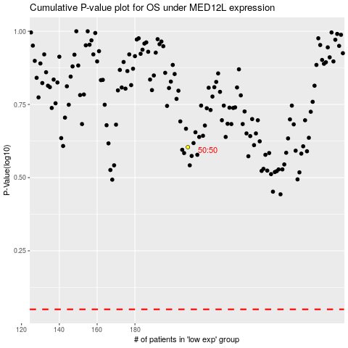

 |  |  |  |  |  | cases_OS | p_OS | rank | exp
 |  |  |  |  |  |  | cases_RFS | p_RFS | rank | exp

