MED13 _multivariate
Reported by Tex Li-Hsing Chi. tex@gate.sinica.edu.tw 2019-08-18

Table 2. The clinicopathological features of HNSCC cohort and MED13 expression. (Chi square test)
Cutoff at 0.027 (49.8%)
 |  | MED13 expression |  | MED13 expression |  | (Optimised)
 | Features | Low | (%) | High | (%) | Case no | P-value | Remark | Matthews
Gender | Female | 150 | 36.1 | 156 | 37.6 | 415 | 0.6344 | 0 | 0
2 | Male | 57 | 13.7 | 52 | 12.5
Age at diagnosis | <=65y | 136 | 32.8 | 138 | 33.3 | 415 | 0.9719 | 0 | 0
4 | >65y | 71 | 17.1 | 70 | 16.9
Clinical T Status | T1+T2 | 80 | 19.3 | 69 | 16.6 | 415 | 0.2891 | 0 | 0
6 | T3+T4 | 127 | 30.6 | 139 | 33.5
Clinical N Status | N0 | 114 | 27.5 | 102 | 24.6 | 415 | 0.2576 | 1 | 0
8 | N1-3 | 93 | 22.4 | 106 | 25.5
Clinical M Status | M0 | 204 | 49.2 | 208 | 50.1 | 415 | 0.1232 | 0 | 0
10 | M1 | 3 | 0.7 | 0 | 0
Clinical Stage | Stage I+II | 56 | 13.5 | 46 | 11.1 | 415 | 0.2918 | 0 | 0
12 | Stage III+IV | 151 | 36.4 | 162 | 39
Surgical Margin status | Negative | 156 | 37.6 | 162 | 39 | 415 | 0.5636 | 0 | 0
14 | Positive | 51 | 12.3 | 46 | 11.1
Tobacco Exposure | Low | 88 | 21.2 | 73 | 17.6 | 415 | 0.1314 | 0 | 0
16 | High | 119 | 28.7 | 135 | 32.5

Table 3. Univariate/Multivariate Cox's proportional hazards regression analyses on OS time of MED13 gene expression in HNSCC

 |  | Univariate |  |  |  | Multivariate
 | Features | HR | CI95%(L) | CI95%(H) | P-value | HR | CI95%(L) | CI95%(H) | P-value
1 | Female | 1 |  |  |  | 1
Gender | Male | 1.157 | 0.843 | 1.587 | 0.367 | 1.221 | 0.872 | 1.708 | 0.245
11 | <=65y | 1 |  |  |  | 1
Age at diagnosis | >65y | 1.329 | 0.99 | 1.784 | 0.058 | 1.387 | 1.02 | 1.886 | 0.037
12 | T1+T2 | 1 |  |  |  | 1
Clinical T Status | T3+T4 | 1.409 | 1.028 | 1.931 | 0.033 | 2.211 | 1.17 | 4.181 | 0.015
13 | N0 | 1 |  |  |  | 1
Clinical N Status | N1-3 | 1.185 | 0.89 | 1.577 | 0.246 | 1.233 | 0.864 | 1.759 | 0.249
14 | M0 | 1 |  |  |  | 1
Clinical M Status | M1 | 4.097 | 1.009 | 16.644 | 0.049 | 10.167 | 2.192 | 47.149 | 0.003
15 | Stage I+II | 1 |  |  |  | 1
Clinical Stage | Stage III+IV | 1.245 | 0.882 | 1.759 | 0.213 | 0.5 | 0.233 | 1.073 | 0.075
16 | Negative | 1 |  |  |  | 1
Surgical Margin status | Positive | 1.591 | 1.155 | 2.191 | 0.004 | 1.695 | 1.224 | 2.346 | 0.001
17 | Low | 1 |  |  |  | 1
Tobacco Exposure | High | 1.364 | 1.008 | 1.844 | 0.044 | 1.456 | 1.057 | 2.006 | 0.022
18 | Low | 1 |  |  |  | 1
RNAseq(z-score) | High | 1.068 | 0.802 | 1.423 | 0.652 | 1.131 | 0.844 | 1.516 | 0.409

Table 4. Univariate/Multivariate Cox's proportional hazards regression analyses on RFS time of MED13 gene expression in HNSCC

 |  | Univariate |  |  |  | Multivariate
 | Features | HR | CI95%(L) | CI95%(H) | P-value | HR | CI95%(L) | CI95%(H) | P-value
1 | Female | 1 |  |  |  | 1
Gender | Male | 1.157 | 0.843 | 1.587 | 0.367 | 1.221 | 0.872 | 1.708 | 0.245
11 | <=65y | 1 |  |  |  | 1
Age at diagnosis | >65y | 1.329 | 0.99 | 1.784 | 0.058 | 1.387 | 1.02 | 1.886 | 0.037
12 | T1+T2 | 1 |  |  |  | 1
Clinical T Status | T3+T4 | 1.409 | 1.028 | 1.931 | 0.033 | 2.211 | 1.17 | 4.181 | 0.015
13 | N0 | 1 |  |  |  | 1
Clinical N Status | N1-3 | 1.185 | 0.89 | 1.577 | 0.246 | 1.233 | 0.864 | 1.759 | 0.249
14 | M0 | 1 |  |  |  | 1
Clinical M Status | M1 | 4.097 | 1.009 | 16.644 | 0.049 | 10.167 | 2.192 | 47.149 | 0.003
15 | Stage I+II | 1 |  |  |  | 1
Clinical Stage | Stage III+IV | 1.245 | 0.882 | 1.759 | 0.213 | 0.5 | 0.233 | 1.073 | 0.075
16 | Negative | 1 |  |  |  | 1
Surgical Margin status | Positive | 1.591 | 1.155 | 2.191 | 0.004 | 1.695 | 1.224 | 2.346 | 0.001
17 | Low | 1 |  |  |  | 1
Tobacco Exposure | High | 1.364 | 1.008 | 1.844 | 0.044 | 1.456 | 1.057 | 2.006 | 0.022
18 | Low | 1 |  |  |  | 1
RNAseq(z-score) | High | 1.068 | 0.802 | 1.423 | 0.652 | 1.131 | 0.844 | 1.516 | 0.409

Kaplan-Meier survival estimate: Cutoff at 0.027 (49.8%)



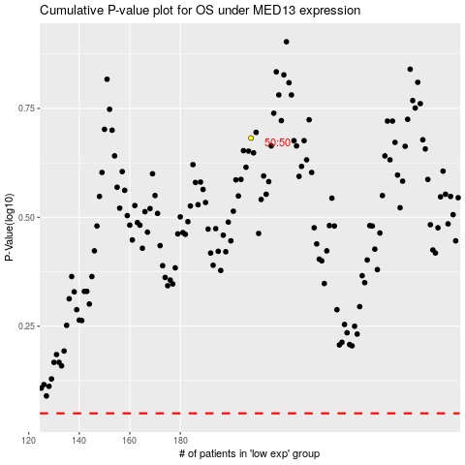

 |  |  |  |  |  | cases_OS | p_OS | rank | exp
 |  |  |  |  |  |  | cases_RFS | p_RFS | rank | exp

