MED13L _multivariate
Reported by Tex Li-Hsing Chi. tex@gate.sinica.edu.tw 2019-08-18

Table 2. The clinicopathological features of HNSCC cohort and MED13L expression. (Chi square test)
Cutoff at -0.493 (31.4%)
 |  | MED13L expression |  | MED13L expression |  | (Optimised)
 | Features | Low | (%) | High | (%) | Case no | P-value | Remark | Matthews
Gender | Female | 101 | 24.3 | 205 | 49.4 | 415 | 0.264 | 0 | 0
2 | Male | 29 | 7 | 80 | 19.3
Age at diagnosis | <=65y | 92 | 22.2 | 182 | 43.9 | 415 | 0.2053 | 0 | 0
4 | >65y | 38 | 9.2 | 103 | 24.8
Clinical T Status | T1+T2 | 43 | 10.4 | 106 | 25.5 | 415 | 0.4837 | 0 | 0
6 | T3+T4 | 87 | 21 | 179 | 43.1
Clinical N Status | N0 | 64 | 15.4 | 152 | 36.6 | 415 | 0.5029 | 0 | 0
8 | N1-3 | 66 | 15.9 | 133 | 32
Clinical M Status | M0 | 128 | 30.8 | 284 | 68.4 | 415 | 0.2323 | 0 | 0
10 | M1 | 2 | 0.5 | 1 | 0.2
Clinical Stage | Stage I+II | 26 | 6.3 | 76 | 18.3 | 415 | 0.1802 | 0 | 0
12 | Stage III+IV | 104 | 25.1 | 209 | 50.4
Surgical Margin status | Negative | 92 | 22.2 | 226 | 54.5 | 415 | 0.0615 | 0 | 0
14 | Positive | 38 | 9.2 | 59 | 14.2
Tobacco Exposure | Low | 47 | 11.3 | 114 | 27.5 | 415 | 0.5149 | 0 | 0
16 | High | 83 | 20 | 171 | 41.2

Table 3. Univariate/Multivariate Cox's proportional hazards regression analyses on OS time of MED13L gene expression in HNSCC

 |  | Univariate |  |  |  | Multivariate
 | Features | HR | CI95%(L) | CI95%(H) | P-value | HR | CI95%(L) | CI95%(H) | P-value
1 | Female | 1 |  |  |  | 1
Gender | Male | 1.157 | 0.843 | 1.587 | 0.367 | 1.191 | 0.852 | 1.666 | 0.307
11 | <=65y | 1 |  |  |  | 1
Age at diagnosis | >65y | 1.329 | 0.99 | 1.784 | 0.058 | 1.419 | 1.043 | 1.931 | 0.026
12 | T1+T2 | 1 |  |  |  | 1
Clinical T Status | T3+T4 | 1.409 | 1.028 | 1.931 | 0.033 | 2.184 | 1.156 | 4.129 | 0.016
13 | N0 | 1 |  |  |  | 1
Clinical N Status | N1-3 | 1.185 | 0.89 | 1.577 | 0.246 | 1.25 | 0.876 | 1.784 | 0.218
14 | M0 | 1 |  |  |  | 1
Clinical M Status | M1 | 4.097 | 1.009 | 16.644 | 0.049 | 8.302 | 1.794 | 38.411 | 0.007
15 | Stage I+II | 1 |  |  |  | 1
Clinical Stage | Stage III+IV | 1.245 | 0.882 | 1.759 | 0.213 | 0.501 | 0.234 | 1.075 | 0.076
16 | Negative | 1 |  |  |  | 1
Surgical Margin status | Positive | 1.591 | 1.155 | 2.191 | 0.004 | 1.611 | 1.161 | 2.234 | 0.004
17 | Low | 1 |  |  |  | 1
Tobacco Exposure | High | 1.364 | 1.008 | 1.844 | 0.044 | 1.443 | 1.047 | 1.988 | 0.025
18 | Low | 1 |  |  |  | 1
RNAseq(z-score) | High | 0.731 | 0.54 | 0.989 | 0.042 | 0.791 | 0.58 | 1.079 | 0.138

Table 4. Univariate/Multivariate Cox's proportional hazards regression analyses on RFS time of MED13L gene expression in HNSCC

 |  | Univariate |  |  |  | Multivariate
 | Features | HR | CI95%(L) | CI95%(H) | P-value | HR | CI95%(L) | CI95%(H) | P-value
1 | Female | 1 |  |  |  | 1
Gender | Male | 1.157 | 0.843 | 1.587 | 0.367 | 1.191 | 0.852 | 1.666 | 0.307
11 | <=65y | 1 |  |  |  | 1
Age at diagnosis | >65y | 1.329 | 0.99 | 1.784 | 0.058 | 1.419 | 1.043 | 1.931 | 0.026
12 | T1+T2 | 1 |  |  |  | 1
Clinical T Status | T3+T4 | 1.409 | 1.028 | 1.931 | 0.033 | 2.184 | 1.156 | 4.129 | 0.016
13 | N0 | 1 |  |  |  | 1
Clinical N Status | N1-3 | 1.185 | 0.89 | 1.577 | 0.246 | 1.25 | 0.876 | 1.784 | 0.218
14 | M0 | 1 |  |  |  | 1
Clinical M Status | M1 | 4.097 | 1.009 | 16.644 | 0.049 | 8.302 | 1.794 | 38.411 | 0.007
15 | Stage I+II | 1 |  |  |  | 1
Clinical Stage | Stage III+IV | 1.245 | 0.882 | 1.759 | 0.213 | 0.501 | 0.234 | 1.075 | 0.076
16 | Negative | 1 |  |  |  | 1
Surgical Margin status | Positive | 1.591 | 1.155 | 2.191 | 0.004 | 1.611 | 1.161 | 2.234 | 0.004
17 | Low | 1 |  |  |  | 1
Tobacco Exposure | High | 1.364 | 1.008 | 1.844 | 0.044 | 1.443 | 1.047 | 1.988 | 0.025
18 | Low | 1 |  |  |  | 1
RNAseq(z-score) | High | 0.731 | 0.54 | 0.989 | 0.042 | 0.791 | 0.58 | 1.079 | 0.138

Kaplan-Meier survival estimate: Cutoff at -0.493 (31.4%)



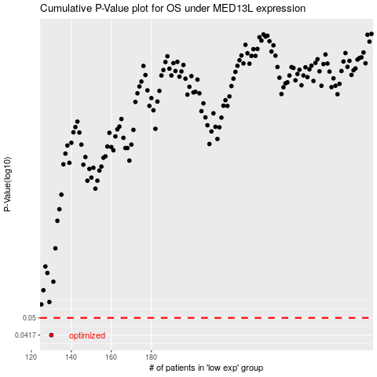

 |  |  |  |  |  | cases_OS | p_OS | rank | exp
 |  |  |  |  |  | 130 | 0.0417 | 177 | -0.49332499997
 |  |  |  |  |  |  | cases_RFS | p_RFS | rank | exp
 |  |  |  |  |  |  | 129 | 0.0417 | 276 | -0.49857680729

