MED14 _multivariate
Reported by Tex Li-Hsing Chi. tex@gate.sinica.edu.tw 2019-08-18

Table 2. The clinicopathological features of HNSCC cohort and MED14 expression. (Chi square test)
Cutoff at -0.08 (50.0%)
 |  | MED14 expression |  | MED14 expression |  | (Optimised)
 | Features | Low | (%) | High | (%) | Case no | P-value | Remark | Matthews
Gender | Female | 169 | 40.7 | 137 | 33 | 415 | 4e-04 | 1 | 0
2 | Male | 38 | 9.2 | 71 | 17.1
Age at diagnosis | <=65y | 145 | 34.9 | 129 | 31.1 | 415 | 0.1046 | 0 | 0
4 | >65y | 62 | 14.9 | 79 | 19
Clinical T Status | T1+T2 | 70 | 16.9 | 79 | 19 | 415 | 0.4343 | 0 | 0
6 | T3+T4 | 137 | 33 | 129 | 31.1
Clinical N Status | N0 | 99 | 23.9 | 117 | 28.2 | 415 | 0.1054 | 0 | 0
8 | N1-3 | 108 | 26 | 91 | 21.9
Clinical M Status | M0 | 204 | 49.2 | 208 | 50.1 | 415 | 0.1232 | 0 | 0
10 | M1 | 3 | 0.7 | 0 | 0
Clinical Stage | Stage I+II | 43 | 10.4 | 59 | 14.2 | 415 | 0.0925 | 0 | 0
12 | Stage III+IV | 164 | 39.5 | 149 | 35.9
Surgical Margin status | Negative | 157 | 37.8 | 161 | 38.8 | 415 | 0.729 | 0 | 0
14 | Positive | 50 | 12 | 47 | 11.3
Tobacco Exposure | Low | 74 | 17.8 | 87 | 21 | 415 | 0.227 | 0 | 0
16 | High | 133 | 32 | 121 | 29.2

Table 3. Univariate/Multivariate Cox's proportional hazards regression analyses on OS time of MED14 gene expression in HNSCC

 |  | Univariate |  |  |  | Multivariate
 | Features | HR | CI95%(L) | CI95%(H) | P-value | HR | CI95%(L) | CI95%(H) | P-value
1 | Female | 1 |  |  |  | 1
Gender | Male | 1.157 | 0.843 | 1.587 | 0.367 | 1.216 | 0.869 | 1.703 | 0.254
11 | <=65y | 1 |  |  |  | 1
Age at diagnosis | >65y | 1.329 | 0.99 | 1.784 | 0.058 | 1.407 | 1.034 | 1.913 | 0.03
12 | T1+T2 | 1 |  |  |  | 1
Clinical T Status | T3+T4 | 1.409 | 1.028 | 1.931 | 0.033 | 2.207 | 1.168 | 4.171 | 0.015
13 | N0 | 1 |  |  |  | 1
Clinical N Status | N1-3 | 1.185 | 0.89 | 1.577 | 0.246 | 1.245 | 0.873 | 1.777 | 0.226
14 | M0 | 1 |  |  |  | 1
Clinical M Status | M1 | 4.097 | 1.009 | 16.644 | 0.049 | 8.893 | 1.931 | 40.96 | 0.005
15 | Stage I+II | 1 |  |  |  | 1
Clinical Stage | Stage III+IV | 1.245 | 0.882 | 1.759 | 0.213 | 0.495 | 0.23 | 1.063 | 0.071
16 | Negative | 1 |  |  |  | 1
Surgical Margin status | Positive | 1.591 | 1.155 | 2.191 | 0.004 | 1.655 | 1.197 | 2.287 | 0.002
17 | Low | 1 |  |  |  | 1
Tobacco Exposure | High | 1.364 | 1.008 | 1.844 | 0.044 | 1.445 | 1.049 | 1.992 | 0.024
18 | Low | 1 |  |  |  | 1
RNAseq(z-score) | High | 0.853 | 0.64 | 1.136 | 0.276 | 0.878 | 0.654 | 1.177 | 0.384

Table 4. Univariate/Multivariate Cox's proportional hazards regression analyses on RFS time of MED14 gene expression in HNSCC

 |  | Univariate |  |  |  | Multivariate
 | Features | HR | CI95%(L) | CI95%(H) | P-value | HR | CI95%(L) | CI95%(H) | P-value
1 | Female | 1 |  |  |  | 1
Gender | Male | 1.157 | 0.843 | 1.587 | 0.367 | 1.216 | 0.869 | 1.703 | 0.254
11 | <=65y | 1 |  |  |  | 1
Age at diagnosis | >65y | 1.329 | 0.99 | 1.784 | 0.058 | 1.407 | 1.034 | 1.913 | 0.03
12 | T1+T2 | 1 |  |  |  | 1
Clinical T Status | T3+T4 | 1.409 | 1.028 | 1.931 | 0.033 | 2.207 | 1.168 | 4.171 | 0.015
13 | N0 | 1 |  |  |  | 1
Clinical N Status | N1-3 | 1.185 | 0.89 | 1.577 | 0.246 | 1.245 | 0.873 | 1.777 | 0.226
14 | M0 | 1 |  |  |  | 1
Clinical M Status | M1 | 4.097 | 1.009 | 16.644 | 0.049 | 8.893 | 1.931 | 40.96 | 0.005
15 | Stage I+II | 1 |  |  |  | 1
Clinical Stage | Stage III+IV | 1.245 | 0.882 | 1.759 | 0.213 | 0.495 | 0.23 | 1.063 | 0.071
16 | Negative | 1 |  |  |  | 1
Surgical Margin status | Positive | 1.591 | 1.155 | 2.191 | 0.004 | 1.655 | 1.197 | 2.287 | 0.002
17 | Low | 1 |  |  |  | 1
Tobacco Exposure | High | 1.364 | 1.008 | 1.844 | 0.044 | 1.445 | 1.049 | 1.992 | 0.024
18 | Low | 1 |  |  |  | 1
RNAseq(z-score) | High | 0.853 | 0.64 | 1.136 | 0.276 | 0.878 | 0.654 | 1.177 | 0.384

Kaplan-Meier survival estimate: Cutoff at -0.08 (50.0%)



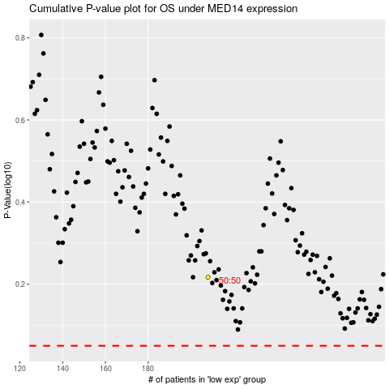

 |  |  |  |  |  | cases_OS | p_OS | rank | exp
 |  |  |  |  |  |  | cases_RFS | p_RFS | rank | exp

