MED16 _multivariate
Reported by Tex Li-Hsing Chi. tex@gate.sinica.edu.tw 2019-08-18

Table 2. The clinicopathological features of HNSCC cohort and MED16 expression. (Chi square test)
Cutoff at 0.135 (69.8%)
 |  | MED16 expression |  | MED16 expression |  | (Optimised)
 | Features | Low | (%) | High | (%) | Case no | P-value | Remark | Matthews
Gender | Female | 210 | 50.6 | 96 | 23.1 | 415 | 0.418 | 0 | 0
2 | Male | 80 | 19.3 | 29 | 7
Age at diagnosis | <=65y | 192 | 46.3 | 82 | 19.8 | 415 | 0.9946 | 0 | 0
4 | >65y | 98 | 23.6 | 43 | 10.4
Clinical T Status | T1+T2 | 101 | 24.3 | 48 | 11.6 | 415 | 0.5589 | 0 | 0
6 | T3+T4 | 189 | 45.5 | 77 | 18.6
Clinical N Status | N0 | 148 | 35.7 | 68 | 16.4 | 415 | 0.6013 | 0 | 0
8 | N1-3 | 142 | 34.2 | 57 | 13.7
Clinical M Status | M0 | 288 | 69.4 | 124 | 29.9 | 415 | 1 | 0 | 0
10 | M1 | 2 | 0.5 | 1 | 0.2
Clinical Stage | Stage I+II | 66 | 15.9 | 36 | 8.7 | 415 | 0.2352 | 0 | 0
12 | Stage III+IV | 224 | 54 | 89 | 21.4
Surgical Margin status | Negative | 221 | 53.3 | 97 | 23.4 | 415 | 0.8014 | 0 | 0
14 | Positive | 69 | 16.6 | 28 | 6.7
Tobacco Exposure | Low | 106 | 25.5 | 55 | 13.3 | 415 | 0.1556 | 0 | 0
16 | High | 184 | 44.3 | 70 | 16.9

Table 3. Univariate/Multivariate Cox's proportional hazards regression analyses on OS time of MED16 gene expression in HNSCC

 |  | Univariate |  |  |  | Multivariate
 | Features | HR | CI95%(L) | CI95%(H) | P-value | HR | CI95%(L) | CI95%(H) | P-value
1 | Female | 1 |  |  |  | 1
Gender | Male | 1.157 | 0.843 | 1.587 | 0.367 | 1.146 | 0.82 | 1.603 | 0.425
11 | <=65y | 1 |  |  |  | 1
Age at diagnosis | >65y | 1.329 | 0.99 | 1.784 | 0.058 | 1.42 | 1.043 | 1.932 | 0.026
12 | T1+T2 | 1 |  |  |  | 1
Clinical T Status | T3+T4 | 1.409 | 1.028 | 1.931 | 0.033 | 2.325 | 1.227 | 4.406 | 0.01
13 | N0 | 1 |  |  |  | 1
Clinical N Status | N1-3 | 1.185 | 0.89 | 1.577 | 0.246 | 1.293 | 0.905 | 1.849 | 0.159
14 | M0 | 1 |  |  |  | 1
Clinical M Status | M1 | 4.097 | 1.009 | 16.644 | 0.049 | 10.075 | 2.195 | 46.247 | 0.003
15 | Stage I+II | 1 |  |  |  | 1
Clinical Stage | Stage III+IV | 1.245 | 0.882 | 1.759 | 0.213 | 0.464 | 0.215 | 1.001 | 0.05
16 | Negative | 1 |  |  |  | 1
Surgical Margin status | Positive | 1.591 | 1.155 | 2.191 | 0.004 | 1.689 | 1.222 | 2.335 | 0.001
17 | Low | 1 |  |  |  | 1
Tobacco Exposure | High | 1.364 | 1.008 | 1.844 | 0.044 | 1.399 | 1.015 | 1.926 | 0.04
18 | Low | 1 |  |  |  | 1
RNAseq(z-score) | High | 0.697 | 0.499 | 0.975 | 0.035 | 0.683 | 0.486 | 0.96 | 0.028

Table 4. Univariate/Multivariate Cox's proportional hazards regression analyses on RFS time of MED16 gene expression in HNSCC

 |  | Univariate |  |  |  | Multivariate
 | Features | HR | CI95%(L) | CI95%(H) | P-value | HR | CI95%(L) | CI95%(H) | P-value
1 | Female | 1 |  |  |  | 1
Gender | Male | 1.157 | 0.843 | 1.587 | 0.367 | 1.146 | 0.82 | 1.603 | 0.425
11 | <=65y | 1 |  |  |  | 1
Age at diagnosis | >65y | 1.329 | 0.99 | 1.784 | 0.058 | 1.42 | 1.043 | 1.932 | 0.026
12 | T1+T2 | 1 |  |  |  | 1
Clinical T Status | T3+T4 | 1.409 | 1.028 | 1.931 | 0.033 | 2.325 | 1.227 | 4.406 | 0.01
13 | N0 | 1 |  |  |  | 1
Clinical N Status | N1-3 | 1.185 | 0.89 | 1.577 | 0.246 | 1.293 | 0.905 | 1.849 | 0.159
14 | M0 | 1 |  |  |  | 1
Clinical M Status | M1 | 4.097 | 1.009 | 16.644 | 0.049 | 10.075 | 2.195 | 46.247 | 0.003
15 | Stage I+II | 1 |  |  |  | 1
Clinical Stage | Stage III+IV | 1.245 | 0.882 | 1.759 | 0.213 | 0.464 | 0.215 | 1.001 | 0.05
16 | Negative | 1 |  |  |  | 1
Surgical Margin status | Positive | 1.591 | 1.155 | 2.191 | 0.004 | 1.689 | 1.222 | 2.335 | 0.001
17 | Low | 1 |  |  |  | 1
Tobacco Exposure | High | 1.364 | 1.008 | 1.844 | 0.044 | 1.399 | 1.015 | 1.926 | 0.04
18 | Low | 1 |  |  |  | 1
RNAseq(z-score) | High | 0.697 | 0.499 | 0.975 | 0.035 | 0.683 | 0.486 | 0.96 | 0.028

Kaplan-Meier survival estimate: Cutoff at 0.135 (69.8%)



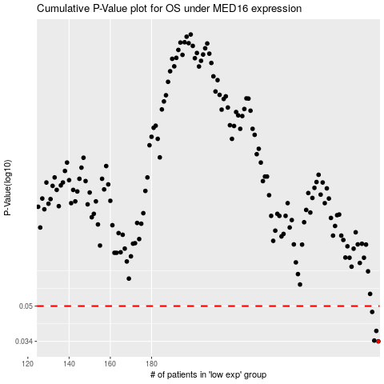

 |  |  |  |  |  | cases_OS | p_OS | rank | exp
 |  |  |  |  |  | 290 | 0.034 | 172 | 0.13465628244
 |  |  |  |  |  | 288 | 0.0343 | 346 | 0.12410416039
 |  |  |  |  |  | 289 | 0.0381 | 72 | 0.13335898937
 |  |  |  |  |  | 287 | 0.0469 | 88 | 0.1170765081
 |  |  |  |  |  |  | cases_RFS | p_RFS | rank | exp
 |  |  |  |  |  |  | 289 | 0.034 | 72 | 0.13335898937
 |  |  |  |  |  |  | 287 | 0.0343 | 88 | 0.1170765081
 |  |  |  |  |  |  | 288 | 0.0381 | 346 | 0.12410416039
 |  |  |  |  |  |  | 286 | 0.0469 | 209 | 0.11073004725

