MED17 _multivariate
Reported by Tex Li-Hsing Chi. tex@gate.sinica.edu.tw 2019-08-18

Table 2. The clinicopathological features of HNSCC cohort and MED17 expression. (Chi square test)
Cutoff at -0.06 (49.8%)
 |  | MED17 expression |  | MED17 expression |  | (Optimised)
 | Features | Low | (%) | High | (%) | Case no | P-value | Remark | Matthews
Gender | Female | 162 | 39 | 144 | 34.7 | 415 | 0.0479 | 1 | 0
2 | Male | 45 | 10.8 | 64 | 15.4
Age at diagnosis | <=65y | 134 | 32.3 | 140 | 33.7 | 415 | 0.6529 | 0 | 0
4 | >65y | 73 | 17.6 | 68 | 16.4
Clinical T Status | T1+T2 | 69 | 16.6 | 80 | 19.3 | 415 | 0.3239 | 0 | 0
6 | T3+T4 | 138 | 33.3 | 128 | 30.8
Clinical N Status | N0 | 96 | 23.1 | 120 | 28.9 | 415 | 0.0272 | 1 | 0
8 | N1-3 | 111 | 26.7 | 88 | 21.2
Clinical M Status | M0 | 205 | 49.4 | 207 | 49.9 | 415 | 0.6232 | 0 | 0
10 | M1 | 2 | 0.5 | 1 | 0.2
Clinical Stage | Stage I+II | 44 | 10.6 | 58 | 14 | 415 | 0.1459 | 0 | 0
12 | Stage III+IV | 163 | 39.3 | 150 | 36.1
Surgical Margin status | Negative | 156 | 37.6 | 162 | 39 | 415 | 0.5636 | 0 | 0
14 | Positive | 51 | 12.3 | 46 | 11.1
Tobacco Exposure | Low | 71 | 17.1 | 90 | 21.7 | 415 | 0.0698 | 0 | 0
16 | High | 136 | 32.8 | 118 | 28.4

Table 3. Univariate/Multivariate Cox's proportional hazards regression analyses on OS time of MED17 gene expression in HNSCC

 |  | Univariate |  |  |  | Multivariate
 | Features | HR | CI95%(L) | CI95%(H) | P-value | HR | CI95%(L) | CI95%(H) | P-value
1 | Female | 1 |  |  |  | 1
Gender | Male | 1.157 | 0.843 | 1.587 | 0.367 | 1.165 | 0.831 | 1.632 | 0.375
11 | <=65y | 1 |  |  |  | 1
Age at diagnosis | >65y | 1.329 | 0.99 | 1.784 | 0.058 | 1.429 | 1.048 | 1.947 | 0.024
12 | T1+T2 | 1 |  |  |  | 1
Clinical T Status | T3+T4 | 1.409 | 1.028 | 1.931 | 0.033 | 2.274 | 1.2 | 4.308 | 0.012
13 | N0 | 1 |  |  |  | 1
Clinical N Status | N1-3 | 1.185 | 0.89 | 1.577 | 0.246 | 1.286 | 0.898 | 1.842 | 0.169
14 | M0 | 1 |  |  |  | 1
Clinical M Status | M1 | 4.097 | 1.009 | 16.644 | 0.049 | 9.656 | 2.104 | 44.312 | 0.004
15 | Stage I+II | 1 |  |  |  | 1
Clinical Stage | Stage III+IV | 1.245 | 0.882 | 1.759 | 0.213 | 0.491 | 0.228 | 1.057 | 0.069
16 | Negative | 1 |  |  |  | 1
Surgical Margin status | Positive | 1.591 | 1.155 | 2.191 | 0.004 | 1.7 | 1.229 | 2.352 | 0.001
17 | Low | 1 |  |  |  | 1
Tobacco Exposure | High | 1.364 | 1.008 | 1.844 | 0.044 | 1.48 | 1.073 | 2.042 | 0.017
18 | Low | 1 |  |  |  | 1
RNAseq(z-score) | High | 1.088 | 0.816 | 1.451 | 0.565 | 1.23 | 0.912 | 1.659 | 0.175

Table 4. Univariate/Multivariate Cox's proportional hazards regression analyses on RFS time of MED17 gene expression in HNSCC

 |  | Univariate |  |  |  | Multivariate
 | Features | HR | CI95%(L) | CI95%(H) | P-value | HR | CI95%(L) | CI95%(H) | P-value
1 | Female | 1 |  |  |  | 1
Gender | Male | 1.157 | 0.843 | 1.587 | 0.367 | 1.165 | 0.831 | 1.632 | 0.375
11 | <=65y | 1 |  |  |  | 1
Age at diagnosis | >65y | 1.329 | 0.99 | 1.784 | 0.058 | 1.429 | 1.048 | 1.947 | 0.024
12 | T1+T2 | 1 |  |  |  | 1
Clinical T Status | T3+T4 | 1.409 | 1.028 | 1.931 | 0.033 | 2.274 | 1.2 | 4.308 | 0.012
13 | N0 | 1 |  |  |  | 1
Clinical N Status | N1-3 | 1.185 | 0.89 | 1.577 | 0.246 | 1.286 | 0.898 | 1.842 | 0.169
14 | M0 | 1 |  |  |  | 1
Clinical M Status | M1 | 4.097 | 1.009 | 16.644 | 0.049 | 9.656 | 2.104 | 44.312 | 0.004
15 | Stage I+II | 1 |  |  |  | 1
Clinical Stage | Stage III+IV | 1.245 | 0.882 | 1.759 | 0.213 | 0.491 | 0.228 | 1.057 | 0.069
16 | Negative | 1 |  |  |  | 1
Surgical Margin status | Positive | 1.591 | 1.155 | 2.191 | 0.004 | 1.7 | 1.229 | 2.352 | 0.001
17 | Low | 1 |  |  |  | 1
Tobacco Exposure | High | 1.364 | 1.008 | 1.844 | 0.044 | 1.48 | 1.073 | 2.042 | 0.017
18 | Low | 1 |  |  |  | 1
RNAseq(z-score) | High | 1.088 | 0.816 | 1.451 | 0.565 | 1.23 | 0.912 | 1.659 | 0.175

Kaplan-Meier survival estimate: Cutoff at -0.06 (49.8%)



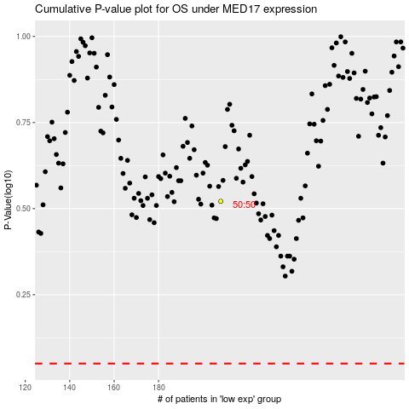

 |  |  |  |  |  | cases_OS | p_OS | rank | exp
 |  |  |  |  |  |  | cases_RFS | p_RFS | rank | exp

