MED20 _multivariate
Reported by Tex Li-Hsing Chi. tex@gate.sinica.edu.tw 2019-08-18

Table 2. The clinicopathological features of HNSCC cohort and MED20 expression. (Chi square test)
Cutoff at -0.184 (49.8%)
 |  | MED20 expression |  | MED20 expression |  | (Optimised)
 | Features | Low | (%) | High | (%) | Case no | P-value | Remark | Matthews
Gender | Female | 147 | 35.4 | 159 | 38.3 | 415 | 0.2523 | 0 | 0
2 | Male | 60 | 14.5 | 49 | 11.8
Age at diagnosis | <=65y | 130 | 31.3 | 144 | 34.7 | 415 | 0.2009 | 0 | 0
4 | >65y | 77 | 18.6 | 64 | 15.4
Clinical T Status | T1+T2 | 68 | 16.4 | 81 | 19.5 | 415 | 0.2336 | 0 | 0
6 | T3+T4 | 139 | 33.5 | 127 | 30.6
Clinical N Status | N0 | 105 | 25.3 | 111 | 26.7 | 415 | 0.6598 | 0 | 0
8 | N1-3 | 102 | 24.6 | 97 | 23.4
Clinical M Status | M0 | 206 | 49.6 | 206 | 49.6 | 415 | 1 | 0 | 0
10 | M1 | 1 | 0.2 | 2 | 0.5
Clinical Stage | Stage I+II | 43 | 10.4 | 59 | 14.2 | 415 | 0.0925 | 0 | 0
12 | Stage III+IV | 164 | 39.5 | 149 | 35.9
Surgical Margin status | Negative | 165 | 39.8 | 153 | 36.9 | 415 | 0.1639 | 0 | 0
14 | Positive | 42 | 10.1 | 55 | 13.3
Tobacco Exposure | Low | 87 | 21 | 74 | 17.8 | 415 | 0.1911 | 0 | 0
16 | High | 120 | 28.9 | 134 | 32.3

Table 3. Univariate/Multivariate Cox's proportional hazards regression analyses on OS time of MED20 gene expression in HNSCC

 |  | Univariate |  |  |  | Multivariate
 | Features | HR | CI95%(L) | CI95%(H) | P-value | HR | CI95%(L) | CI95%(H) | P-value
1 | Female | 1 |  |  |  | 1
Gender | Male | 1.157 | 0.843 | 1.587 | 0.367 | 1.213 | 0.868 | 1.694 | 0.259
11 | <=65y | 1 |  |  |  | 1
Age at diagnosis | >65y | 1.329 | 0.99 | 1.784 | 0.058 | 1.417 | 1.041 | 1.929 | 0.027
12 | T1+T2 | 1 |  |  |  | 1
Clinical T Status | T3+T4 | 1.409 | 1.028 | 1.931 | 0.033 | 2.243 | 1.185 | 4.246 | 0.013
13 | N0 | 1 |  |  |  | 1
Clinical N Status | N1-3 | 1.185 | 0.89 | 1.577 | 0.246 | 1.274 | 0.89 | 1.822 | 0.186
14 | M0 | 1 |  |  |  | 1
Clinical M Status | M1 | 4.097 | 1.009 | 16.644 | 0.049 | 9.048 | 1.97 | 41.558 | 0.005
15 | Stage I+II | 1 |  |  |  | 1
Clinical Stage | Stage III+IV | 1.245 | 0.882 | 1.759 | 0.213 | 0.489 | 0.227 | 1.051 | 0.067
16 | Negative | 1 |  |  |  | 1
Surgical Margin status | Positive | 1.591 | 1.155 | 2.191 | 0.004 | 1.663 | 1.203 | 2.3 | 0.002
17 | Low | 1 |  |  |  | 1
Tobacco Exposure | High | 1.364 | 1.008 | 1.844 | 0.044 | 1.445 | 1.049 | 1.992 | 0.024
18 | Low | 1 |  |  |  | 1
RNAseq(z-score) | High | 1.181 | 0.886 | 1.574 | 0.255 | 1.2 | 0.896 | 1.608 | 0.221

Table 4. Univariate/Multivariate Cox's proportional hazards regression analyses on RFS time of MED20 gene expression in HNSCC

 |  | Univariate |  |  |  | Multivariate
 | Features | HR | CI95%(L) | CI95%(H) | P-value | HR | CI95%(L) | CI95%(H) | P-value
1 | Female | 1 |  |  |  | 1
Gender | Male | 1.157 | 0.843 | 1.587 | 0.367 | 1.213 | 0.868 | 1.694 | 0.259
11 | <=65y | 1 |  |  |  | 1
Age at diagnosis | >65y | 1.329 | 0.99 | 1.784 | 0.058 | 1.417 | 1.041 | 1.929 | 0.027
12 | T1+T2 | 1 |  |  |  | 1
Clinical T Status | T3+T4 | 1.409 | 1.028 | 1.931 | 0.033 | 2.243 | 1.185 | 4.246 | 0.013
13 | N0 | 1 |  |  |  | 1
Clinical N Status | N1-3 | 1.185 | 0.89 | 1.577 | 0.246 | 1.274 | 0.89 | 1.822 | 0.186
14 | M0 | 1 |  |  |  | 1
Clinical M Status | M1 | 4.097 | 1.009 | 16.644 | 0.049 | 9.048 | 1.97 | 41.558 | 0.005
15 | Stage I+II | 1 |  |  |  | 1
Clinical Stage | Stage III+IV | 1.245 | 0.882 | 1.759 | 0.213 | 0.489 | 0.227 | 1.051 | 0.067
16 | Negative | 1 |  |  |  | 1
Surgical Margin status | Positive | 1.591 | 1.155 | 2.191 | 0.004 | 1.663 | 1.203 | 2.3 | 0.002
17 | Low | 1 |  |  |  | 1
Tobacco Exposure | High | 1.364 | 1.008 | 1.844 | 0.044 | 1.445 | 1.049 | 1.992 | 0.024
18 | Low | 1 |  |  |  | 1
RNAseq(z-score) | High | 1.181 | 0.886 | 1.574 | 0.255 | 1.2 | 0.896 | 1.608 | 0.221

Kaplan-Meier survival estimate: Cutoff at -0.184 (49.8%)



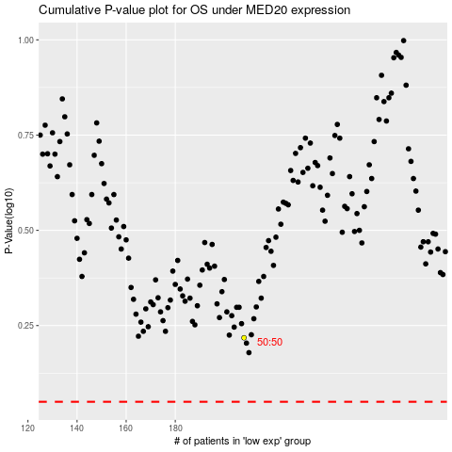

 |  |  |  |  |  | cases_OS | p_OS | rank | exp
 |  |  |  |  |  |  | cases_RFS | p_RFS | rank | exp

