MED30 _multivariate
Reported by Tex Li-Hsing Chi. tex@gate.sinica.edu.tw 2019-08-18

Table 2. The clinicopathological features of HNSCC cohort and MED30 expression. (Chi square test)
Cutoff at -0.13 (49.8%)
 |  | MED30 expression |  | MED30 expression |  | (Optimised)
 | Features | Low | (%) | High | (%) | Case no | P-value | Remark | Matthews
Gender | Female | 144 | 34.7 | 162 | 39 | 415 | 0.0697 | 0 | 0
2 | Male | 63 | 15.2 | 46 | 11.1
Age at diagnosis | <=65y | 124 | 29.9 | 150 | 36.1 | 415 | 0.0116 | 1 | 0
4 | >65y | 83 | 20 | 58 | 14
Clinical T Status | T1+T2 | 87 | 21 | 62 | 14.9 | 415 | 0.0127 | 1 | 0
6 | T3+T4 | 120 | 28.9 | 146 | 35.2
Clinical N Status | N0 | 114 | 27.5 | 102 | 24.6 | 415 | 0.2576 | 1 | 0
8 | N1-3 | 93 | 22.4 | 106 | 25.5
Clinical M Status | M0 | 206 | 49.6 | 206 | 49.6 | 415 | 1 | 0 | 0
10 | M1 | 1 | 0.2 | 2 | 0.5
Clinical Stage | Stage I+II | 61 | 14.7 | 41 | 9.9 | 415 | 0.0282 | 1 | 0
12 | Stage III+IV | 146 | 35.2 | 167 | 40.2
Surgical Margin status | Negative | 167 | 40.2 | 151 | 36.4 | 415 | 0.0632 | 0 | 0
14 | Positive | 40 | 9.6 | 57 | 13.7
Tobacco Exposure | Low | 104 | 25.1 | 57 | 13.7 | 415 | 0 | 1 | 0
16 | High | 103 | 24.8 | 151 | 36.4

Table 3. Univariate/Multivariate Cox's proportional hazards regression analyses on OS time of MED30 gene expression in HNSCC

 |  | Univariate |  |  |  | Multivariate
 | Features | HR | CI95%(L) | CI95%(H) | P-value | HR | CI95%(L) | CI95%(H) | P-value
1 | Female | 1 |  |  |  | 1
Gender | Male | 1.157 | 0.843 | 1.587 | 0.367 | 1.203 | 0.861 | 1.681 | 0.279
11 | <=65y | 1 |  |  |  | 1
Age at diagnosis | >65y | 1.329 | 0.99 | 1.784 | 0.058 | 1.396 | 1.026 | 1.901 | 0.034
12 | T1+T2 | 1 |  |  |  | 1
Clinical T Status | T3+T4 | 1.409 | 1.028 | 1.931 | 0.033 | 2.189 | 1.155 | 4.15 | 0.016
13 | N0 | 1 |  |  |  | 1
Clinical N Status | N1-3 | 1.185 | 0.89 | 1.577 | 0.246 | 1.241 | 0.869 | 1.77 | 0.235
14 | M0 | 1 |  |  |  | 1
Clinical M Status | M1 | 4.097 | 1.009 | 16.644 | 0.049 | 9.326 | 2.03 | 42.84 | 0.004
15 | Stage I+II | 1 |  |  |  | 1
Clinical Stage | Stage III+IV | 1.245 | 0.882 | 1.759 | 0.213 | 0.507 | 0.236 | 1.088 | 0.081
16 | Negative | 1 |  |  |  | 1
Surgical Margin status | Positive | 1.591 | 1.155 | 2.191 | 0.004 | 1.662 | 1.197 | 2.307 | 0.002
17 | Low | 1 |  |  |  | 1
Tobacco Exposure | High | 1.364 | 1.008 | 1.844 | 0.044 | 1.442 | 1.038 | 2.003 | 0.029
18 | Low | 1 |  |  |  | 1
RNAseq(z-score) | High | 1.171 | 0.878 | 1.563 | 0.283 | 1.033 | 0.761 | 1.402 | 0.836

Table 4. Univariate/Multivariate Cox's proportional hazards regression analyses on RFS time of MED30 gene expression in HNSCC

 |  | Univariate |  |  |  | Multivariate
 | Features | HR | CI95%(L) | CI95%(H) | P-value | HR | CI95%(L) | CI95%(H) | P-value
1 | Female | 1 |  |  |  | 1
Gender | Male | 1.157 | 0.843 | 1.587 | 0.367 | 1.203 | 0.861 | 1.681 | 0.279
11 | <=65y | 1 |  |  |  | 1
Age at diagnosis | >65y | 1.329 | 0.99 | 1.784 | 0.058 | 1.396 | 1.026 | 1.901 | 0.034
12 | T1+T2 | 1 |  |  |  | 1
Clinical T Status | T3+T4 | 1.409 | 1.028 | 1.931 | 0.033 | 2.189 | 1.155 | 4.15 | 0.016
13 | N0 | 1 |  |  |  | 1
Clinical N Status | N1-3 | 1.185 | 0.89 | 1.577 | 0.246 | 1.241 | 0.869 | 1.77 | 0.235
14 | M0 | 1 |  |  |  | 1
Clinical M Status | M1 | 4.097 | 1.009 | 16.644 | 0.049 | 9.326 | 2.03 | 42.84 | 0.004
15 | Stage I+II | 1 |  |  |  | 1
Clinical Stage | Stage III+IV | 1.245 | 0.882 | 1.759 | 0.213 | 0.507 | 0.236 | 1.088 | 0.081
16 | Negative | 1 |  |  |  | 1
Surgical Margin status | Positive | 1.591 | 1.155 | 2.191 | 0.004 | 1.662 | 1.197 | 2.307 | 0.002
17 | Low | 1 |  |  |  | 1
Tobacco Exposure | High | 1.364 | 1.008 | 1.844 | 0.044 | 1.442 | 1.038 | 2.003 | 0.029
18 | Low | 1 |  |  |  | 1
RNAseq(z-score) | High | 1.171 | 0.878 | 1.563 | 0.283 | 1.033 | 0.761 | 1.402 | 0.836

Kaplan-Meier survival estimate: Cutoff at -0.13 (49.8%)

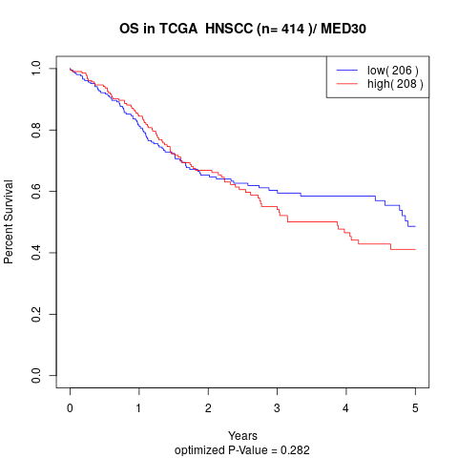

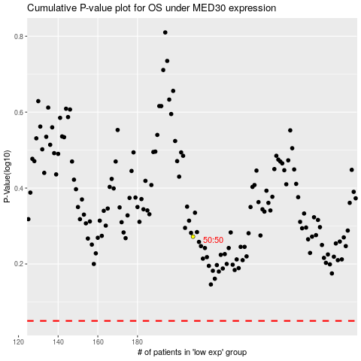

 |  |  |  |  |  | cases_OS | p_OS | rank | exp
 |  |  |  |  |  |  | cases_RFS | p_RFS | rank | exp

