MED7 _multivariate
Reported by Tex Li-Hsing Chi. tex@gate.sinica.edu.tw 2019-08-18

Table 2. The clinicopathological features of HNSCC cohort and MED7 expression. (Chi square test)
Cutoff at -0.297 (49.8%)
 |  | MED7 expression |  | MED7 expression |  | (Optimised)
 | Features | Low | (%) | High | (%) | Case no | P-value | Remark | Matthews
Gender | Female | 158 | 38.1 | 148 | 35.7 | 415 | 0.2774 | 0 | 0
2 | Male | 49 | 11.8 | 60 | 14.5
Age at diagnosis | <=65y | 141 | 34 | 133 | 32 | 415 | 0.4272 | 0 | 0
4 | >65y | 66 | 15.9 | 75 | 18.1
Clinical T Status | T1+T2 | 63 | 15.2 | 86 | 20.7 | 415 | 0.0268 | 1 | 0
6 | T3+T4 | 144 | 34.7 | 122 | 29.4
Clinical N Status | N0 | 106 | 25.5 | 110 | 26.5 | 415 | 0.8075 | 0 | 0
8 | N1-3 | 101 | 24.3 | 98 | 23.6
Clinical M Status | M0 | 207 | 49.9 | 205 | 49.4 | 415 | 0.2482 | 0 | 0
10 | M1 | 0 | 0 | 3 | 0.7
Clinical Stage | Stage I+II | 47 | 11.3 | 55 | 13.3 | 415 | 0.4413 | 0 | 0
12 | Stage III+IV | 160 | 38.6 | 153 | 36.9
Surgical Margin status | Negative | 173 | 41.7 | 145 | 34.9 | 415 | 0.0011 | 1 | 0
14 | Positive | 34 | 8.2 | 63 | 15.2
Tobacco Exposure | Low | 69 | 16.6 | 92 | 22.2 | 415 | 0.0266 | 1 | 0
16 | High | 138 | 33.3 | 116 | 28

Table 3. Univariate/Multivariate Cox's proportional hazards regression analyses on OS time of MED7 gene expression in HNSCC

 |  | Univariate |  |  |  | Multivariate
 | Features | HR | CI95%(L) | CI95%(H) | P-value | HR | CI95%(L) | CI95%(H) | P-value
1 | Female | 1 |  |  |  | 1
Gender | Male | 1.157 | 0.843 | 1.587 | 0.367 | 1.19 | 0.85 | 1.666 | 0.31
11 | <=65y | 1 |  |  |  | 1
Age at diagnosis | >65y | 1.329 | 0.99 | 1.784 | 0.058 | 1.39 | 1.023 | 1.89 | 0.035
12 | T1+T2 | 1 |  |  |  | 1
Clinical T Status | T3+T4 | 1.409 | 1.028 | 1.931 | 0.033 | 2.245 | 1.184 | 4.259 | 0.013
13 | N0 | 1 |  |  |  | 1
Clinical N Status | N1-3 | 1.185 | 0.89 | 1.577 | 0.246 | 1.247 | 0.874 | 1.779 | 0.224
14 | M0 | 1 |  |  |  | 1
Clinical M Status | M1 | 4.097 | 1.009 | 16.644 | 0.049 | 9.084 | 1.973 | 41.819 | 0.005
15 | Stage I+II | 1 |  |  |  | 1
Clinical Stage | Stage III+IV | 1.245 | 0.882 | 1.759 | 0.213 | 0.499 | 0.232 | 1.072 | 0.075
16 | Negative | 1 |  |  |  | 1
Surgical Margin status | Positive | 1.591 | 1.155 | 2.191 | 0.004 | 1.641 | 1.181 | 2.28 | 0.003
17 | Low | 1 |  |  |  | 1
Tobacco Exposure | High | 1.364 | 1.008 | 1.844 | 0.044 | 1.47 | 1.064 | 2.032 | 0.02
18 | Low | 1 |  |  |  | 1
RNAseq(z-score) | High | 1.091 | 0.819 | 1.454 | 0.55 | 1.095 | 0.809 | 1.483 | 0.557

Table 4. Univariate/Multivariate Cox's proportional hazards regression analyses on RFS time of MED7 gene expression in HNSCC

 |  | Univariate |  |  |  | Multivariate
 | Features | HR | CI95%(L) | CI95%(H) | P-value | HR | CI95%(L) | CI95%(H) | P-value
1 | Female | 1 |  |  |  | 1
Gender | Male | 1.157 | 0.843 | 1.587 | 0.367 | 1.19 | 0.85 | 1.666 | 0.31
11 | <=65y | 1 |  |  |  | 1
Age at diagnosis | >65y | 1.329 | 0.99 | 1.784 | 0.058 | 1.39 | 1.023 | 1.89 | 0.035
12 | T1+T2 | 1 |  |  |  | 1
Clinical T Status | T3+T4 | 1.409 | 1.028 | 1.931 | 0.033 | 2.245 | 1.184 | 4.259 | 0.013
13 | N0 | 1 |  |  |  | 1
Clinical N Status | N1-3 | 1.185 | 0.89 | 1.577 | 0.246 | 1.247 | 0.874 | 1.779 | 0.224
14 | M0 | 1 |  |  |  | 1
Clinical M Status | M1 | 4.097 | 1.009 | 16.644 | 0.049 | 9.084 | 1.973 | 41.819 | 0.005
15 | Stage I+II | 1 |  |  |  | 1
Clinical Stage | Stage III+IV | 1.245 | 0.882 | 1.759 | 0.213 | 0.499 | 0.232 | 1.072 | 0.075
16 | Negative | 1 |  |  |  | 1
Surgical Margin status | Positive | 1.591 | 1.155 | 2.191 | 0.004 | 1.641 | 1.181 | 2.28 | 0.003
17 | Low | 1 |  |  |  | 1
Tobacco Exposure | High | 1.364 | 1.008 | 1.844 | 0.044 | 1.47 | 1.064 | 2.032 | 0.02
18 | Low | 1 |  |  |  | 1
RNAseq(z-score) | High | 1.091 | 0.819 | 1.454 | 0.55 | 1.095 | 0.809 | 1.483 | 0.557

Kaplan-Meier survival estimate: Cutoff at -0.297 (49.8%)



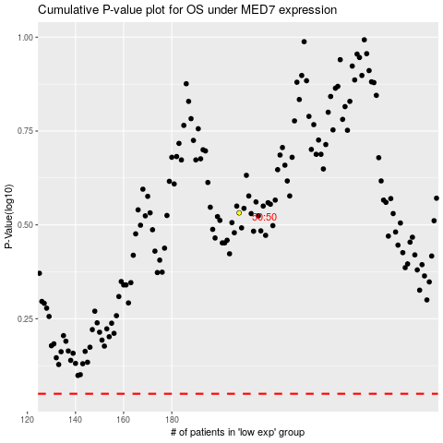

 |  |  |  |  |  | cases_OS | p_OS | rank | exp
 |  |  |  |  |  |  | cases_RFS | p_RFS | rank | exp

