MED9 _multivariate
Reported by Tex Li-Hsing Chi. tex@gate.sinica.edu.tw 2019-08-18

Table 2. The clinicopathological features of HNSCC cohort and MED9 expression. (Chi square test)
Cutoff at -0.197 (49.8%)
 |  | MED9 expression |  | MED9 expression |  | (Optimised)
 | Features | Low | (%) | High | (%) | Case no | P-value | Remark | Matthews
Gender | Female | 140 | 33.7 | 166 | 40 | 415 | 0.0068 | 1 | 0
2 | Male | 67 | 16.1 | 42 | 10.1
Age at diagnosis | <=65y | 129 | 31.1 | 145 | 34.9 | 415 | 0.1372 | 0 | 0
4 | >65y | 78 | 18.8 | 63 | 15.2
Clinical T Status | T1+T2 | 78 | 18.8 | 71 | 17.1 | 415 | 0.5152 | 0 | 0
6 | T3+T4 | 129 | 31.1 | 137 | 33
Clinical N Status | N0 | 114 | 27.5 | 102 | 24.6 | 415 | 0.2576 | 1 | 0
8 | N1-3 | 93 | 22.4 | 106 | 25.5
Clinical M Status | M0 | 206 | 49.6 | 206 | 49.6 | 415 | 1 | 0 | 0
10 | M1 | 1 | 0.2 | 2 | 0.5
Clinical Stage | Stage I+II | 60 | 14.5 | 42 | 10.1 | 415 | 0.0493 | 1 | 0
12 | Stage III+IV | 147 | 35.4 | 166 | 40
Surgical Margin status | Negative | 162 | 39 | 156 | 37.6 | 415 | 0.4867 | 0 | 0
14 | Positive | 45 | 10.8 | 52 | 12.5
Tobacco Exposure | Low | 88 | 21.2 | 73 | 17.6 | 415 | 0.1314 | 0 | 0
16 | High | 119 | 28.7 | 135 | 32.5

Table 3. Univariate/Multivariate Cox's proportional hazards regression analyses on OS time of MED9 gene expression in HNSCC

 |  | Univariate |  |  |  | Multivariate
 | Features | HR | CI95%(L) | CI95%(H) | P-value | HR | CI95%(L) | CI95%(H) | P-value
1 | Female | 1 |  |  |  | 1
Gender | Male | 1.157 | 0.843 | 1.587 | 0.367 | 1.169 | 0.834 | 1.64 | 0.365
11 | <=65y | 1 |  |  |  | 1
Age at diagnosis | >65y | 1.329 | 0.99 | 1.784 | 0.058 | 1.381 | 1.015 | 1.878 | 0.04
12 | T1+T2 | 1 |  |  |  | 1
Clinical T Status | T3+T4 | 1.409 | 1.028 | 1.931 | 0.033 | 2.181 | 1.153 | 4.123 | 0.016
13 | N0 | 1 |  |  |  | 1
Clinical N Status | N1-3 | 1.185 | 0.89 | 1.577 | 0.246 | 1.244 | 0.872 | 1.774 | 0.229
14 | M0 | 1 |  |  |  | 1
Clinical M Status | M1 | 4.097 | 1.009 | 16.644 | 0.049 | 9.593 | 2.092 | 43.984 | 0.004
15 | Stage I+II | 1 |  |  |  | 1
Clinical Stage | Stage III+IV | 1.245 | 0.882 | 1.759 | 0.213 | 0.523 | 0.243 | 1.125 | 0.097
16 | Negative | 1 |  |  |  | 1
Surgical Margin status | Positive | 1.591 | 1.155 | 2.191 | 0.004 | 1.668 | 1.207 | 2.304 | 0.002
17 | Low | 1 |  |  |  | 1
Tobacco Exposure | High | 1.364 | 1.008 | 1.844 | 0.044 | 1.451 | 1.054 | 1.999 | 0.023
18 | Low | 1 |  |  |  | 1
RNAseq(z-score) | High | 0.864 | 0.648 | 1.152 | 0.32 | 0.86 | 0.639 | 1.158 | 0.321

Table 4. Univariate/Multivariate Cox's proportional hazards regression analyses on RFS time of MED9 gene expression in HNSCC

 |  | Univariate |  |  |  | Multivariate
 | Features | HR | CI95%(L) | CI95%(H) | P-value | HR | CI95%(L) | CI95%(H) | P-value
1 | Female | 1 |  |  |  | 1
Gender | Male | 1.157 | 0.843 | 1.587 | 0.367 | 1.169 | 0.834 | 1.64 | 0.365
11 | <=65y | 1 |  |  |  | 1
Age at diagnosis | >65y | 1.329 | 0.99 | 1.784 | 0.058 | 1.381 | 1.015 | 1.878 | 0.04
12 | T1+T2 | 1 |  |  |  | 1
Clinical T Status | T3+T4 | 1.409 | 1.028 | 1.931 | 0.033 | 2.181 | 1.153 | 4.123 | 0.016
13 | N0 | 1 |  |  |  | 1
Clinical N Status | N1-3 | 1.185 | 0.89 | 1.577 | 0.246 | 1.244 | 0.872 | 1.774 | 0.229
14 | M0 | 1 |  |  |  | 1
Clinical M Status | M1 | 4.097 | 1.009 | 16.644 | 0.049 | 9.593 | 2.092 | 43.984 | 0.004
15 | Stage I+II | 1 |  |  |  | 1
Clinical Stage | Stage III+IV | 1.245 | 0.882 | 1.759 | 0.213 | 0.523 | 0.243 | 1.125 | 0.097
16 | Negative | 1 |  |  |  | 1
Surgical Margin status | Positive | 1.591 | 1.155 | 2.191 | 0.004 | 1.668 | 1.207 | 2.304 | 0.002
17 | Low | 1 |  |  |  | 1
Tobacco Exposure | High | 1.364 | 1.008 | 1.844 | 0.044 | 1.451 | 1.054 | 1.999 | 0.023
18 | Low | 1 |  |  |  | 1
RNAseq(z-score) | High | 0.864 | 0.648 | 1.152 | 0.32 | 0.86 | 0.639 | 1.158 | 0.321

Kaplan-Meier survival estimate: Cutoff at -0.197 (49.8%)



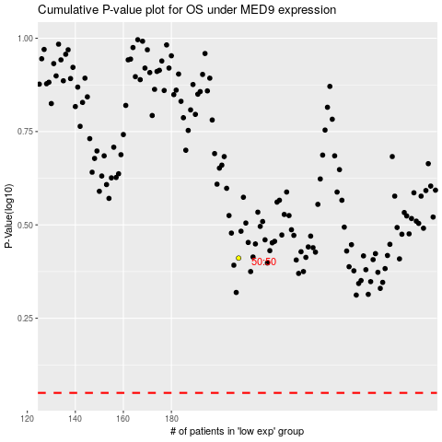

 |  |  |  |  |  | cases_OS | p_OS | rank | exp
 |  |  |  |  |  |  | cases_RFS | p_RFS | rank | exp

