MEF2C _multivariate
Reported by Tex Li-Hsing Chi. tex@gate.sinica.edu.tw 2019-08-18

Table 2. The clinicopathological features of HNSCC cohort and MEF2C expression. (Chi square test)
Cutoff at -0.298 (50.0%)
 |  | MEF2C expression |  | MEF2C expression |  | (Optimised)
 | Features | Low | (%) | High | (%) | Case no | P-value | Remark | Matthews
Gender | Female | 160 | 38.6 | 146 | 35.2 | 415 | 0.1254 | 0 | 0
2 | Male | 47 | 11.3 | 62 | 14.9
Age at diagnosis | <=65y | 128 | 30.8 | 146 | 35.2 | 415 | 0.0904 | 0 | 0
4 | >65y | 79 | 19 | 62 | 14.9
Clinical T Status | T1+T2 | 62 | 14.9 | 87 | 21 | 415 | 0.0156 | 1 | 0
6 | T3+T4 | 145 | 34.9 | 121 | 29.2
Clinical N Status | N0 | 113 | 27.2 | 103 | 24.8 | 415 | 0.3495 | 1 | 0
8 | N1-3 | 94 | 22.7 | 105 | 25.3
Clinical M Status | M0 | 204 | 49.2 | 208 | 50.1 | 415 | 0.1232 | 0 | 0
10 | M1 | 3 | 0.7 | 0 | 0
Clinical Stage | Stage I+II | 42 | 10.1 | 60 | 14.5 | 415 | 0.0561 | 0 | 0
12 | Stage III+IV | 165 | 39.8 | 148 | 35.7
Surgical Margin status | Negative | 158 | 38.1 | 160 | 38.6 | 415 | 0.9081 | 0 | 0
14 | Positive | 49 | 11.8 | 48 | 11.6
Tobacco Exposure | Low | 75 | 18.1 | 86 | 20.7 | 415 | 0.3141 | 0 | 0
16 | High | 132 | 31.8 | 122 | 29.4

Table 3. Univariate/Multivariate Cox's proportional hazards regression analyses on OS time of MEF2C gene expression in HNSCC

 |  | Univariate |  |  |  | Multivariate
 | Features | HR | CI95%(L) | CI95%(H) | P-value | HR | CI95%(L) | CI95%(H) | P-value
1 | Female | 1 |  |  |  | 1
Gender | Male | 1.157 | 0.843 | 1.587 | 0.367 | 1.188 | 0.851 | 1.659 | 0.312
11 | <=65y | 1 |  |  |  | 1
Age at diagnosis | >65y | 1.329 | 0.99 | 1.784 | 0.058 | 1.43 | 1.049 | 1.951 | 0.024
12 | T1+T2 | 1 |  |  |  | 1
Clinical T Status | T3+T4 | 1.409 | 1.028 | 1.931 | 0.033 | 2.24 | 1.184 | 4.24 | 0.013
13 | N0 | 1 |  |  |  | 1
Clinical N Status | N1-3 | 1.185 | 0.89 | 1.577 | 0.246 | 1.221 | 0.855 | 1.745 | 0.272
14 | M0 | 1 |  |  |  | 1
Clinical M Status | M1 | 4.097 | 1.009 | 16.644 | 0.049 | 10.605 | 2.288 | 49.143 | 0.003
15 | Stage I+II | 1 |  |  |  | 1
Clinical Stage | Stage III+IV | 1.245 | 0.882 | 1.759 | 0.213 | 0.512 | 0.238 | 1.101 | 0.087
16 | Negative | 1 |  |  |  | 1
Surgical Margin status | Positive | 1.591 | 1.155 | 2.191 | 0.004 | 1.665 | 1.205 | 2.3 | 0.002
17 | Low | 1 |  |  |  | 1
Tobacco Exposure | High | 1.364 | 1.008 | 1.844 | 0.044 | 1.46 | 1.06 | 2.011 | 0.02
18 | Low | 1 |  |  |  | 1
RNAseq(z-score) | High | 1.124 | 0.843 | 1.497 | 0.426 | 1.223 | 0.911 | 1.641 | 0.181

Table 4. Univariate/Multivariate Cox's proportional hazards regression analyses on RFS time of MEF2C gene expression in HNSCC

 |  | Univariate |  |  |  | Multivariate
 | Features | HR | CI95%(L) | CI95%(H) | P-value | HR | CI95%(L) | CI95%(H) | P-value
1 | Female | 1 |  |  |  | 1
Gender | Male | 1.157 | 0.843 | 1.587 | 0.367 | 1.188 | 0.851 | 1.659 | 0.312
11 | <=65y | 1 |  |  |  | 1
Age at diagnosis | >65y | 1.329 | 0.99 | 1.784 | 0.058 | 1.43 | 1.049 | 1.951 | 0.024
12 | T1+T2 | 1 |  |  |  | 1
Clinical T Status | T3+T4 | 1.409 | 1.028 | 1.931 | 0.033 | 2.24 | 1.184 | 4.24 | 0.013
13 | N0 | 1 |  |  |  | 1
Clinical N Status | N1-3 | 1.185 | 0.89 | 1.577 | 0.246 | 1.221 | 0.855 | 1.745 | 0.272
14 | M0 | 1 |  |  |  | 1
Clinical M Status | M1 | 4.097 | 1.009 | 16.644 | 0.049 | 10.605 | 2.288 | 49.143 | 0.003
15 | Stage I+II | 1 |  |  |  | 1
Clinical Stage | Stage III+IV | 1.245 | 0.882 | 1.759 | 0.213 | 0.512 | 0.238 | 1.101 | 0.087
16 | Negative | 1 |  |  |  | 1
Surgical Margin status | Positive | 1.591 | 1.155 | 2.191 | 0.004 | 1.665 | 1.205 | 2.3 | 0.002
17 | Low | 1 |  |  |  | 1
Tobacco Exposure | High | 1.364 | 1.008 | 1.844 | 0.044 | 1.46 | 1.06 | 2.011 | 0.02
18 | Low | 1 |  |  |  | 1
RNAseq(z-score) | High | 1.124 | 0.843 | 1.497 | 0.426 | 1.223 | 0.911 | 1.641 | 0.181

Kaplan-Meier survival estimate: Cutoff at -0.298 (50.0%)



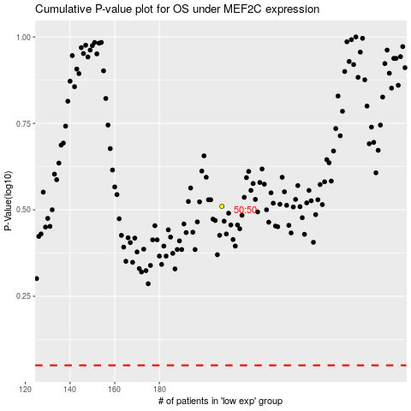

 |  |  |  |  |  | cases_OS | p_OS | rank | exp
 |  |  |  |  |  |  | cases_RFS | p_RFS | rank | exp

