MEGF8 _multivariate
Reported by Tex Li-Hsing Chi. tex@gate.sinica.edu.tw 2019-08-18

Table 2. The clinicopathological features of HNSCC cohort and MEGF8 expression. (Chi square test)
Cutoff at -0.271 (49.8%)
 |  | MEGF8 expression |  | MEGF8 expression |  | (Optimised)
 | Features | Low | (%) | High | (%) | Case no | P-value | Remark | Matthews
Gender | Female | 152 | 36.6 | 154 | 37.1 | 415 | 0.9766 | 0 | 0
2 | Male | 55 | 13.3 | 54 | 13
Age at diagnosis | <=65y | 134 | 32.3 | 140 | 33.7 | 415 | 0.6529 | 0 | 0
4 | >65y | 73 | 17.6 | 68 | 16.4
Clinical T Status | T1+T2 | 64 | 15.4 | 85 | 20.5 | 415 | 0.0445 | 1 | 0
6 | T3+T4 | 143 | 34.5 | 123 | 29.6
Clinical N Status | N0 | 106 | 25.5 | 110 | 26.5 | 415 | 0.8075 | 0 | 0
8 | N1-3 | 101 | 24.3 | 98 | 23.6
Clinical M Status | M0 | 204 | 49.2 | 208 | 50.1 | 415 | 0.1232 | 0 | 0
10 | M1 | 3 | 0.7 | 0 | 0
Clinical Stage | Stage I+II | 43 | 10.4 | 59 | 14.2 | 415 | 0.0925 | 0 | 0
12 | Stage III+IV | 164 | 39.5 | 149 | 35.9
Surgical Margin status | Negative | 159 | 38.3 | 159 | 38.3 | 415 | 1 | 0 | 0
14 | Positive | 48 | 11.6 | 49 | 11.8
Tobacco Exposure | Low | 77 | 18.6 | 84 | 20.2 | 415 | 0.5459 | 0 | 0
16 | High | 130 | 31.3 | 124 | 29.9

Table 3. Univariate/Multivariate Cox's proportional hazards regression analyses on OS time of MEGF8 gene expression in HNSCC

 |  | Univariate |  |  |  | Multivariate
 | Features | HR | CI95%(L) | CI95%(H) | P-value | HR | CI95%(L) | CI95%(H) | P-value
1 | Female | 1 |  |  |  | 1
Gender | Male | 1.157 | 0.843 | 1.587 | 0.367 | 1.205 | 0.862 | 1.685 | 0.275
11 | <=65y | 1 |  |  |  | 1
Age at diagnosis | >65y | 1.329 | 0.99 | 1.784 | 0.058 | 1.393 | 1.024 | 1.894 | 0.035
12 | T1+T2 | 1 |  |  |  | 1
Clinical T Status | T3+T4 | 1.409 | 1.028 | 1.931 | 0.033 | 2.211 | 1.169 | 4.183 | 0.015
13 | N0 | 1 |  |  |  | 1
Clinical N Status | N1-3 | 1.185 | 0.89 | 1.577 | 0.246 | 1.233 | 0.863 | 1.76 | 0.25
14 | M0 | 1 |  |  |  | 1
Clinical M Status | M1 | 4.097 | 1.009 | 16.644 | 0.049 | 9.875 | 2.134 | 45.7 | 0.003
15 | Stage I+II | 1 |  |  |  | 1
Clinical Stage | Stage III+IV | 1.245 | 0.882 | 1.759 | 0.213 | 0.507 | 0.236 | 1.089 | 0.082
16 | Negative | 1 |  |  |  | 1
Surgical Margin status | Positive | 1.591 | 1.155 | 2.191 | 0.004 | 1.68 | 1.215 | 2.322 | 0.002
17 | Low | 1 |  |  |  | 1
Tobacco Exposure | High | 1.364 | 1.008 | 1.844 | 0.044 | 1.453 | 1.055 | 2.003 | 0.022
18 | Low | 1 |  |  |  | 1
RNAseq(z-score) | High | 1.031 | 0.773 | 1.375 | 0.836 | 1.088 | 0.813 | 1.456 | 0.571

Table 4. Univariate/Multivariate Cox's proportional hazards regression analyses on RFS time of MEGF8 gene expression in HNSCC

 |  | Univariate |  |  |  | Multivariate
 | Features | HR | CI95%(L) | CI95%(H) | P-value | HR | CI95%(L) | CI95%(H) | P-value
1 | Female | 1 |  |  |  | 1
Gender | Male | 1.157 | 0.843 | 1.587 | 0.367 | 1.205 | 0.862 | 1.685 | 0.275
11 | <=65y | 1 |  |  |  | 1
Age at diagnosis | >65y | 1.329 | 0.99 | 1.784 | 0.058 | 1.393 | 1.024 | 1.894 | 0.035
12 | T1+T2 | 1 |  |  |  | 1
Clinical T Status | T3+T4 | 1.409 | 1.028 | 1.931 | 0.033 | 2.211 | 1.169 | 4.183 | 0.015
13 | N0 | 1 |  |  |  | 1
Clinical N Status | N1-3 | 1.185 | 0.89 | 1.577 | 0.246 | 1.233 | 0.863 | 1.76 | 0.25
14 | M0 | 1 |  |  |  | 1
Clinical M Status | M1 | 4.097 | 1.009 | 16.644 | 0.049 | 9.875 | 2.134 | 45.7 | 0.003
15 | Stage I+II | 1 |  |  |  | 1
Clinical Stage | Stage III+IV | 1.245 | 0.882 | 1.759 | 0.213 | 0.507 | 0.236 | 1.089 | 0.082
16 | Negative | 1 |  |  |  | 1
Surgical Margin status | Positive | 1.591 | 1.155 | 2.191 | 0.004 | 1.68 | 1.215 | 2.322 | 0.002
17 | Low | 1 |  |  |  | 1
Tobacco Exposure | High | 1.364 | 1.008 | 1.844 | 0.044 | 1.453 | 1.055 | 2.003 | 0.022
18 | Low | 1 |  |  |  | 1
RNAseq(z-score) | High | 1.031 | 0.773 | 1.375 | 0.836 | 1.088 | 0.813 | 1.456 | 0.571

Kaplan-Meier survival estimate: Cutoff at -0.271 (49.8%)



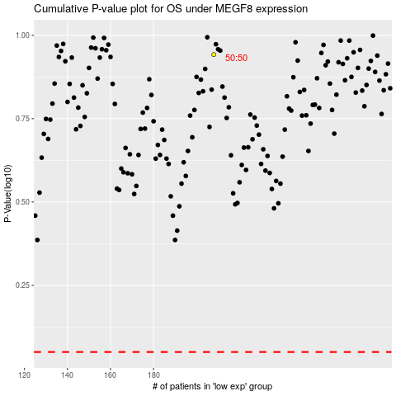

 |  |  |  |  |  | cases_OS | p_OS | rank | exp
 |  |  |  |  |  |  | cases_RFS | p_RFS | rank | exp

