MEIS3 _multivariate
Reported by Tex Li-Hsing Chi. tex@gate.sinica.edu.tw 2019-08-18

Table 2. The clinicopathological features of HNSCC cohort and MEIS3 expression. (Chi square test)
Cutoff at -0.256 (49.8%)
 |  | MEIS3 expression |  | MEIS3 expression |  | (Optimised)
 | Features | Low | (%) | High | (%) | Case no | P-value | Remark | Matthews
Gender | Female | 151 | 36.4 | 155 | 37.3 | 415 | 0.8007 | 0 | 0
2 | Male | 56 | 13.5 | 53 | 12.8
Age at diagnosis | <=65y | 142 | 34.2 | 132 | 31.8 | 415 | 0.3167 | 0 | 0
4 | >65y | 65 | 15.7 | 76 | 18.3
Clinical T Status | T1+T2 | 86 | 20.7 | 63 | 15.2 | 415 | 0.0221 | 1 | 0
6 | T3+T4 | 121 | 29.2 | 145 | 34.9
Clinical N Status | N0 | 111 | 26.7 | 105 | 25.3 | 415 | 0.5875 | 0 | 0
8 | N1-3 | 96 | 23.1 | 103 | 24.8
Clinical M Status | M0 | 204 | 49.2 | 208 | 50.1 | 415 | 0.1232 | 0 | 0
10 | M1 | 3 | 0.7 | 0 | 0
Clinical Stage | Stage I+II | 56 | 13.5 | 46 | 11.1 | 415 | 0.2918 | 0 | 0
12 | Stage III+IV | 151 | 36.4 | 162 | 39
Surgical Margin status | Negative | 155 | 37.3 | 163 | 39.3 | 415 | 0.4187 | 0 | 0
14 | Positive | 52 | 12.5 | 45 | 10.8
Tobacco Exposure | Low | 91 | 21.9 | 70 | 16.9 | 415 | 0.0346 | 1 | 0
16 | High | 116 | 28 | 138 | 33.3

Table 3. Univariate/Multivariate Cox's proportional hazards regression analyses on OS time of MEIS3 gene expression in HNSCC

 |  | Univariate |  |  |  | Multivariate
 | Features | HR | CI95%(L) | CI95%(H) | P-value | HR | CI95%(L) | CI95%(H) | P-value
1 | Female | 1 |  |  |  | 1
Gender | Male | 1.157 | 0.843 | 1.587 | 0.367 | 1.197 | 0.857 | 1.672 | 0.292
11 | <=65y | 1 |  |  |  | 1
Age at diagnosis | >65y | 1.329 | 0.99 | 1.784 | 0.058 | 1.384 | 1.018 | 1.881 | 0.038
12 | T1+T2 | 1 |  |  |  | 1
Clinical T Status | T3+T4 | 1.409 | 1.028 | 1.931 | 0.033 | 2.181 | 1.154 | 4.124 | 0.016
13 | N0 | 1 |  |  |  | 1
Clinical N Status | N1-3 | 1.185 | 0.89 | 1.577 | 0.246 | 1.241 | 0.87 | 1.771 | 0.233
14 | M0 | 1 |  |  |  | 1
Clinical M Status | M1 | 4.097 | 1.009 | 16.644 | 0.049 | 10.089 | 2.186 | 46.562 | 0.003
15 | Stage I+II | 1 |  |  |  | 1
Clinical Stage | Stage III+IV | 1.245 | 0.882 | 1.759 | 0.213 | 0.503 | 0.234 | 1.08 | 0.078
16 | Negative | 1 |  |  |  | 1
Surgical Margin status | Positive | 1.591 | 1.155 | 2.191 | 0.004 | 1.686 | 1.219 | 2.33 | 0.002
17 | Low | 1 |  |  |  | 1
Tobacco Exposure | High | 1.364 | 1.008 | 1.844 | 0.044 | 1.429 | 1.036 | 1.973 | 0.03
18 | Low | 1 |  |  |  | 1
RNAseq(z-score) | High | 1.183 | 0.887 | 1.577 | 0.252 | 1.159 | 0.864 | 1.554 | 0.326

Table 4. Univariate/Multivariate Cox's proportional hazards regression analyses on RFS time of MEIS3 gene expression in HNSCC

 |  | Univariate |  |  |  | Multivariate
 | Features | HR | CI95%(L) | CI95%(H) | P-value | HR | CI95%(L) | CI95%(H) | P-value
1 | Female | 1 |  |  |  | 1
Gender | Male | 1.157 | 0.843 | 1.587 | 0.367 | 1.197 | 0.857 | 1.672 | 0.292
11 | <=65y | 1 |  |  |  | 1
Age at diagnosis | >65y | 1.329 | 0.99 | 1.784 | 0.058 | 1.384 | 1.018 | 1.881 | 0.038
12 | T1+T2 | 1 |  |  |  | 1
Clinical T Status | T3+T4 | 1.409 | 1.028 | 1.931 | 0.033 | 2.181 | 1.154 | 4.124 | 0.016
13 | N0 | 1 |  |  |  | 1
Clinical N Status | N1-3 | 1.185 | 0.89 | 1.577 | 0.246 | 1.241 | 0.87 | 1.771 | 0.233
14 | M0 | 1 |  |  |  | 1
Clinical M Status | M1 | 4.097 | 1.009 | 16.644 | 0.049 | 10.089 | 2.186 | 46.562 | 0.003
15 | Stage I+II | 1 |  |  |  | 1
Clinical Stage | Stage III+IV | 1.245 | 0.882 | 1.759 | 0.213 | 0.503 | 0.234 | 1.08 | 0.078
16 | Negative | 1 |  |  |  | 1
Surgical Margin status | Positive | 1.591 | 1.155 | 2.191 | 0.004 | 1.686 | 1.219 | 2.33 | 0.002
17 | Low | 1 |  |  |  | 1
Tobacco Exposure | High | 1.364 | 1.008 | 1.844 | 0.044 | 1.429 | 1.036 | 1.973 | 0.03
18 | Low | 1 |  |  |  | 1
RNAseq(z-score) | High | 1.183 | 0.887 | 1.577 | 0.252 | 1.159 | 0.864 | 1.554 | 0.326

Kaplan-Meier survival estimate: Cutoff at -0.256 (49.8%)



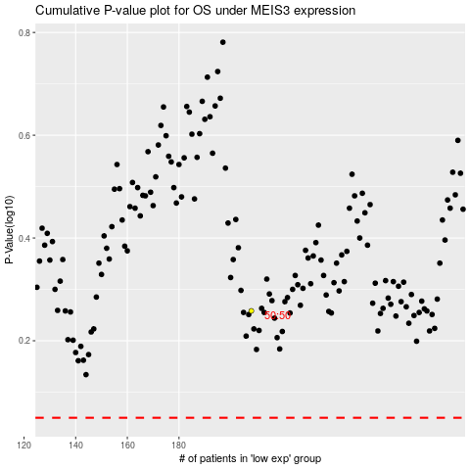

 |  |  |  |  |  | cases_OS | p_OS | rank | exp
 |  |  |  |  |  |  | cases_RFS | p_RFS | rank | exp

