MEIS3P1 _multivariate
Reported by Tex Li-Hsing Chi. tex@gate.sinica.edu.tw 2019-08-18

Table 2. The clinicopathological features of HNSCC cohort and MEIS3P1 expression. (Chi square test)
Cutoff at -0.289 (49.8%)
 |  | MEIS3P1 expression |  | MEIS3P1 expression |  | (Optimised)
 | Features | Low | (%) | High | (%) | Case no | P-value | Remark | Matthews
Gender | Female | 149 | 35.9 | 157 | 37.8 | 415 | 0.4848 | 0 | 0
2 | Male | 58 | 14 | 51 | 12.3
Age at diagnosis | <=65y | 136 | 32.8 | 138 | 33.3 | 415 | 0.9719 | 0 | 0
4 | >65y | 71 | 17.1 | 70 | 16.9
Clinical T Status | T1+T2 | 77 | 18.6 | 72 | 17.3 | 415 | 0.6556 | 0 | 0
6 | T3+T4 | 130 | 31.3 | 136 | 32.8
Clinical N Status | N0 | 113 | 27.2 | 103 | 24.8 | 415 | 0.3495 | 1 | 0
8 | N1-3 | 94 | 22.7 | 105 | 25.3
Clinical M Status | M0 | 204 | 49.2 | 208 | 50.1 | 415 | 0.1232 | 0 | 0
10 | M1 | 3 | 0.7 | 0 | 0
Clinical Stage | Stage I+II | 52 | 12.5 | 50 | 12 | 415 | 0.8871 | 0 | 0
12 | Stage III+IV | 155 | 37.3 | 158 | 38.1
Surgical Margin status | Negative | 156 | 37.6 | 162 | 39 | 415 | 0.5636 | 0 | 0
14 | Positive | 51 | 12.3 | 46 | 11.1
Tobacco Exposure | Low | 87 | 21 | 74 | 17.8 | 415 | 0.1911 | 0 | 0
16 | High | 120 | 28.9 | 134 | 32.3

Table 3. Univariate/Multivariate Cox's proportional hazards regression analyses on OS time of MEIS3P1 gene expression in HNSCC

 |  | Univariate |  |  |  | Multivariate
 | Features | HR | CI95%(L) | CI95%(H) | P-value | HR | CI95%(L) | CI95%(H) | P-value
1 | Female | 1 |  |  |  | 1
Gender | Male | 1.157 | 0.843 | 1.587 | 0.367 | 1.195 | 0.855 | 1.671 | 0.297
11 | <=65y | 1 |  |  |  | 1
Age at diagnosis | >65y | 1.329 | 0.99 | 1.784 | 0.058 | 1.387 | 1.02 | 1.886 | 0.037
12 | T1+T2 | 1 |  |  |  | 1
Clinical T Status | T3+T4 | 1.409 | 1.028 | 1.931 | 0.033 | 2.225 | 1.176 | 4.209 | 0.014
13 | N0 | 1 |  |  |  | 1
Clinical N Status | N1-3 | 1.185 | 0.89 | 1.577 | 0.246 | 1.253 | 0.878 | 1.789 | 0.214
14 | M0 | 1 |  |  |  | 1
Clinical M Status | M1 | 4.097 | 1.009 | 16.644 | 0.049 | 8.826 | 1.914 | 40.707 | 0.005
15 | Stage I+II | 1 |  |  |  | 1
Clinical Stage | Stage III+IV | 1.245 | 0.882 | 1.759 | 0.213 | 0.501 | 0.233 | 1.074 | 0.076
16 | Negative | 1 |  |  |  | 1
Surgical Margin status | Positive | 1.591 | 1.155 | 2.191 | 0.004 | 1.669 | 1.208 | 2.306 | 0.002
17 | Low | 1 |  |  |  | 1
Tobacco Exposure | High | 1.364 | 1.008 | 1.844 | 0.044 | 1.453 | 1.055 | 2.003 | 0.022
18 | Low | 1 |  |  |  | 1
RNAseq(z-score) | High | 0.872 | 0.655 | 1.162 | 0.351 | 0.877 | 0.656 | 1.173 | 0.377

Table 4. Univariate/Multivariate Cox's proportional hazards regression analyses on RFS time of MEIS3P1 gene expression in HNSCC

 |  | Univariate |  |  |  | Multivariate
 | Features | HR | CI95%(L) | CI95%(H) | P-value | HR | CI95%(L) | CI95%(H) | P-value
1 | Female | 1 |  |  |  | 1
Gender | Male | 1.157 | 0.843 | 1.587 | 0.367 | 1.195 | 0.855 | 1.671 | 0.297
11 | <=65y | 1 |  |  |  | 1
Age at diagnosis | >65y | 1.329 | 0.99 | 1.784 | 0.058 | 1.387 | 1.02 | 1.886 | 0.037
12 | T1+T2 | 1 |  |  |  | 1
Clinical T Status | T3+T4 | 1.409 | 1.028 | 1.931 | 0.033 | 2.225 | 1.176 | 4.209 | 0.014
13 | N0 | 1 |  |  |  | 1
Clinical N Status | N1-3 | 1.185 | 0.89 | 1.577 | 0.246 | 1.253 | 0.878 | 1.789 | 0.214
14 | M0 | 1 |  |  |  | 1
Clinical M Status | M1 | 4.097 | 1.009 | 16.644 | 0.049 | 8.826 | 1.914 | 40.707 | 0.005
15 | Stage I+II | 1 |  |  |  | 1
Clinical Stage | Stage III+IV | 1.245 | 0.882 | 1.759 | 0.213 | 0.501 | 0.233 | 1.074 | 0.076
16 | Negative | 1 |  |  |  | 1
Surgical Margin status | Positive | 1.591 | 1.155 | 2.191 | 0.004 | 1.669 | 1.208 | 2.306 | 0.002
17 | Low | 1 |  |  |  | 1
Tobacco Exposure | High | 1.364 | 1.008 | 1.844 | 0.044 | 1.453 | 1.055 | 2.003 | 0.022
18 | Low | 1 |  |  |  | 1
RNAseq(z-score) | High | 0.872 | 0.655 | 1.162 | 0.351 | 0.877 | 0.656 | 1.173 | 0.377

Kaplan-Meier survival estimate: Cutoff at -0.289 (49.8%)



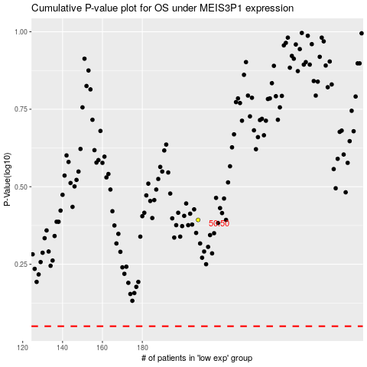

 |  |  |  |  |  | cases_OS | p_OS | rank | exp
 |  |  |  |  |  |  | cases_RFS | p_RFS | rank | exp

