MEN1 _multivariate
Reported by Tex Li-Hsing Chi. tex@gate.sinica.edu.tw 2019-08-18

Table 2. The clinicopathological features of HNSCC cohort and MEN1 expression. (Chi square test)
Cutoff at -0.132 (49.8%)
 |  | MEN1 expression |  | MEN1 expression |  | (Optimised)
 | Features | Low | (%) | High | (%) | Case no | P-value | Remark | Matthews
Gender | Female | 151 | 36.4 | 155 | 37.3 | 415 | 0.8007 | 0 | 0
2 | Male | 56 | 13.5 | 53 | 12.8
Age at diagnosis | <=65y | 127 | 30.6 | 147 | 35.4 | 415 | 0.0573 | 0 | 0
4 | >65y | 80 | 19.3 | 61 | 14.7
Clinical T Status | T1+T2 | 74 | 17.8 | 75 | 18.1 | 415 | 1 | 0 | 0
6 | T3+T4 | 133 | 32 | 133 | 32
Clinical N Status | N0 | 112 | 27 | 104 | 25.1 | 415 | 0.4599 | 0 | 0
8 | N1-3 | 95 | 22.9 | 104 | 25.1
Clinical M Status | M0 | 206 | 49.6 | 206 | 49.6 | 415 | 1 | 0 | 0
10 | M1 | 1 | 0.2 | 2 | 0.5
Clinical Stage | Stage I+II | 48 | 11.6 | 54 | 13 | 415 | 0.5878 | 0 | 0
12 | Stage III+IV | 159 | 38.3 | 154 | 37.1
Surgical Margin status | Negative | 163 | 39.3 | 155 | 37.3 | 415 | 0.3537 | 0 | 0
14 | Positive | 44 | 10.6 | 53 | 12.8
Tobacco Exposure | Low | 85 | 20.5 | 76 | 18.3 | 415 | 0.3655 | 0 | 0
16 | High | 122 | 29.4 | 132 | 31.8

Table 3. Univariate/Multivariate Cox's proportional hazards regression analyses on OS time of MEN1 gene expression in HNSCC

 |  | Univariate |  |  |  | Multivariate
 | Features | HR | CI95%(L) | CI95%(H) | P-value | HR | CI95%(L) | CI95%(H) | P-value
1 | Female | 1 |  |  |  | 1
Gender | Male | 1.157 | 0.843 | 1.587 | 0.367 | 1.203 | 0.861 | 1.682 | 0.279
11 | <=65y | 1 |  |  |  | 1
Age at diagnosis | >65y | 1.329 | 0.99 | 1.784 | 0.058 | 1.401 | 1.029 | 1.907 | 0.032
12 | T1+T2 | 1 |  |  |  | 1
Clinical T Status | T3+T4 | 1.409 | 1.028 | 1.931 | 0.033 | 2.173 | 1.147 | 4.116 | 0.017
13 | N0 | 1 |  |  |  | 1
Clinical N Status | N1-3 | 1.185 | 0.89 | 1.577 | 0.246 | 1.236 | 0.866 | 1.765 | 0.243
14 | M0 | 1 |  |  |  | 1
Clinical M Status | M1 | 4.097 | 1.009 | 16.644 | 0.049 | 9.09 | 1.973 | 41.879 | 0.005
15 | Stage I+II | 1 |  |  |  | 1
Clinical Stage | Stage III+IV | 1.245 | 0.882 | 1.759 | 0.213 | 0.514 | 0.239 | 1.108 | 0.089
16 | Negative | 1 |  |  |  | 1
Surgical Margin status | Positive | 1.591 | 1.155 | 2.191 | 0.004 | 1.655 | 1.196 | 2.291 | 0.002
17 | Low | 1 |  |  |  | 1
Tobacco Exposure | High | 1.364 | 1.008 | 1.844 | 0.044 | 1.453 | 1.054 | 2.002 | 0.023
18 | Low | 1 |  |  |  | 1
RNAseq(z-score) | High | 1.137 | 0.853 | 1.514 | 0.38 | 1.083 | 0.809 | 1.449 | 0.593

Table 4. Univariate/Multivariate Cox's proportional hazards regression analyses on RFS time of MEN1 gene expression in HNSCC

 |  | Univariate |  |  |  | Multivariate
 | Features | HR | CI95%(L) | CI95%(H) | P-value | HR | CI95%(L) | CI95%(H) | P-value
1 | Female | 1 |  |  |  | 1
Gender | Male | 1.157 | 0.843 | 1.587 | 0.367 | 1.203 | 0.861 | 1.682 | 0.279
11 | <=65y | 1 |  |  |  | 1
Age at diagnosis | >65y | 1.329 | 0.99 | 1.784 | 0.058 | 1.401 | 1.029 | 1.907 | 0.032
12 | T1+T2 | 1 |  |  |  | 1
Clinical T Status | T3+T4 | 1.409 | 1.028 | 1.931 | 0.033 | 2.173 | 1.147 | 4.116 | 0.017
13 | N0 | 1 |  |  |  | 1
Clinical N Status | N1-3 | 1.185 | 0.89 | 1.577 | 0.246 | 1.236 | 0.866 | 1.765 | 0.243
14 | M0 | 1 |  |  |  | 1
Clinical M Status | M1 | 4.097 | 1.009 | 16.644 | 0.049 | 9.09 | 1.973 | 41.879 | 0.005
15 | Stage I+II | 1 |  |  |  | 1
Clinical Stage | Stage III+IV | 1.245 | 0.882 | 1.759 | 0.213 | 0.514 | 0.239 | 1.108 | 0.089
16 | Negative | 1 |  |  |  | 1
Surgical Margin status | Positive | 1.591 | 1.155 | 2.191 | 0.004 | 1.655 | 1.196 | 2.291 | 0.002
17 | Low | 1 |  |  |  | 1
Tobacco Exposure | High | 1.364 | 1.008 | 1.844 | 0.044 | 1.453 | 1.054 | 2.002 | 0.023
18 | Low | 1 |  |  |  | 1
RNAseq(z-score) | High | 1.137 | 0.853 | 1.514 | 0.38 | 1.083 | 0.809 | 1.449 | 0.593

Kaplan-Meier survival estimate: Cutoff at -0.132 (49.8%)



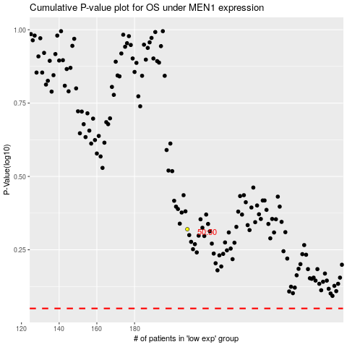

 |  |  |  |  |  | cases_OS | p_OS | rank | exp
 |  |  |  |  |  |  | cases_RFS | p_RFS | rank | exp

