MEOX2 _multivariate
Reported by Tex Li-Hsing Chi. tex@gate.sinica.edu.tw 2019-08-18

Table 2. The clinicopathological features of HNSCC cohort and MEOX2 expression. (Chi square test)
Cutoff at -0.362 (50.0%)
 |  | MEOX2 expression |  | MEOX2 expression |  | (Optimised)
 | Features | Low | (%) | High | (%) | Case no | P-value | Remark | Matthews
Gender | Female | 156 | 37.6 | 150 | 36.1 | 415 | 0.5222 | 0 | 0
2 | Male | 51 | 12.3 | 58 | 14
Age at diagnosis | <=65y | 131 | 31.6 | 143 | 34.5 | 415 | 0.2839 | 0 | 0
4 | >65y | 76 | 18.3 | 65 | 15.7
Clinical T Status | T1+T2 | 64 | 15.4 | 85 | 20.5 | 415 | 0.0445 | 1 | 0
6 | T3+T4 | 143 | 34.5 | 123 | 29.6
Clinical N Status | N0 | 113 | 27.2 | 103 | 24.8 | 415 | 0.3495 | 1 | 0
8 | N1-3 | 94 | 22.7 | 105 | 25.3
Clinical M Status | M0 | 204 | 49.2 | 208 | 50.1 | 415 | 0.1232 | 0 | 0
10 | M1 | 3 | 0.7 | 0 | 0
Clinical Stage | Stage I+II | 42 | 10.1 | 60 | 14.5 | 415 | 0.0561 | 0 | 0
12 | Stage III+IV | 165 | 39.8 | 148 | 35.7
Surgical Margin status | Negative | 155 | 37.3 | 163 | 39.3 | 415 | 0.4187 | 0 | 0
14 | Positive | 52 | 12.5 | 45 | 10.8
Tobacco Exposure | Low | 82 | 19.8 | 79 | 19 | 415 | 0.763 | 0 | 0
16 | High | 125 | 30.1 | 129 | 31.1

Table 3. Univariate/Multivariate Cox's proportional hazards regression analyses on OS time of MEOX2 gene expression in HNSCC

 |  | Univariate |  |  |  | Multivariate
 | Features | HR | CI95%(L) | CI95%(H) | P-value | HR | CI95%(L) | CI95%(H) | P-value
1 | Female | 1 |  |  |  | 1
Gender | Male | 1.157 | 0.843 | 1.587 | 0.367 | 1.214 | 0.868 | 1.697 | 0.256
11 | <=65y | 1 |  |  |  | 1
Age at diagnosis | >65y | 1.329 | 0.99 | 1.784 | 0.058 | 1.37 | 1.007 | 1.863 | 0.045
12 | T1+T2 | 1 |  |  |  | 1
Clinical T Status | T3+T4 | 1.409 | 1.028 | 1.931 | 0.033 | 2.188 | 1.157 | 4.136 | 0.016
13 | N0 | 1 |  |  |  | 1
Clinical N Status | N1-3 | 1.185 | 0.89 | 1.577 | 0.246 | 1.278 | 0.893 | 1.828 | 0.179
14 | M0 | 1 |  |  |  | 1
Clinical M Status | M1 | 4.097 | 1.009 | 16.644 | 0.049 | 8.496 | 1.839 | 39.245 | 0.006
15 | Stage I+II | 1 |  |  |  | 1
Clinical Stage | Stage III+IV | 1.245 | 0.882 | 1.759 | 0.213 | 0.488 | 0.227 | 1.05 | 0.066
16 | Negative | 1 |  |  |  | 1
Surgical Margin status | Positive | 1.591 | 1.155 | 2.191 | 0.004 | 1.657 | 1.199 | 2.291 | 0.002
17 | Low | 1 |  |  |  | 1
Tobacco Exposure | High | 1.364 | 1.008 | 1.844 | 0.044 | 1.472 | 1.067 | 2.031 | 0.018
18 | Low | 1 |  |  |  | 1
RNAseq(z-score) | High | 0.803 | 0.603 | 1.07 | 0.134 | 0.828 | 0.616 | 1.112 | 0.21

Table 4. Univariate/Multivariate Cox's proportional hazards regression analyses on RFS time of MEOX2 gene expression in HNSCC

 |  | Univariate |  |  |  | Multivariate
 | Features | HR | CI95%(L) | CI95%(H) | P-value | HR | CI95%(L) | CI95%(H) | P-value
1 | Female | 1 |  |  |  | 1
Gender | Male | 1.157 | 0.843 | 1.587 | 0.367 | 1.214 | 0.868 | 1.697 | 0.256
11 | <=65y | 1 |  |  |  | 1
Age at diagnosis | >65y | 1.329 | 0.99 | 1.784 | 0.058 | 1.37 | 1.007 | 1.863 | 0.045
12 | T1+T2 | 1 |  |  |  | 1
Clinical T Status | T3+T4 | 1.409 | 1.028 | 1.931 | 0.033 | 2.188 | 1.157 | 4.136 | 0.016
13 | N0 | 1 |  |  |  | 1
Clinical N Status | N1-3 | 1.185 | 0.89 | 1.577 | 0.246 | 1.278 | 0.893 | 1.828 | 0.179
14 | M0 | 1 |  |  |  | 1
Clinical M Status | M1 | 4.097 | 1.009 | 16.644 | 0.049 | 8.496 | 1.839 | 39.245 | 0.006
15 | Stage I+II | 1 |  |  |  | 1
Clinical Stage | Stage III+IV | 1.245 | 0.882 | 1.759 | 0.213 | 0.488 | 0.227 | 1.05 | 0.066
16 | Negative | 1 |  |  |  | 1
Surgical Margin status | Positive | 1.591 | 1.155 | 2.191 | 0.004 | 1.657 | 1.199 | 2.291 | 0.002
17 | Low | 1 |  |  |  | 1
Tobacco Exposure | High | 1.364 | 1.008 | 1.844 | 0.044 | 1.472 | 1.067 | 2.031 | 0.018
18 | Low | 1 |  |  |  | 1
RNAseq(z-score) | High | 0.803 | 0.603 | 1.07 | 0.134 | 0.828 | 0.616 | 1.112 | 0.21

Kaplan-Meier survival estimate: Cutoff at -0.362 (50.0%)



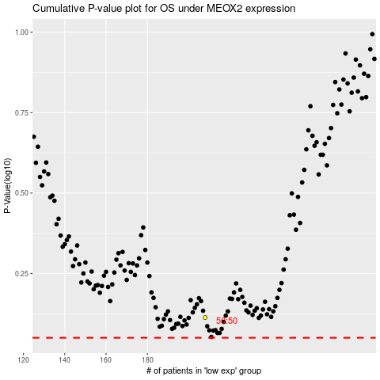

 |  |  |  |  |  | cases_OS | p_OS | rank | exp
 |  |  |  |  |  |  | cases_RFS | p_RFS | rank | exp

