MEP1A _multivariate
Reported by Tex Li-Hsing Chi. tex@gate.sinica.edu.tw 2019-08-18

Table 2. The clinicopathological features of HNSCC cohort and MEP1A expression. (Chi square test)
Cutoff at -0.279 (49.8%)
 |  | MEP1A expression |  | MEP1A expression |  | (Optimised)
 | Features | Low | (%) | High | (%) | Case no | P-value | Remark | Matthews
Gender | Female | 159 | 38.3 | 147 | 35.4 | 415 | 0.1905 | 0 | 0
2 | Male | 48 | 11.6 | 61 | 14.7
Age at diagnosis | <=65y | 140 | 33.7 | 134 | 32.3 | 415 | 0.5574 | 0 | 0
4 | >65y | 67 | 16.1 | 74 | 17.8
Clinical T Status | T1+T2 | 63 | 15.2 | 86 | 20.7 | 415 | 0.0268 | 1 | 0
6 | T3+T4 | 144 | 34.7 | 122 | 29.4
Clinical N Status | N0 | 111 | 26.7 | 105 | 25.3 | 415 | 0.5875 | 0 | 0
8 | N1-3 | 96 | 23.1 | 103 | 24.8
Clinical M Status | M0 | 206 | 49.6 | 206 | 49.6 | 415 | 1 | 0 | 0
10 | M1 | 1 | 0.2 | 2 | 0.5
Clinical Stage | Stage I+II | 45 | 10.8 | 57 | 13.7 | 415 | 0.2202 | 0 | 0
12 | Stage III+IV | 162 | 39 | 151 | 36.4
Surgical Margin status | Negative | 155 | 37.3 | 163 | 39.3 | 415 | 0.4187 | 0 | 0
14 | Positive | 52 | 12.5 | 45 | 10.8
Tobacco Exposure | Low | 70 | 16.9 | 91 | 21.9 | 415 | 0.0439 | 1 | 0
16 | High | 137 | 33 | 117 | 28.2

Table 3. Univariate/Multivariate Cox's proportional hazards regression analyses on OS time of MEP1A gene expression in HNSCC

 |  | Univariate |  |  |  | Multivariate
 | Features | HR | CI95%(L) | CI95%(H) | P-value | HR | CI95%(L) | CI95%(H) | P-value
1 | Female | 1 |  |  |  | 1
Gender | Male | 1.157 | 0.843 | 1.587 | 0.367 | 1.197 | 0.856 | 1.673 | 0.293
11 | <=65y | 1 |  |  |  | 1
Age at diagnosis | >65y | 1.329 | 0.99 | 1.784 | 0.058 | 1.385 | 1.018 | 1.884 | 0.038
12 | T1+T2 | 1 |  |  |  | 1
Clinical T Status | T3+T4 | 1.409 | 1.028 | 1.931 | 0.033 | 2.216 | 1.172 | 4.19 | 0.014
13 | N0 | 1 |  |  |  | 1
Clinical N Status | N1-3 | 1.185 | 0.89 | 1.577 | 0.246 | 1.221 | 0.853 | 1.746 | 0.275
14 | M0 | 1 |  |  |  | 1
Clinical M Status | M1 | 4.097 | 1.009 | 16.644 | 0.049 | 9.154 | 1.994 | 42.022 | 0.004
15 | Stage I+II | 1 |  |  |  | 1
Clinical Stage | Stage III+IV | 1.245 | 0.882 | 1.759 | 0.213 | 0.515 | 0.239 | 1.107 | 0.089
16 | Negative | 1 |  |  |  | 1
Surgical Margin status | Positive | 1.591 | 1.155 | 2.191 | 0.004 | 1.676 | 1.213 | 2.316 | 0.002
17 | Low | 1 |  |  |  | 1
Tobacco Exposure | High | 1.364 | 1.008 | 1.844 | 0.044 | 1.475 | 1.068 | 2.037 | 0.018
18 | Low | 1 |  |  |  | 1
RNAseq(z-score) | High | 1.079 | 0.808 | 1.442 | 0.606 | 1.122 | 0.832 | 1.512 | 0.451

Table 4. Univariate/Multivariate Cox's proportional hazards regression analyses on RFS time of MEP1A gene expression in HNSCC

 |  | Univariate |  |  |  | Multivariate
 | Features | HR | CI95%(L) | CI95%(H) | P-value | HR | CI95%(L) | CI95%(H) | P-value
1 | Female | 1 |  |  |  | 1
Gender | Male | 1.157 | 0.843 | 1.587 | 0.367 | 1.197 | 0.856 | 1.673 | 0.293
11 | <=65y | 1 |  |  |  | 1
Age at diagnosis | >65y | 1.329 | 0.99 | 1.784 | 0.058 | 1.385 | 1.018 | 1.884 | 0.038
12 | T1+T2 | 1 |  |  |  | 1
Clinical T Status | T3+T4 | 1.409 | 1.028 | 1.931 | 0.033 | 2.216 | 1.172 | 4.19 | 0.014
13 | N0 | 1 |  |  |  | 1
Clinical N Status | N1-3 | 1.185 | 0.89 | 1.577 | 0.246 | 1.221 | 0.853 | 1.746 | 0.275
14 | M0 | 1 |  |  |  | 1
Clinical M Status | M1 | 4.097 | 1.009 | 16.644 | 0.049 | 9.154 | 1.994 | 42.022 | 0.004
15 | Stage I+II | 1 |  |  |  | 1
Clinical Stage | Stage III+IV | 1.245 | 0.882 | 1.759 | 0.213 | 0.515 | 0.239 | 1.107 | 0.089
16 | Negative | 1 |  |  |  | 1
Surgical Margin status | Positive | 1.591 | 1.155 | 2.191 | 0.004 | 1.676 | 1.213 | 2.316 | 0.002
17 | Low | 1 |  |  |  | 1
Tobacco Exposure | High | 1.364 | 1.008 | 1.844 | 0.044 | 1.475 | 1.068 | 2.037 | 0.018
18 | Low | 1 |  |  |  | 1
RNAseq(z-score) | High | 1.079 | 0.808 | 1.442 | 0.606 | 1.122 | 0.832 | 1.512 | 0.451

Kaplan-Meier survival estimate: Cutoff at -0.279 (49.8%)



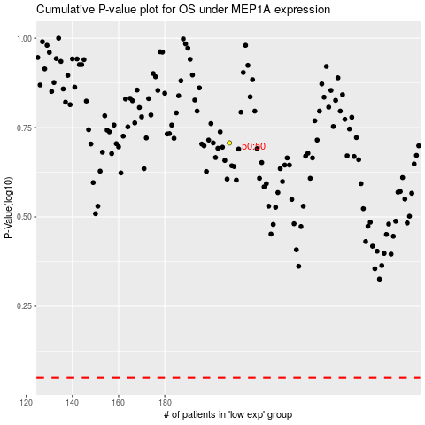

 |  |  |  |  |  | cases_OS | p_OS | rank | exp
 |  |  |  |  |  |  | cases_RFS | p_RFS | rank | exp

