MEPCE _multivariate
Reported by Tex Li-Hsing Chi. tex@gate.sinica.edu.tw 2019-08-18

Table 2. The clinicopathological features of HNSCC cohort and MEPCE expression. (Chi square test)
Cutoff at -0.253 (49.8%)
 |  | MEPCE expression |  | MEPCE expression |  | (Optimised)
 | Features | Low | (%) | High | (%) | Case no | P-value | Remark | Matthews
Gender | Female | 145 | 34.9 | 161 | 38.8 | 415 | 0.1116 | 0 | 0
2 | Male | 62 | 14.9 | 47 | 11.3
Age at diagnosis | <=65y | 127 | 30.6 | 147 | 35.4 | 415 | 0.0573 | 0 | 0
4 | >65y | 80 | 19.3 | 61 | 14.7
Clinical T Status | T1+T2 | 67 | 16.1 | 82 | 19.8 | 415 | 0.1628 | 0 | 0
6 | T3+T4 | 140 | 33.7 | 126 | 30.4
Clinical N Status | N0 | 105 | 25.3 | 111 | 26.7 | 415 | 0.6598 | 0 | 0
8 | N1-3 | 102 | 24.6 | 97 | 23.4
Clinical M Status | M0 | 207 | 49.9 | 205 | 49.4 | 415 | 0.2482 | 0 | 0
10 | M1 | 0 | 0 | 3 | 0.7
Clinical Stage | Stage I+II | 49 | 11.8 | 53 | 12.8 | 415 | 0.7535 | 0 | 0
12 | Stage III+IV | 158 | 38.1 | 155 | 37.3
Surgical Margin status | Negative | 160 | 38.6 | 158 | 38.1 | 415 | 0.8167 | 0 | 0
14 | Positive | 47 | 11.3 | 50 | 12
Tobacco Exposure | Low | 89 | 21.4 | 72 | 17.3 | 415 | 0.0872 | 0 | 0
16 | High | 118 | 28.4 | 136 | 32.8

Table 3. Univariate/Multivariate Cox's proportional hazards regression analyses on OS time of MEPCE gene expression in HNSCC

 |  | Univariate |  |  |  | Multivariate
 | Features | HR | CI95%(L) | CI95%(H) | P-value | HR | CI95%(L) | CI95%(H) | P-value
1 | Female | 1 |  |  |  | 1
Gender | Male | 1.157 | 0.843 | 1.587 | 0.367 | 1.199 | 0.859 | 1.672 | 0.286
11 | <=65y | 1 |  |  |  | 1
Age at diagnosis | >65y | 1.329 | 0.99 | 1.784 | 0.058 | 1.386 | 1.019 | 1.884 | 0.037
12 | T1+T2 | 1 |  |  |  | 1
Clinical T Status | T3+T4 | 1.409 | 1.028 | 1.931 | 0.033 | 2.136 | 1.128 | 4.045 | 0.02
13 | N0 | 1 |  |  |  | 1
Clinical N Status | N1-3 | 1.185 | 0.89 | 1.577 | 0.246 | 1.218 | 0.853 | 1.739 | 0.278
14 | M0 | 1 |  |  |  | 1
Clinical M Status | M1 | 4.097 | 1.009 | 16.644 | 0.049 | 10.56 | 2.288 | 48.739 | 0.003
15 | Stage I+II | 1 |  |  |  | 1
Clinical Stage | Stage III+IV | 1.245 | 0.882 | 1.759 | 0.213 | 0.526 | 0.245 | 1.131 | 0.1
16 | Negative | 1 |  |  |  | 1
Surgical Margin status | Positive | 1.591 | 1.155 | 2.191 | 0.004 | 1.719 | 1.241 | 2.381 | 0.001
17 | Low | 1 |  |  |  | 1
Tobacco Exposure | High | 1.364 | 1.008 | 1.844 | 0.044 | 1.498 | 1.085 | 2.067 | 0.014
18 | Low | 1 |  |  |  | 1
RNAseq(z-score) | High | 0.837 | 0.629 | 1.115 | 0.225 | 0.779 | 0.581 | 1.045 | 0.095

Table 4. Univariate/Multivariate Cox's proportional hazards regression analyses on RFS time of MEPCE gene expression in HNSCC

 |  | Univariate |  |  |  | Multivariate
 | Features | HR | CI95%(L) | CI95%(H) | P-value | HR | CI95%(L) | CI95%(H) | P-value
1 | Female | 1 |  |  |  | 1
Gender | Male | 1.157 | 0.843 | 1.587 | 0.367 | 1.199 | 0.859 | 1.672 | 0.286
11 | <=65y | 1 |  |  |  | 1
Age at diagnosis | >65y | 1.329 | 0.99 | 1.784 | 0.058 | 1.386 | 1.019 | 1.884 | 0.037
12 | T1+T2 | 1 |  |  |  | 1
Clinical T Status | T3+T4 | 1.409 | 1.028 | 1.931 | 0.033 | 2.136 | 1.128 | 4.045 | 0.02
13 | N0 | 1 |  |  |  | 1
Clinical N Status | N1-3 | 1.185 | 0.89 | 1.577 | 0.246 | 1.218 | 0.853 | 1.739 | 0.278
14 | M0 | 1 |  |  |  | 1
Clinical M Status | M1 | 4.097 | 1.009 | 16.644 | 0.049 | 10.56 | 2.288 | 48.739 | 0.003
15 | Stage I+II | 1 |  |  |  | 1
Clinical Stage | Stage III+IV | 1.245 | 0.882 | 1.759 | 0.213 | 0.526 | 0.245 | 1.131 | 0.1
16 | Negative | 1 |  |  |  | 1
Surgical Margin status | Positive | 1.591 | 1.155 | 2.191 | 0.004 | 1.719 | 1.241 | 2.381 | 0.001
17 | Low | 1 |  |  |  | 1
Tobacco Exposure | High | 1.364 | 1.008 | 1.844 | 0.044 | 1.498 | 1.085 | 2.067 | 0.014
18 | Low | 1 |  |  |  | 1
RNAseq(z-score) | High | 0.837 | 0.629 | 1.115 | 0.225 | 0.779 | 0.581 | 1.045 | 0.095

Kaplan-Meier survival estimate: Cutoff at -0.253 (49.8%)



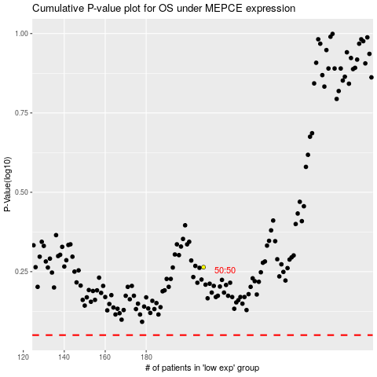

 |  |  |  |  |  | cases_OS | p_OS | rank | exp
 |  |  |  |  |  |  | cases_RFS | p_RFS | rank | exp

