MESDC1 _multivariate
Reported by Tex Li-Hsing Chi. tex@gate.sinica.edu.tw 2019-08-18

Table 2. The clinicopathological features of HNSCC cohort and MESDC1 expression. (Chi square test)
Cutoff at 0.236 (63.5%)
 |  | MESDC1 expression |  | MESDC1 expression |  | (Optimised)
 | Features | Low | (%) | High | (%) | Case no | P-value | Remark | Matthews
Gender | Female | 205 | 49.4 | 101 | 24.3 | 415 | 0.0143 | 1 | 0
2 | Male | 58 | 14 | 51 | 12.3
Age at diagnosis | <=65y | 175 | 42.2 | 99 | 23.9 | 415 | 0.8538 | 0 | 0
4 | >65y | 88 | 21.2 | 53 | 12.8
Clinical T Status | T1+T2 | 95 | 22.9 | 54 | 13 | 415 | 0.9875 | 0 | 0
6 | T3+T4 | 168 | 40.5 | 98 | 23.6
Clinical N Status | N0 | 127 | 30.6 | 89 | 21.4 | 415 | 0.0556 | 0 | 0
8 | N1-3 | 136 | 32.8 | 63 | 15.2
Clinical M Status | M0 | 261 | 62.9 | 151 | 36.4 | 415 | 1 | 0 | 0
10 | M1 | 2 | 0.5 | 1 | 0.2
Clinical Stage | Stage I+II | 60 | 14.5 | 42 | 10.1 | 415 | 0.3271 | 0 | 0
12 | Stage III+IV | 203 | 48.9 | 110 | 26.5
Surgical Margin status | Negative | 198 | 47.7 | 120 | 28.9 | 415 | 0.4702 | 0 | 0
14 | Positive | 65 | 15.7 | 32 | 7.7
Tobacco Exposure | Low | 96 | 23.1 | 65 | 15.7 | 415 | 0.2116 | 0 | 0
16 | High | 167 | 40.2 | 87 | 21

Table 3. Univariate/Multivariate Cox's proportional hazards regression analyses on OS time of MESDC1 gene expression in HNSCC

 |  | Univariate |  |  |  | Multivariate
 | Features | HR | CI95%(L) | CI95%(H) | P-value | HR | CI95%(L) | CI95%(H) | P-value
1 | Female | 1 |  |  |  | 1
Gender | Male | 1.157 | 0.843 | 1.587 | 0.367 | 1.172 | 0.838 | 1.64 | 0.353
11 | <=65y | 1 |  |  |  | 1
Age at diagnosis | >65y | 1.329 | 0.99 | 1.784 | 0.058 | 1.401 | 1.031 | 1.904 | 0.031
12 | T1+T2 | 1 |  |  |  | 1
Clinical T Status | T3+T4 | 1.409 | 1.028 | 1.931 | 0.033 | 2.202 | 1.164 | 4.169 | 0.015
13 | N0 | 1 |  |  |  | 1
Clinical N Status | N1-3 | 1.185 | 0.89 | 1.577 | 0.246 | 1.277 | 0.895 | 1.823 | 0.178
14 | M0 | 1 |  |  |  | 1
Clinical M Status | M1 | 4.097 | 1.009 | 16.644 | 0.049 | 9.029 | 1.966 | 41.471 | 0.005
15 | Stage I+II | 1 |  |  |  | 1
Clinical Stage | Stage III+IV | 1.245 | 0.882 | 1.759 | 0.213 | 0.509 | 0.237 | 1.092 | 0.083
16 | Negative | 1 |  |  |  | 1
Surgical Margin status | Positive | 1.591 | 1.155 | 2.191 | 0.004 | 1.712 | 1.238 | 2.368 | 0.001
17 | Low | 1 |  |  |  | 1
Tobacco Exposure | High | 1.364 | 1.008 | 1.844 | 0.044 | 1.483 | 1.075 | 2.046 | 0.016
18 | Low | 1 |  |  |  | 1
RNAseq(z-score) | High | 1.364 | 1.015 | 1.832 | 0.039 | 1.434 | 1.063 | 1.934 | 0.018

Table 4. Univariate/Multivariate Cox's proportional hazards regression analyses on RFS time of MESDC1 gene expression in HNSCC

 |  | Univariate |  |  |  | Multivariate
 | Features | HR | CI95%(L) | CI95%(H) | P-value | HR | CI95%(L) | CI95%(H) | P-value
1 | Female | 1 |  |  |  | 1
Gender | Male | 1.157 | 0.843 | 1.587 | 0.367 | 1.172 | 0.838 | 1.64 | 0.353
11 | <=65y | 1 |  |  |  | 1
Age at diagnosis | >65y | 1.329 | 0.99 | 1.784 | 0.058 | 1.401 | 1.031 | 1.904 | 0.031
12 | T1+T2 | 1 |  |  |  | 1
Clinical T Status | T3+T4 | 1.409 | 1.028 | 1.931 | 0.033 | 2.202 | 1.164 | 4.169 | 0.015
13 | N0 | 1 |  |  |  | 1
Clinical N Status | N1-3 | 1.185 | 0.89 | 1.577 | 0.246 | 1.277 | 0.895 | 1.823 | 0.178
14 | M0 | 1 |  |  |  | 1
Clinical M Status | M1 | 4.097 | 1.009 | 16.644 | 0.049 | 9.029 | 1.966 | 41.471 | 0.005
15 | Stage I+II | 1 |  |  |  | 1
Clinical Stage | Stage III+IV | 1.245 | 0.882 | 1.759 | 0.213 | 0.509 | 0.237 | 1.092 | 0.083
16 | Negative | 1 |  |  |  | 1
Surgical Margin status | Positive | 1.591 | 1.155 | 2.191 | 0.004 | 1.712 | 1.238 | 2.368 | 0.001
17 | Low | 1 |  |  |  | 1
Tobacco Exposure | High | 1.364 | 1.008 | 1.844 | 0.044 | 1.483 | 1.075 | 2.046 | 0.016
18 | Low | 1 |  |  |  | 1
RNAseq(z-score) | High | 1.364 | 1.015 | 1.832 | 0.039 | 1.434 | 1.063 | 1.934 | 0.018

Kaplan-Meier survival estimate: Cutoff at 0.236 (63.5%)

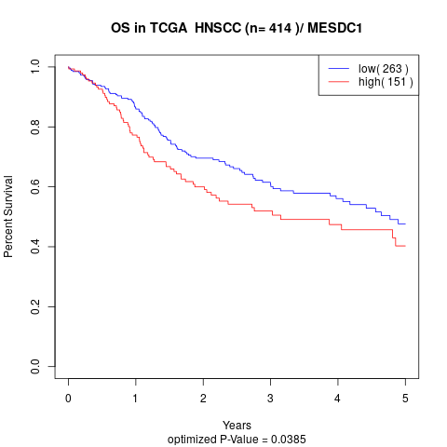

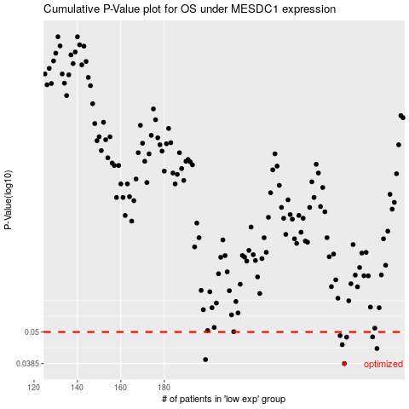

 |  |  |  |  |  | cases_OS | p_OS | rank | exp
 |  |  |  |  |  | 263 | 0.0385 | 202 | 0.23561739617
 |  |  |  |  |  | 199 | 0.0398 | 237 | -0.088123803226
 |  |  |  |  |  | 278 | 0.0436 | 261 | 0.32814828386
 |  |  |  |  |  | 262 | 0.045 | 103 | 0.21098377826
 |  |  |  |  |  | 264 | 0.0479 | 355 | 0.23957520765
 |  |  |  |  |  | 276 | 0.048 | 72 | 0.31527840397
 |  |  |  |  |  | 261 | 0.0485 | 319 | 0.20255725849
 |  |  |  |  |  |  | cases_RFS | p_RFS | rank | exp
 |  |  |  |  |  |  | 262 | 0.0385 | 103 | 0.21098377826
 |  |  |  |  |  |  | 198 | 0.0398 | 183 | -0.090144664562
 |  |  |  |  |  |  | 277 | 0.0436 | 187 | 0.32138993618
 |  |  |  |  |  |  | 261 | 0.045 | 319 | 0.20255725849
 |  |  |  |  |  |  | 263 | 0.0479 | 202 | 0.23561739617
 |  |  |  |  |  |  | 275 | 0.048 | 112 | 0.31265574201
 |  |  |  |  |  |  | 260 | 0.0485 | 255 | 0.1963281632

