METT10D _multivariate
Reported by Tex Li-Hsing Chi. tex@gate.sinica.edu.tw 2019-08-18

Table 2. The clinicopathological features of HNSCC cohort and METT10D expression. (Chi square test)
Cutoff at -0.14 (49.8%)
 |  | METT10D expression |  | METT10D expression |  | (Optimised)
 | Features | Low | (%) | High | (%) | Case no | P-value | Remark | Matthews
Gender | Female | 138 | 33.3 | 168 | 40.5 | 415 | 0.0016 | 1 | 0
2 | Male | 69 | 16.6 | 40 | 9.6
Age at diagnosis | <=65y | 134 | 32.3 | 140 | 33.7 | 415 | 0.6529 | 0 | 0
4 | >65y | 73 | 17.6 | 68 | 16.4
Clinical T Status | T1+T2 | 85 | 20.5 | 64 | 15.4 | 415 | 0.0372 | 1 | 0
6 | T3+T4 | 122 | 29.4 | 144 | 34.7
Clinical N Status | N0 | 110 | 26.5 | 106 | 25.5 | 415 | 0.7294 | 0 | 0
8 | N1-3 | 97 | 23.4 | 102 | 24.6
Clinical M Status | M0 | 205 | 49.4 | 207 | 49.9 | 415 | 0.6232 | 0 | 0
10 | M1 | 2 | 0.5 | 1 | 0.2
Clinical Stage | Stage I+II | 63 | 15.2 | 39 | 9.4 | 415 | 0.008 | 1 | 0
12 | Stage III+IV | 144 | 34.7 | 169 | 40.7
Surgical Margin status | Negative | 158 | 38.1 | 160 | 38.6 | 415 | 0.9081 | 0 | 0
14 | Positive | 49 | 11.8 | 48 | 11.6
Tobacco Exposure | Low | 94 | 22.7 | 67 | 16.1 | 415 | 0.0065 | 1 | 0
16 | High | 113 | 27.2 | 141 | 34

Table 3. Univariate/Multivariate Cox's proportional hazards regression analyses on OS time of METT10D gene expression in HNSCC

 |  | Univariate |  |  |  | Multivariate
 | Features | HR | CI95%(L) | CI95%(H) | P-value | HR | CI95%(L) | CI95%(H) | P-value
1 | Female | 1 |  |  |  | 1
Gender | Male | 1.157 | 0.843 | 1.587 | 0.367 | 1.197 | 0.855 | 1.677 | 0.295
11 | <=65y | 1 |  |  |  | 1
Age at diagnosis | >65y | 1.329 | 0.99 | 1.784 | 0.058 | 1.389 | 1.022 | 1.89 | 0.036
12 | T1+T2 | 1 |  |  |  | 1
Clinical T Status | T3+T4 | 1.409 | 1.028 | 1.931 | 0.033 | 2.199 | 1.162 | 4.159 | 0.015
13 | N0 | 1 |  |  |  | 1
Clinical N Status | N1-3 | 1.185 | 0.89 | 1.577 | 0.246 | 1.237 | 0.865 | 1.768 | 0.244
14 | M0 | 1 |  |  |  | 1
Clinical M Status | M1 | 4.097 | 1.009 | 16.644 | 0.049 | 9.347 | 2.036 | 42.916 | 0.004
15 | Stage I+II | 1 |  |  |  | 1
Clinical Stage | Stage III+IV | 1.245 | 0.882 | 1.759 | 0.213 | 0.509 | 0.236 | 1.101 | 0.086
16 | Negative | 1 |  |  |  | 1
Surgical Margin status | Positive | 1.591 | 1.155 | 2.191 | 0.004 | 1.669 | 1.208 | 2.307 | 0.002
17 | Low | 1 |  |  |  | 1
Tobacco Exposure | High | 1.364 | 1.008 | 1.844 | 0.044 | 1.454 | 1.055 | 2.003 | 0.022
18 | Low | 1 |  |  |  | 1
RNAseq(z-score) | High | 0.962 | 0.722 | 1.282 | 0.792 | 0.974 | 0.723 | 1.312 | 0.861

Table 4. Univariate/Multivariate Cox's proportional hazards regression analyses on RFS time of METT10D gene expression in HNSCC

 |  | Univariate |  |  |  | Multivariate
 | Features | HR | CI95%(L) | CI95%(H) | P-value | HR | CI95%(L) | CI95%(H) | P-value
1 | Female | 1 |  |  |  | 1
Gender | Male | 1.157 | 0.843 | 1.587 | 0.367 | 1.197 | 0.855 | 1.677 | 0.295
11 | <=65y | 1 |  |  |  | 1
Age at diagnosis | >65y | 1.329 | 0.99 | 1.784 | 0.058 | 1.389 | 1.022 | 1.89 | 0.036
12 | T1+T2 | 1 |  |  |  | 1
Clinical T Status | T3+T4 | 1.409 | 1.028 | 1.931 | 0.033 | 2.199 | 1.162 | 4.159 | 0.015
13 | N0 | 1 |  |  |  | 1
Clinical N Status | N1-3 | 1.185 | 0.89 | 1.577 | 0.246 | 1.237 | 0.865 | 1.768 | 0.244
14 | M0 | 1 |  |  |  | 1
Clinical M Status | M1 | 4.097 | 1.009 | 16.644 | 0.049 | 9.347 | 2.036 | 42.916 | 0.004
15 | Stage I+II | 1 |  |  |  | 1
Clinical Stage | Stage III+IV | 1.245 | 0.882 | 1.759 | 0.213 | 0.509 | 0.236 | 1.101 | 0.086
16 | Negative | 1 |  |  |  | 1
Surgical Margin status | Positive | 1.591 | 1.155 | 2.191 | 0.004 | 1.669 | 1.208 | 2.307 | 0.002
17 | Low | 1 |  |  |  | 1
Tobacco Exposure | High | 1.364 | 1.008 | 1.844 | 0.044 | 1.454 | 1.055 | 2.003 | 0.022
18 | Low | 1 |  |  |  | 1
RNAseq(z-score) | High | 0.962 | 0.722 | 1.282 | 0.792 | 0.974 | 0.723 | 1.312 | 0.861

Kaplan-Meier survival estimate: Cutoff at -0.14 (49.8%)



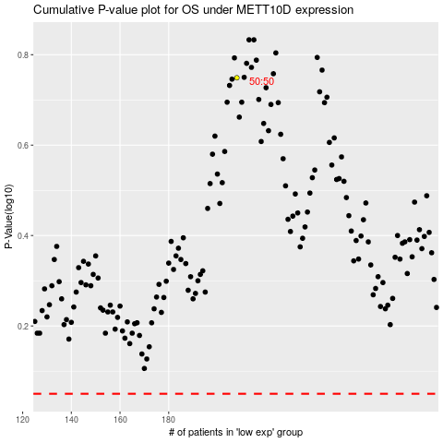

 |  |  |  |  |  | cases_OS | p_OS | rank | exp
 |  |  |  |  |  |  | cases_RFS | p_RFS | rank | exp

