METT11D1 _multivariate
Reported by Tex Li-Hsing Chi. tex@gate.sinica.edu.tw 2019-08-18

Table 2. The clinicopathological features of HNSCC cohort and METT11D1 expression. (Chi square test)
Cutoff at -0.206 (49.8%)
 |  | METT11D1 expression |  | METT11D1 expression |  | (Optimised)
 | Features | Low | (%) | High | (%) | Case no | P-value | Remark | Matthews
Gender | Female | 148 | 35.7 | 158 | 38.1 | 415 | 0.3567 | 0 | 0
2 | Male | 59 | 14.2 | 50 | 12
Age at diagnosis | <=65y | 137 | 33 | 137 | 33 | 415 | 1 | 0 | 0
4 | >65y | 70 | 16.9 | 71 | 17.1
Clinical T Status | T1+T2 | 72 | 17.3 | 77 | 18.6 | 415 | 0.7095 | 0 | 0
6 | T3+T4 | 135 | 32.5 | 131 | 31.6
Clinical N Status | N0 | 106 | 25.5 | 110 | 26.5 | 415 | 0.8075 | 0 | 0
8 | N1-3 | 101 | 24.3 | 98 | 23.6
Clinical M Status | M0 | 206 | 49.6 | 206 | 49.6 | 415 | 1 | 0 | 0
10 | M1 | 1 | 0.2 | 2 | 0.5
Clinical Stage | Stage I+II | 51 | 12.3 | 51 | 12.3 | 415 | 1 | 0 | 0
12 | Stage III+IV | 156 | 37.6 | 157 | 37.8
Surgical Margin status | Negative | 169 | 40.7 | 149 | 35.9 | 415 | 0.0201 | 1 | 0
14 | Positive | 38 | 9.2 | 59 | 14.2
Tobacco Exposure | Low | 81 | 19.5 | 80 | 19.3 | 415 | 0.9199 | 0 | 0
16 | High | 126 | 30.4 | 128 | 30.8

Table 3. Univariate/Multivariate Cox's proportional hazards regression analyses on OS time of METT11D1 gene expression in HNSCC

 |  | Univariate |  |  |  | Multivariate
 | Features | HR | CI95%(L) | CI95%(H) | P-value | HR | CI95%(L) | CI95%(H) | P-value
1 | Female | 1 |  |  |  | 1
Gender | Male | 1.157 | 0.843 | 1.587 | 0.367 | 1.204 | 0.863 | 1.679 | 0.274
11 | <=65y | 1 |  |  |  | 1
Age at diagnosis | >65y | 1.329 | 0.99 | 1.784 | 0.058 | 1.408 | 1.035 | 1.916 | 0.029
12 | T1+T2 | 1 |  |  |  | 1
Clinical T Status | T3+T4 | 1.409 | 1.028 | 1.931 | 0.033 | 2.19 | 1.158 | 4.141 | 0.016
13 | N0 | 1 |  |  |  | 1
Clinical N Status | N1-3 | 1.185 | 0.89 | 1.577 | 0.246 | 1.242 | 0.871 | 1.772 | 0.231
14 | M0 | 1 |  |  |  | 1
Clinical M Status | M1 | 4.097 | 1.009 | 16.644 | 0.049 | 9.643 | 2.103 | 44.209 | 0.004
15 | Stage I+II | 1 |  |  |  | 1
Clinical Stage | Stage III+IV | 1.245 | 0.882 | 1.759 | 0.213 | 0.51 | 0.238 | 1.095 | 0.084
16 | Negative | 1 |  |  |  | 1
Surgical Margin status | Positive | 1.591 | 1.155 | 2.191 | 0.004 | 1.727 | 1.246 | 2.394 | 0.001
17 | Low | 1 |  |  |  | 1
Tobacco Exposure | High | 1.364 | 1.008 | 1.844 | 0.044 | 1.457 | 1.057 | 2.007 | 0.021
18 | Low | 1 |  |  |  | 1
RNAseq(z-score) | High | 0.877 | 0.657 | 1.17 | 0.371 | 0.805 | 0.601 | 1.078 | 0.145

Table 4. Univariate/Multivariate Cox's proportional hazards regression analyses on RFS time of METT11D1 gene expression in HNSCC

 |  | Univariate |  |  |  | Multivariate
 | Features | HR | CI95%(L) | CI95%(H) | P-value | HR | CI95%(L) | CI95%(H) | P-value
1 | Female | 1 |  |  |  | 1
Gender | Male | 1.157 | 0.843 | 1.587 | 0.367 | 1.204 | 0.863 | 1.679 | 0.274
11 | <=65y | 1 |  |  |  | 1
Age at diagnosis | >65y | 1.329 | 0.99 | 1.784 | 0.058 | 1.408 | 1.035 | 1.916 | 0.029
12 | T1+T2 | 1 |  |  |  | 1
Clinical T Status | T3+T4 | 1.409 | 1.028 | 1.931 | 0.033 | 2.19 | 1.158 | 4.141 | 0.016
13 | N0 | 1 |  |  |  | 1
Clinical N Status | N1-3 | 1.185 | 0.89 | 1.577 | 0.246 | 1.242 | 0.871 | 1.772 | 0.231
14 | M0 | 1 |  |  |  | 1
Clinical M Status | M1 | 4.097 | 1.009 | 16.644 | 0.049 | 9.643 | 2.103 | 44.209 | 0.004
15 | Stage I+II | 1 |  |  |  | 1
Clinical Stage | Stage III+IV | 1.245 | 0.882 | 1.759 | 0.213 | 0.51 | 0.238 | 1.095 | 0.084
16 | Negative | 1 |  |  |  | 1
Surgical Margin status | Positive | 1.591 | 1.155 | 2.191 | 0.004 | 1.727 | 1.246 | 2.394 | 0.001
17 | Low | 1 |  |  |  | 1
Tobacco Exposure | High | 1.364 | 1.008 | 1.844 | 0.044 | 1.457 | 1.057 | 2.007 | 0.021
18 | Low | 1 |  |  |  | 1
RNAseq(z-score) | High | 0.877 | 0.657 | 1.17 | 0.371 | 0.805 | 0.601 | 1.078 | 0.145

Kaplan-Meier survival estimate: Cutoff at -0.206 (49.8%)



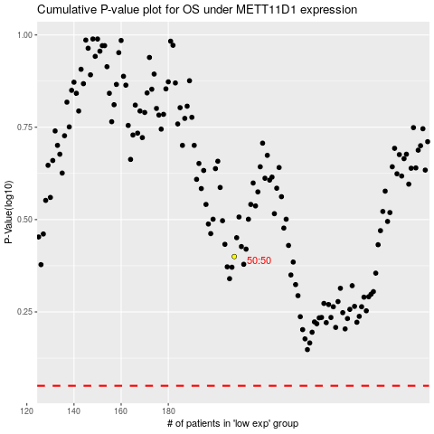

 |  |  |  |  |  | cases_OS | p_OS | rank | exp
 |  |  |  |  |  |  | cases_RFS | p_RFS | rank | exp

