METT5D1 _multivariate
Reported by Tex Li-Hsing Chi. tex@gate.sinica.edu.tw 2019-08-18

Table 2. The clinicopathological features of HNSCC cohort and METT5D1 expression. (Chi square test)
Cutoff at -0.158 (49.8%)
 |  | METT5D1 expression |  | METT5D1 expression |  | (Optimised)
 | Features | Low | (%) | High | (%) | Case no | P-value | Remark | Matthews
Gender | Female | 146 | 35.2 | 160 | 38.6 | 415 | 0.1714 | 0 | 0
2 | Male | 61 | 14.7 | 48 | 11.6
Age at diagnosis | <=65y | 140 | 33.7 | 134 | 32.3 | 415 | 0.5574 | 0 | 0
4 | >65y | 67 | 16.1 | 74 | 17.8
Clinical T Status | T1+T2 | 65 | 15.7 | 84 | 20.2 | 415 | 0.0711 | 0 | 0
6 | T3+T4 | 142 | 34.2 | 124 | 29.9
Clinical N Status | N0 | 106 | 25.5 | 110 | 26.5 | 415 | 0.8075 | 0 | 0
8 | N1-3 | 101 | 24.3 | 98 | 23.6
Clinical M Status | M0 | 205 | 49.4 | 207 | 49.9 | 415 | 0.6232 | 0 | 0
10 | M1 | 2 | 0.5 | 1 | 0.2
Clinical Stage | Stage I+II | 45 | 10.8 | 57 | 13.7 | 415 | 0.2202 | 0 | 0
12 | Stage III+IV | 162 | 39 | 151 | 36.4
Surgical Margin status | Negative | 166 | 40 | 152 | 36.6 | 415 | 0.1042 | 0 | 0
14 | Positive | 41 | 9.9 | 56 | 13.5
Tobacco Exposure | Low | 77 | 18.6 | 84 | 20.2 | 415 | 0.5459 | 0 | 0
16 | High | 130 | 31.3 | 124 | 29.9

Table 3. Univariate/Multivariate Cox's proportional hazards regression analyses on OS time of METT5D1 gene expression in HNSCC

 |  | Univariate |  |  |  | Multivariate
 | Features | HR | CI95%(L) | CI95%(H) | P-value | HR | CI95%(L) | CI95%(H) | P-value
1 | Female | 1 |  |  |  | 1
Gender | Male | 1.157 | 0.843 | 1.587 | 0.367 | 1.247 | 0.89 | 1.747 | 0.2
11 | <=65y | 1 |  |  |  | 1
Age at diagnosis | >65y | 1.329 | 0.99 | 1.784 | 0.058 | 1.378 | 1.014 | 1.873 | 0.04
12 | T1+T2 | 1 |  |  |  | 1
Clinical T Status | T3+T4 | 1.409 | 1.028 | 1.931 | 0.033 | 2.255 | 1.193 | 4.262 | 0.012
13 | N0 | 1 |  |  |  | 1
Clinical N Status | N1-3 | 1.185 | 0.89 | 1.577 | 0.246 | 1.225 | 0.859 | 1.747 | 0.263
14 | M0 | 1 |  |  |  | 1
Clinical M Status | M1 | 4.097 | 1.009 | 16.644 | 0.049 | 10.476 | 2.274 | 48.257 | 0.003
15 | Stage I+II | 1 |  |  |  | 1
Clinical Stage | Stage III+IV | 1.245 | 0.882 | 1.759 | 0.213 | 0.509 | 0.237 | 1.093 | 0.083
16 | Negative | 1 |  |  |  | 1
Surgical Margin status | Positive | 1.591 | 1.155 | 2.191 | 0.004 | 1.598 | 1.153 | 2.215 | 0.005
17 | Low | 1 |  |  |  | 1
Tobacco Exposure | High | 1.364 | 1.008 | 1.844 | 0.044 | 1.481 | 1.074 | 2.042 | 0.016
18 | Low | 1 |  |  |  | 1
RNAseq(z-score) | High | 1.284 | 0.962 | 1.713 | 0.09 | 1.307 | 0.971 | 1.758 | 0.077

Table 4. Univariate/Multivariate Cox's proportional hazards regression analyses on RFS time of METT5D1 gene expression in HNSCC

 |  | Univariate |  |  |  | Multivariate
 | Features | HR | CI95%(L) | CI95%(H) | P-value | HR | CI95%(L) | CI95%(H) | P-value
1 | Female | 1 |  |  |  | 1
Gender | Male | 1.157 | 0.843 | 1.587 | 0.367 | 1.247 | 0.89 | 1.747 | 0.2
11 | <=65y | 1 |  |  |  | 1
Age at diagnosis | >65y | 1.329 | 0.99 | 1.784 | 0.058 | 1.378 | 1.014 | 1.873 | 0.04
12 | T1+T2 | 1 |  |  |  | 1
Clinical T Status | T3+T4 | 1.409 | 1.028 | 1.931 | 0.033 | 2.255 | 1.193 | 4.262 | 0.012
13 | N0 | 1 |  |  |  | 1
Clinical N Status | N1-3 | 1.185 | 0.89 | 1.577 | 0.246 | 1.225 | 0.859 | 1.747 | 0.263
14 | M0 | 1 |  |  |  | 1
Clinical M Status | M1 | 4.097 | 1.009 | 16.644 | 0.049 | 10.476 | 2.274 | 48.257 | 0.003
15 | Stage I+II | 1 |  |  |  | 1
Clinical Stage | Stage III+IV | 1.245 | 0.882 | 1.759 | 0.213 | 0.509 | 0.237 | 1.093 | 0.083
16 | Negative | 1 |  |  |  | 1
Surgical Margin status | Positive | 1.591 | 1.155 | 2.191 | 0.004 | 1.598 | 1.153 | 2.215 | 0.005
17 | Low | 1 |  |  |  | 1
Tobacco Exposure | High | 1.364 | 1.008 | 1.844 | 0.044 | 1.481 | 1.074 | 2.042 | 0.016
18 | Low | 1 |  |  |  | 1
RNAseq(z-score) | High | 1.284 | 0.962 | 1.713 | 0.09 | 1.307 | 0.971 | 1.758 | 0.077

Kaplan-Meier survival estimate: Cutoff at -0.158 (49.8%)



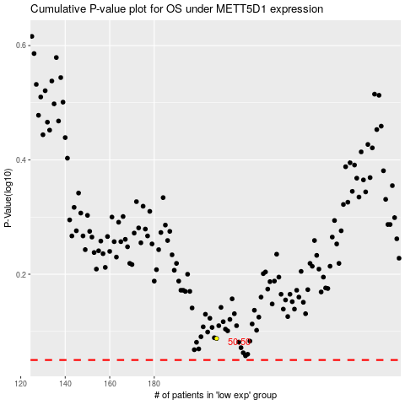

 |  |  |  |  |  | cases_OS | p_OS | rank | exp
 |  |  |  |  |  |  | cases_RFS | p_RFS | rank | exp

