METTL13 _multivariate
Reported by Tex Li-Hsing Chi. tex@gate.sinica.edu.tw 2019-08-18

Table 2. The clinicopathological features of HNSCC cohort and METTL13 expression. (Chi square test)
Cutoff at -0.226 (49.8%)
 |  | METTL13 expression |  | METTL13 expression |  | (Optimised)
 | Features | Low | (%) | High | (%) | Case no | P-value | Remark | Matthews
Gender | Female | 143 | 34.5 | 163 | 39.3 | 415 | 0.0416 | 1 | 0
2 | Male | 64 | 15.4 | 45 | 10.8
Age at diagnosis | <=65y | 128 | 30.8 | 146 | 35.2 | 415 | 0.0904 | 0 | 0
4 | >65y | 79 | 19 | 62 | 14.9
Clinical T Status | T1+T2 | 70 | 16.9 | 79 | 19 | 415 | 0.4343 | 0 | 0
6 | T3+T4 | 137 | 33 | 129 | 31.1
Clinical N Status | N0 | 108 | 26 | 108 | 26 | 415 | 1 | 0 | 0
8 | N1-3 | 99 | 23.9 | 100 | 24.1
Clinical M Status | M0 | 206 | 49.6 | 206 | 49.6 | 415 | 1 | 0 | 0
10 | M1 | 1 | 0.2 | 2 | 0.5
Clinical Stage | Stage I+II | 52 | 12.5 | 50 | 12 | 415 | 0.8871 | 0 | 0
12 | Stage III+IV | 155 | 37.3 | 158 | 38.1
Surgical Margin status | Negative | 161 | 38.8 | 157 | 37.8 | 415 | 0.6429 | 0 | 0
14 | Positive | 46 | 11.1 | 51 | 12.3
Tobacco Exposure | Low | 85 | 20.5 | 76 | 18.3 | 415 | 0.3655 | 0 | 0
16 | High | 122 | 29.4 | 132 | 31.8

Table 3. Univariate/Multivariate Cox's proportional hazards regression analyses on OS time of METTL13 gene expression in HNSCC

 |  | Univariate |  |  |  | Multivariate
 | Features | HR | CI95%(L) | CI95%(H) | P-value | HR | CI95%(L) | CI95%(H) | P-value
1 | Female | 1 |  |  |  | 1
Gender | Male | 1.157 | 0.843 | 1.587 | 0.367 | 1.207 | 0.864 | 1.688 | 0.27
11 | <=65y | 1 |  |  |  | 1
Age at diagnosis | >65y | 1.329 | 0.99 | 1.784 | 0.058 | 1.403 | 1.03 | 1.911 | 0.032
12 | T1+T2 | 1 |  |  |  | 1
Clinical T Status | T3+T4 | 1.409 | 1.028 | 1.931 | 0.033 | 2.223 | 1.174 | 4.208 | 0.014
13 | N0 | 1 |  |  |  | 1
Clinical N Status | N1-3 | 1.185 | 0.89 | 1.577 | 0.246 | 1.25 | 0.875 | 1.786 | 0.221
14 | M0 | 1 |  |  |  | 1
Clinical M Status | M1 | 4.097 | 1.009 | 16.644 | 0.049 | 9.4 | 2.051 | 43.089 | 0.004
15 | Stage I+II | 1 |  |  |  | 1
Clinical Stage | Stage III+IV | 1.245 | 0.882 | 1.759 | 0.213 | 0.497 | 0.231 | 1.069 | 0.074
16 | Negative | 1 |  |  |  | 1
Surgical Margin status | Positive | 1.591 | 1.155 | 2.191 | 0.004 | 1.661 | 1.201 | 2.297 | 0.002
17 | Low | 1 |  |  |  | 1
Tobacco Exposure | High | 1.364 | 1.008 | 1.844 | 0.044 | 1.45 | 1.053 | 1.997 | 0.023
18 | Low | 1 |  |  |  | 1
RNAseq(z-score) | High | 1.053 | 0.79 | 1.404 | 0.723 | 1.072 | 0.8 | 1.437 | 0.642

Table 4. Univariate/Multivariate Cox's proportional hazards regression analyses on RFS time of METTL13 gene expression in HNSCC

 |  | Univariate |  |  |  | Multivariate
 | Features | HR | CI95%(L) | CI95%(H) | P-value | HR | CI95%(L) | CI95%(H) | P-value
1 | Female | 1 |  |  |  | 1
Gender | Male | 1.157 | 0.843 | 1.587 | 0.367 | 1.207 | 0.864 | 1.688 | 0.27
11 | <=65y | 1 |  |  |  | 1
Age at diagnosis | >65y | 1.329 | 0.99 | 1.784 | 0.058 | 1.403 | 1.03 | 1.911 | 0.032
12 | T1+T2 | 1 |  |  |  | 1
Clinical T Status | T3+T4 | 1.409 | 1.028 | 1.931 | 0.033 | 2.223 | 1.174 | 4.208 | 0.014
13 | N0 | 1 |  |  |  | 1
Clinical N Status | N1-3 | 1.185 | 0.89 | 1.577 | 0.246 | 1.25 | 0.875 | 1.786 | 0.221
14 | M0 | 1 |  |  |  | 1
Clinical M Status | M1 | 4.097 | 1.009 | 16.644 | 0.049 | 9.4 | 2.051 | 43.089 | 0.004
15 | Stage I+II | 1 |  |  |  | 1
Clinical Stage | Stage III+IV | 1.245 | 0.882 | 1.759 | 0.213 | 0.497 | 0.231 | 1.069 | 0.074
16 | Negative | 1 |  |  |  | 1
Surgical Margin status | Positive | 1.591 | 1.155 | 2.191 | 0.004 | 1.661 | 1.201 | 2.297 | 0.002
17 | Low | 1 |  |  |  | 1
Tobacco Exposure | High | 1.364 | 1.008 | 1.844 | 0.044 | 1.45 | 1.053 | 1.997 | 0.023
18 | Low | 1 |  |  |  | 1
RNAseq(z-score) | High | 1.053 | 0.79 | 1.404 | 0.723 | 1.072 | 0.8 | 1.437 | 0.642

Kaplan-Meier survival estimate: Cutoff at -0.226 (49.8%)



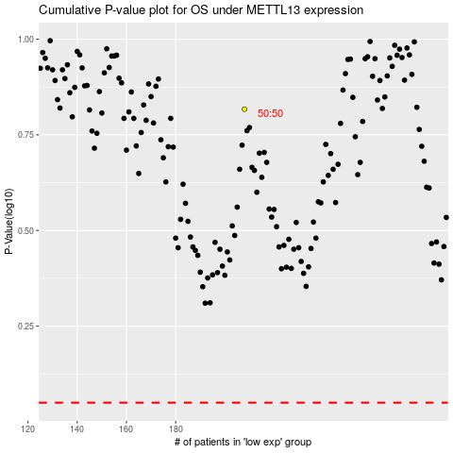

 |  |  |  |  |  | cases_OS | p_OS | rank | exp
 |  |  |  |  |  |  | cases_RFS | p_RFS | rank | exp

