METTL14 _multivariate
Reported by Tex Li-Hsing Chi. tex@gate.sinica.edu.tw 2019-08-18

Table 2. The clinicopathological features of HNSCC cohort and METTL14 expression. (Chi square test)
Cutoff at -0.067 (49.8%)
 |  | METTL14 expression |  | METTL14 expression |  | (Optimised)
 | Features | Low | (%) | High | (%) | Case no | P-value | Remark | Matthews
Gender | Female | 163 | 39.3 | 143 | 34.5 | 415 | 0.0277 | 1 | 0
2 | Male | 44 | 10.6 | 65 | 15.7
Age at diagnosis | <=65y | 138 | 33.3 | 136 | 32.8 | 415 | 0.8634 | 0 | 0
4 | >65y | 69 | 16.6 | 72 | 17.3
Clinical T Status | T1+T2 | 68 | 16.4 | 81 | 19.5 | 415 | 0.2336 | 0 | 0
6 | T3+T4 | 139 | 33.5 | 127 | 30.6
Clinical N Status | N0 | 104 | 25.1 | 112 | 27 | 415 | 0.5243 | 0 | 0
8 | N1-3 | 103 | 24.8 | 96 | 23.1
Clinical M Status | M0 | 205 | 49.4 | 207 | 49.9 | 415 | 0.6232 | 0 | 0
10 | M1 | 2 | 0.5 | 1 | 0.2
Clinical Stage | Stage I+II | 42 | 10.1 | 60 | 14.5 | 415 | 0.0561 | 0 | 0
12 | Stage III+IV | 165 | 39.8 | 148 | 35.7
Surgical Margin status | Negative | 150 | 36.1 | 168 | 40.5 | 415 | 0.0492 | 1 | 0
14 | Positive | 57 | 13.7 | 40 | 9.6
Tobacco Exposure | Low | 79 | 19 | 82 | 19.8 | 415 | 0.8405 | 0 | 0
16 | High | 128 | 30.8 | 126 | 30.4

Table 3. Univariate/Multivariate Cox's proportional hazards regression analyses on OS time of METTL14 gene expression in HNSCC

 |  | Univariate |  |  |  | Multivariate
 | Features | HR | CI95%(L) | CI95%(H) | P-value | HR | CI95%(L) | CI95%(H) | P-value
1 | Female | 1 |  |  |  | 1
Gender | Male | 1.157 | 0.843 | 1.587 | 0.367 | 1.179 | 0.842 | 1.65 | 0.339
11 | <=65y | 1 |  |  |  | 1
Age at diagnosis | >65y | 1.329 | 0.99 | 1.784 | 0.058 | 1.388 | 1.021 | 1.887 | 0.037
12 | T1+T2 | 1 |  |  |  | 1
Clinical T Status | T3+T4 | 1.409 | 1.028 | 1.931 | 0.033 | 2.247 | 1.186 | 4.256 | 0.013
13 | N0 | 1 |  |  |  | 1
Clinical N Status | N1-3 | 1.185 | 0.89 | 1.577 | 0.246 | 1.241 | 0.87 | 1.771 | 0.234
14 | M0 | 1 |  |  |  | 1
Clinical M Status | M1 | 4.097 | 1.009 | 16.644 | 0.049 | 9.662 | 2.104 | 44.367 | 0.004
15 | Stage I+II | 1 |  |  |  | 1
Clinical Stage | Stage III+IV | 1.245 | 0.882 | 1.759 | 0.213 | 0.502 | 0.234 | 1.078 | 0.077
16 | Negative | 1 |  |  |  | 1
Surgical Margin status | Positive | 1.591 | 1.155 | 2.191 | 0.004 | 1.716 | 1.235 | 2.384 | 0.001
17 | Low | 1 |  |  |  | 1
Tobacco Exposure | High | 1.364 | 1.008 | 1.844 | 0.044 | 1.452 | 1.054 | 2.001 | 0.022
18 | Low | 1 |  |  |  | 1
RNAseq(z-score) | High | 1.068 | 0.802 | 1.424 | 0.651 | 1.146 | 0.852 | 1.54 | 0.367

Table 4. Univariate/Multivariate Cox's proportional hazards regression analyses on RFS time of METTL14 gene expression in HNSCC

 |  | Univariate |  |  |  | Multivariate
 | Features | HR | CI95%(L) | CI95%(H) | P-value | HR | CI95%(L) | CI95%(H) | P-value
1 | Female | 1 |  |  |  | 1
Gender | Male | 1.157 | 0.843 | 1.587 | 0.367 | 1.179 | 0.842 | 1.65 | 0.339
11 | <=65y | 1 |  |  |  | 1
Age at diagnosis | >65y | 1.329 | 0.99 | 1.784 | 0.058 | 1.388 | 1.021 | 1.887 | 0.037
12 | T1+T2 | 1 |  |  |  | 1
Clinical T Status | T3+T4 | 1.409 | 1.028 | 1.931 | 0.033 | 2.247 | 1.186 | 4.256 | 0.013
13 | N0 | 1 |  |  |  | 1
Clinical N Status | N1-3 | 1.185 | 0.89 | 1.577 | 0.246 | 1.241 | 0.87 | 1.771 | 0.234
14 | M0 | 1 |  |  |  | 1
Clinical M Status | M1 | 4.097 | 1.009 | 16.644 | 0.049 | 9.662 | 2.104 | 44.367 | 0.004
15 | Stage I+II | 1 |  |  |  | 1
Clinical Stage | Stage III+IV | 1.245 | 0.882 | 1.759 | 0.213 | 0.502 | 0.234 | 1.078 | 0.077
16 | Negative | 1 |  |  |  | 1
Surgical Margin status | Positive | 1.591 | 1.155 | 2.191 | 0.004 | 1.716 | 1.235 | 2.384 | 0.001
17 | Low | 1 |  |  |  | 1
Tobacco Exposure | High | 1.364 | 1.008 | 1.844 | 0.044 | 1.452 | 1.054 | 2.001 | 0.022
18 | Low | 1 |  |  |  | 1
RNAseq(z-score) | High | 1.068 | 0.802 | 1.424 | 0.651 | 1.146 | 0.852 | 1.54 | 0.367

Kaplan-Meier survival estimate: Cutoff at -0.067 (49.8%)



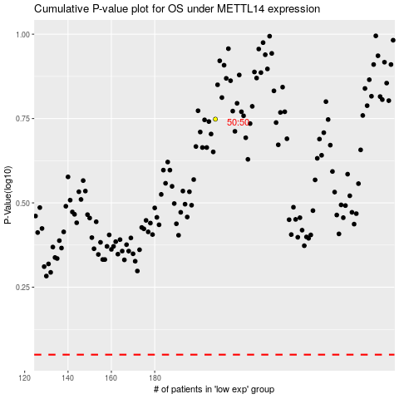

 |  |  |  |  |  | cases_OS | p_OS | rank | exp
 |  |  |  |  |  |  | cases_RFS | p_RFS | rank | exp

