METTL4 _multivariate
Reported by Tex Li-Hsing Chi. tex@gate.sinica.edu.tw 2019-08-18

Table 2. The clinicopathological features of HNSCC cohort and METTL4 expression. (Chi square test)
Cutoff at -0.2 (49.8%)
 |  | METTL4 expression |  | METTL4 expression |  | (Optimised)
 | Features | Low | (%) | High | (%) | Case no | P-value | Remark | Matthews
Gender | Female | 136 | 32.8 | 170 | 41 | 415 | 3e-04 | 1 | 0
2 | Male | 71 | 17.1 | 38 | 9.2
Age at diagnosis | <=65y | 130 | 31.3 | 144 | 34.7 | 415 | 0.2009 | 0 | 0
4 | >65y | 77 | 18.6 | 64 | 15.4
Clinical T Status | T1+T2 | 73 | 17.6 | 76 | 18.3 | 415 | 0.8666 | 0 | 0
6 | T3+T4 | 134 | 32.3 | 132 | 31.8
Clinical N Status | N0 | 117 | 28.2 | 99 | 23.9 | 415 | 0.0852 | 1 | 0
8 | N1-3 | 90 | 21.7 | 109 | 26.3
Clinical M Status | M0 | 205 | 49.4 | 207 | 49.9 | 415 | 0.6232 | 0 | 0
10 | M1 | 2 | 0.5 | 1 | 0.2
Clinical Stage | Stage I+II | 57 | 13.7 | 45 | 10.8 | 415 | 0.1998 | 0 | 0
12 | Stage III+IV | 150 | 36.1 | 163 | 39.3
Surgical Margin status | Negative | 167 | 40.2 | 151 | 36.4 | 415 | 0.0632 | 0 | 0
14 | Positive | 40 | 9.6 | 57 | 13.7
Tobacco Exposure | Low | 92 | 22.2 | 69 | 16.6 | 415 | 0.0206 | 1 | 0
16 | High | 115 | 27.7 | 139 | 33.5

Table 3. Univariate/Multivariate Cox's proportional hazards regression analyses on OS time of METTL4 gene expression in HNSCC

 |  | Univariate |  |  |  | Multivariate
 | Features | HR | CI95%(L) | CI95%(H) | P-value | HR | CI95%(L) | CI95%(H) | P-value
1 | Female | 1 |  |  |  | 1
Gender | Male | 1.157 | 0.843 | 1.587 | 0.367 | 1.18 | 0.842 | 1.655 | 0.336
11 | <=65y | 1 |  |  |  | 1
Age at diagnosis | >65y | 1.329 | 0.99 | 1.784 | 0.058 | 1.39 | 1.023 | 1.889 | 0.035
12 | T1+T2 | 1 |  |  |  | 1
Clinical T Status | T3+T4 | 1.409 | 1.028 | 1.931 | 0.033 | 2.156 | 1.139 | 4.083 | 0.018
13 | N0 | 1 |  |  |  | 1
Clinical N Status | N1-3 | 1.185 | 0.89 | 1.577 | 0.246 | 1.247 | 0.874 | 1.779 | 0.223
14 | M0 | 1 |  |  |  | 1
Clinical M Status | M1 | 4.097 | 1.009 | 16.644 | 0.049 | 9.045 | 1.968 | 41.577 | 0.005
15 | Stage I+II | 1 |  |  |  | 1
Clinical Stage | Stage III+IV | 1.245 | 0.882 | 1.759 | 0.213 | 0.517 | 0.241 | 1.113 | 0.092
16 | Negative | 1 |  |  |  | 1
Surgical Margin status | Positive | 1.591 | 1.155 | 2.191 | 0.004 | 1.679 | 1.215 | 2.319 | 0.002
17 | Low | 1 |  |  |  | 1
Tobacco Exposure | High | 1.364 | 1.008 | 1.844 | 0.044 | 1.468 | 1.064 | 2.026 | 0.02
18 | Low | 1 |  |  |  | 1
RNAseq(z-score) | High | 0.889 | 0.666 | 1.188 | 0.427 | 0.885 | 0.658 | 1.191 | 0.422

Table 4. Univariate/Multivariate Cox's proportional hazards regression analyses on RFS time of METTL4 gene expression in HNSCC

 |  | Univariate |  |  |  | Multivariate
 | Features | HR | CI95%(L) | CI95%(H) | P-value | HR | CI95%(L) | CI95%(H) | P-value
1 | Female | 1 |  |  |  | 1
Gender | Male | 1.157 | 0.843 | 1.587 | 0.367 | 1.18 | 0.842 | 1.655 | 0.336
11 | <=65y | 1 |  |  |  | 1
Age at diagnosis | >65y | 1.329 | 0.99 | 1.784 | 0.058 | 1.39 | 1.023 | 1.889 | 0.035
12 | T1+T2 | 1 |  |  |  | 1
Clinical T Status | T3+T4 | 1.409 | 1.028 | 1.931 | 0.033 | 2.156 | 1.139 | 4.083 | 0.018
13 | N0 | 1 |  |  |  | 1
Clinical N Status | N1-3 | 1.185 | 0.89 | 1.577 | 0.246 | 1.247 | 0.874 | 1.779 | 0.223
14 | M0 | 1 |  |  |  | 1
Clinical M Status | M1 | 4.097 | 1.009 | 16.644 | 0.049 | 9.045 | 1.968 | 41.577 | 0.005
15 | Stage I+II | 1 |  |  |  | 1
Clinical Stage | Stage III+IV | 1.245 | 0.882 | 1.759 | 0.213 | 0.517 | 0.241 | 1.113 | 0.092
16 | Negative | 1 |  |  |  | 1
Surgical Margin status | Positive | 1.591 | 1.155 | 2.191 | 0.004 | 1.679 | 1.215 | 2.319 | 0.002
17 | Low | 1 |  |  |  | 1
Tobacco Exposure | High | 1.364 | 1.008 | 1.844 | 0.044 | 1.468 | 1.064 | 2.026 | 0.02
18 | Low | 1 |  |  |  | 1
RNAseq(z-score) | High | 0.889 | 0.666 | 1.188 | 0.427 | 0.885 | 0.658 | 1.191 | 0.422

Kaplan-Meier survival estimate: Cutoff at -0.2 (49.8%)



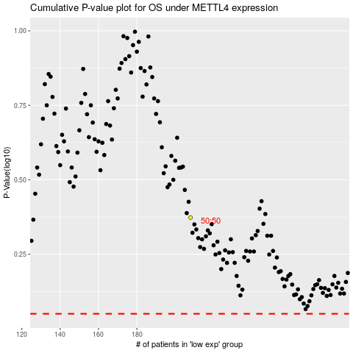

 |  |  |  |  |  | cases_OS | p_OS | rank | exp
 |  |  |  |  |  |  | cases_RFS | p_RFS | rank | exp

