METTL6 _multivariate
Reported by Tex Li-Hsing Chi. tex@gate.sinica.edu.tw 2019-08-18

Table 2. The clinicopathological features of HNSCC cohort and METTL6 expression. (Chi square test)
Cutoff at -0.244 (49.8%)
 |  | METTL6 expression |  | METTL6 expression |  | (Optimised)
 | Features | Low | (%) | High | (%) | Case no | P-value | Remark | Matthews
Gender | Female | 157 | 37.8 | 149 | 35.9 | 415 | 0.3881 | 0 | 0
2 | Male | 50 | 12 | 59 | 14.2
Age at diagnosis | <=65y | 140 | 33.7 | 134 | 32.3 | 415 | 0.5574 | 0 | 0
4 | >65y | 67 | 16.1 | 74 | 17.8
Clinical T Status | T1+T2 | 56 | 13.5 | 93 | 22.4 | 415 | 3e-04 | 1 | 0
6 | T3+T4 | 151 | 36.4 | 115 | 27.7
Clinical N Status | N0 | 102 | 24.6 | 114 | 27.5 | 415 | 0.3031 | 0 | 0
8 | N1-3 | 105 | 25.3 | 94 | 22.7
Clinical M Status | M0 | 206 | 49.6 | 206 | 49.6 | 415 | 1 | 0 | 0
10 | M1 | 1 | 0.2 | 2 | 0.5
Clinical Stage | Stage I+II | 40 | 9.6 | 62 | 14.9 | 415 | 0.018 | 1 | 0
12 | Stage III+IV | 167 | 40.2 | 146 | 35.2
Surgical Margin status | Negative | 169 | 40.7 | 149 | 35.9 | 415 | 0.0201 | 1 | 0
14 | Positive | 38 | 9.2 | 59 | 14.2
Tobacco Exposure | Low | 66 | 15.9 | 95 | 22.9 | 415 | 0.0048 | 1 | 0
16 | High | 141 | 34 | 113 | 27.2

Table 3. Univariate/Multivariate Cox's proportional hazards regression analyses on OS time of METTL6 gene expression in HNSCC

 |  | Univariate |  |  |  | Multivariate
 | Features | HR | CI95%(L) | CI95%(H) | P-value | HR | CI95%(L) | CI95%(H) | P-value
1 | Female | 1 |  |  |  | 1
Gender | Male | 1.157 | 0.843 | 1.587 | 0.367 | 1.191 | 0.851 | 1.667 | 0.308
11 | <=65y | 1 |  |  |  | 1
Age at diagnosis | >65y | 1.329 | 0.99 | 1.784 | 0.058 | 1.394 | 1.026 | 1.896 | 0.034
12 | T1+T2 | 1 |  |  |  | 1
Clinical T Status | T3+T4 | 1.409 | 1.028 | 1.931 | 0.033 | 2.241 | 1.181 | 4.254 | 0.014
13 | N0 | 1 |  |  |  | 1
Clinical N Status | N1-3 | 1.185 | 0.89 | 1.577 | 0.246 | 1.255 | 0.877 | 1.795 | 0.215
14 | M0 | 1 |  |  |  | 1
Clinical M Status | M1 | 4.097 | 1.009 | 16.644 | 0.049 | 9.39 | 2.049 | 43.043 | 0.004
15 | Stage I+II | 1 |  |  |  | 1
Clinical Stage | Stage III+IV | 1.245 | 0.882 | 1.759 | 0.213 | 0.502 | 0.234 | 1.078 | 0.077
16 | Negative | 1 |  |  |  | 1
Surgical Margin status | Positive | 1.591 | 1.155 | 2.191 | 0.004 | 1.663 | 1.203 | 2.3 | 0.002
17 | Low | 1 |  |  |  | 1
Tobacco Exposure | High | 1.364 | 1.008 | 1.844 | 0.044 | 1.457 | 1.057 | 2.008 | 0.021
18 | Low | 1 |  |  |  | 1
RNAseq(z-score) | High | 0.995 | 0.747 | 1.325 | 0.974 | 1.079 | 0.8 | 1.456 | 0.619

Table 4. Univariate/Multivariate Cox's proportional hazards regression analyses on RFS time of METTL6 gene expression in HNSCC

 |  | Univariate |  |  |  | Multivariate
 | Features | HR | CI95%(L) | CI95%(H) | P-value | HR | CI95%(L) | CI95%(H) | P-value
1 | Female | 1 |  |  |  | 1
Gender | Male | 1.157 | 0.843 | 1.587 | 0.367 | 1.191 | 0.851 | 1.667 | 0.308
11 | <=65y | 1 |  |  |  | 1
Age at diagnosis | >65y | 1.329 | 0.99 | 1.784 | 0.058 | 1.394 | 1.026 | 1.896 | 0.034
12 | T1+T2 | 1 |  |  |  | 1
Clinical T Status | T3+T4 | 1.409 | 1.028 | 1.931 | 0.033 | 2.241 | 1.181 | 4.254 | 0.014
13 | N0 | 1 |  |  |  | 1
Clinical N Status | N1-3 | 1.185 | 0.89 | 1.577 | 0.246 | 1.255 | 0.877 | 1.795 | 0.215
14 | M0 | 1 |  |  |  | 1
Clinical M Status | M1 | 4.097 | 1.009 | 16.644 | 0.049 | 9.39 | 2.049 | 43.043 | 0.004
15 | Stage I+II | 1 |  |  |  | 1
Clinical Stage | Stage III+IV | 1.245 | 0.882 | 1.759 | 0.213 | 0.502 | 0.234 | 1.078 | 0.077
16 | Negative | 1 |  |  |  | 1
Surgical Margin status | Positive | 1.591 | 1.155 | 2.191 | 0.004 | 1.663 | 1.203 | 2.3 | 0.002
17 | Low | 1 |  |  |  | 1
Tobacco Exposure | High | 1.364 | 1.008 | 1.844 | 0.044 | 1.457 | 1.057 | 2.008 | 0.021
18 | Low | 1 |  |  |  | 1
RNAseq(z-score) | High | 0.995 | 0.747 | 1.325 | 0.974 | 1.079 | 0.8 | 1.456 | 0.619

Kaplan-Meier survival estimate: Cutoff at -0.244 (49.8%)

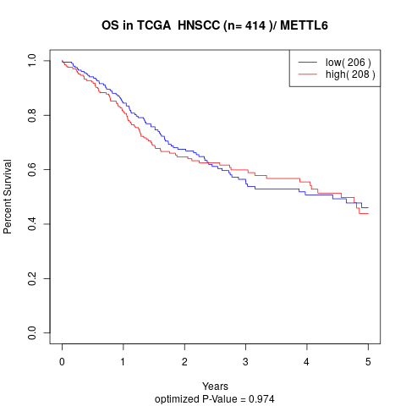

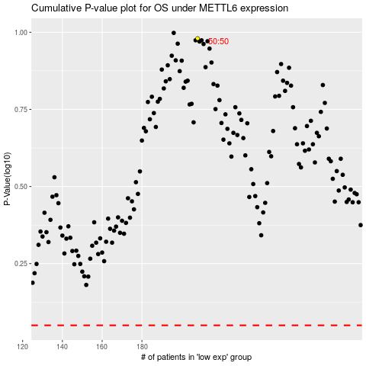

 |  |  |  |  |  | cases_OS | p_OS | rank | exp
 |  |  |  |  |  |  | cases_RFS | p_RFS | rank | exp

