METTL8 _multivariate
Reported by Tex Li-Hsing Chi. tex@gate.sinica.edu.tw 2019-08-18

Table 2. The clinicopathological features of HNSCC cohort and METTL8 expression. (Chi square test)
Cutoff at -0.073 (49.8%)
 |  | METTL8 expression |  | METTL8 expression |  | (Optimised)
 | Features | Low | (%) | High | (%) | Case no | P-value | Remark | Matthews
Gender | Female | 153 | 36.9 | 153 | 36.9 | 415 | 1 | 0 | 0
2 | Male | 54 | 13 | 55 | 13.3
Age at diagnosis | <=65y | 144 | 34.7 | 130 | 31.3 | 415 | 0.1568 | 0 | 0
4 | >65y | 63 | 15.2 | 78 | 18.8
Clinical T Status | T1+T2 | 80 | 19.3 | 69 | 16.6 | 415 | 0.2891 | 0 | 0
6 | T3+T4 | 127 | 30.6 | 139 | 33.5
Clinical N Status | N0 | 98 | 23.6 | 118 | 28.4 | 415 | 0.0694 | 0 | 0
8 | N1-3 | 109 | 26.3 | 90 | 21.7
Clinical M Status | M0 | 205 | 49.4 | 207 | 49.9 | 415 | 0.6232 | 0 | 0
10 | M1 | 2 | 0.5 | 1 | 0.2
Clinical Stage | Stage I+II | 51 | 12.3 | 51 | 12.3 | 415 | 1 | 0 | 0
12 | Stage III+IV | 156 | 37.6 | 157 | 37.8
Surgical Margin status | Negative | 150 | 36.1 | 168 | 40.5 | 415 | 0.0492 | 1 | 0
14 | Positive | 57 | 13.7 | 40 | 9.6
Tobacco Exposure | Low | 85 | 20.5 | 76 | 18.3 | 415 | 0.3655 | 0 | 0
16 | High | 122 | 29.4 | 132 | 31.8

Table 3. Univariate/Multivariate Cox's proportional hazards regression analyses on OS time of METTL8 gene expression in HNSCC

 |  | Univariate |  |  |  | Multivariate
 | Features | HR | CI95%(L) | CI95%(H) | P-value | HR | CI95%(L) | CI95%(H) | P-value
1 | Female | 1 |  |  |  | 1
Gender | Male | 1.157 | 0.843 | 1.587 | 0.367 | 1.207 | 0.865 | 1.683 | 0.268
11 | <=65y | 1 |  |  |  | 1
Age at diagnosis | >65y | 1.329 | 0.99 | 1.784 | 0.058 | 1.4 | 1.031 | 1.902 | 0.031
12 | T1+T2 | 1 |  |  |  | 1
Clinical T Status | T3+T4 | 1.409 | 1.028 | 1.931 | 0.033 | 2.235 | 1.181 | 4.23 | 0.013
13 | N0 | 1 |  |  |  | 1
Clinical N Status | N1-3 | 1.185 | 0.89 | 1.577 | 0.246 | 1.222 | 0.856 | 1.745 | 0.269
14 | M0 | 1 |  |  |  | 1
Clinical M Status | M1 | 4.097 | 1.009 | 16.644 | 0.049 | 9.394 | 2.049 | 43.064 | 0.004
15 | Stage I+II | 1 |  |  |  | 1
Clinical Stage | Stage III+IV | 1.245 | 0.882 | 1.759 | 0.213 | 0.504 | 0.235 | 1.082 | 0.079
16 | Negative | 1 |  |  |  | 1
Surgical Margin status | Positive | 1.591 | 1.155 | 2.191 | 0.004 | 1.637 | 1.182 | 2.268 | 0.003
17 | Low | 1 |  |  |  | 1
Tobacco Exposure | High | 1.364 | 1.008 | 1.844 | 0.044 | 1.445 | 1.05 | 1.989 | 0.024
18 | Low | 1 |  |  |  | 1
RNAseq(z-score) | High | 0.855 | 0.641 | 1.14 | 0.285 | 0.864 | 0.645 | 1.158 | 0.329

Table 4. Univariate/Multivariate Cox's proportional hazards regression analyses on RFS time of METTL8 gene expression in HNSCC

 |  | Univariate |  |  |  | Multivariate
 | Features | HR | CI95%(L) | CI95%(H) | P-value | HR | CI95%(L) | CI95%(H) | P-value
1 | Female | 1 |  |  |  | 1
Gender | Male | 1.157 | 0.843 | 1.587 | 0.367 | 1.207 | 0.865 | 1.683 | 0.268
11 | <=65y | 1 |  |  |  | 1
Age at diagnosis | >65y | 1.329 | 0.99 | 1.784 | 0.058 | 1.4 | 1.031 | 1.902 | 0.031
12 | T1+T2 | 1 |  |  |  | 1
Clinical T Status | T3+T4 | 1.409 | 1.028 | 1.931 | 0.033 | 2.235 | 1.181 | 4.23 | 0.013
13 | N0 | 1 |  |  |  | 1
Clinical N Status | N1-3 | 1.185 | 0.89 | 1.577 | 0.246 | 1.222 | 0.856 | 1.745 | 0.269
14 | M0 | 1 |  |  |  | 1
Clinical M Status | M1 | 4.097 | 1.009 | 16.644 | 0.049 | 9.394 | 2.049 | 43.064 | 0.004
15 | Stage I+II | 1 |  |  |  | 1
Clinical Stage | Stage III+IV | 1.245 | 0.882 | 1.759 | 0.213 | 0.504 | 0.235 | 1.082 | 0.079
16 | Negative | 1 |  |  |  | 1
Surgical Margin status | Positive | 1.591 | 1.155 | 2.191 | 0.004 | 1.637 | 1.182 | 2.268 | 0.003
17 | Low | 1 |  |  |  | 1
Tobacco Exposure | High | 1.364 | 1.008 | 1.844 | 0.044 | 1.445 | 1.05 | 1.989 | 0.024
18 | Low | 1 |  |  |  | 1
RNAseq(z-score) | High | 0.855 | 0.641 | 1.14 | 0.285 | 0.864 | 0.645 | 1.158 | 0.329

Kaplan-Meier survival estimate: Cutoff at -0.073 (49.8%)



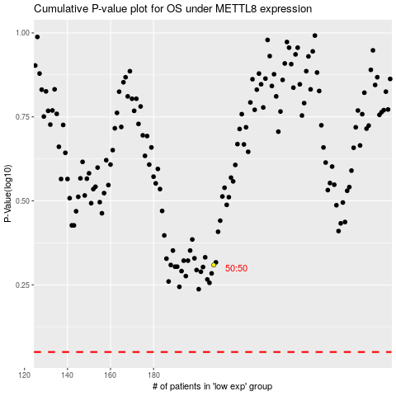

 |  |  |  |  |  | cases_OS | p_OS | rank | exp
 |  |  |  |  |  |  | cases_RFS | p_RFS | rank | exp

