MEX3A _multivariate
Reported by Tex Li-Hsing Chi. tex@gate.sinica.edu.tw 2019-08-18

Table 2. The clinicopathological features of HNSCC cohort and MEX3A expression. (Chi square test)
Cutoff at -0.233 (49.8%)
 |  | MEX3A expression |  | MEX3A expression |  | (Optimised)
 | Features | Low | (%) | High | (%) | Case no | P-value | Remark | Matthews
Gender | Female | 136 | 32.8 | 170 | 41 | 415 | 3e-04 | 1 | 0
2 | Male | 71 | 17.1 | 38 | 9.2
Age at diagnosis | <=65y | 130 | 31.3 | 144 | 34.7 | 415 | 0.2009 | 0 | 0
4 | >65y | 77 | 18.6 | 64 | 15.4
Clinical T Status | T1+T2 | 84 | 20.2 | 65 | 15.7 | 415 | 0.0603 | 0 | 0
6 | T3+T4 | 123 | 29.6 | 143 | 34.5
Clinical N Status | N0 | 111 | 26.7 | 105 | 25.3 | 415 | 0.5875 | 0 | 0
8 | N1-3 | 96 | 23.1 | 103 | 24.8
Clinical M Status | M0 | 204 | 49.2 | 208 | 50.1 | 415 | 0.1232 | 0 | 0
10 | M1 | 3 | 0.7 | 0 | 0
Clinical Stage | Stage I+II | 56 | 13.5 | 46 | 11.1 | 415 | 0.2918 | 0 | 0
12 | Stage III+IV | 151 | 36.4 | 162 | 39
Surgical Margin status | Negative | 155 | 37.3 | 163 | 39.3 | 415 | 0.4187 | 0 | 0
14 | Positive | 52 | 12.5 | 45 | 10.8
Tobacco Exposure | Low | 100 | 24.1 | 61 | 14.7 | 415 | 1e-04 | 1 | 0
16 | High | 107 | 25.8 | 147 | 35.4

Table 3. Univariate/Multivariate Cox's proportional hazards regression analyses on OS time of MEX3A gene expression in HNSCC

 |  | Univariate |  |  |  | Multivariate
 | Features | HR | CI95%(L) | CI95%(H) | P-value | HR | CI95%(L) | CI95%(H) | P-value
1 | Female | 1 |  |  |  | 1
Gender | Male | 1.157 | 0.843 | 1.587 | 0.367 | 1.174 | 0.838 | 1.646 | 0.351
11 | <=65y | 1 |  |  |  | 1
Age at diagnosis | >65y | 1.329 | 0.99 | 1.784 | 0.058 | 1.378 | 1.013 | 1.875 | 0.041
12 | T1+T2 | 1 |  |  |  | 1
Clinical T Status | T3+T4 | 1.409 | 1.028 | 1.931 | 0.033 | 2.23 | 1.178 | 4.219 | 0.014
13 | N0 | 1 |  |  |  | 1
Clinical N Status | N1-3 | 1.185 | 0.89 | 1.577 | 0.246 | 1.244 | 0.872 | 1.774 | 0.228
14 | M0 | 1 |  |  |  | 1
Clinical M Status | M1 | 4.097 | 1.009 | 16.644 | 0.049 | 8.769 | 1.9 | 40.475 | 0.005
15 | Stage I+II | 1 |  |  |  | 1
Clinical Stage | Stage III+IV | 1.245 | 0.882 | 1.759 | 0.213 | 0.506 | 0.236 | 1.086 | 0.081
16 | Negative | 1 |  |  |  | 1
Surgical Margin status | Positive | 1.591 | 1.155 | 2.191 | 0.004 | 1.656 | 1.198 | 2.29 | 0.002
17 | Low | 1 |  |  |  | 1
Tobacco Exposure | High | 1.364 | 1.008 | 1.844 | 0.044 | 1.481 | 1.072 | 2.048 | 0.017
18 | Low | 1 |  |  |  | 1
RNAseq(z-score) | High | 0.888 | 0.665 | 1.185 | 0.42 | 0.869 | 0.641 | 1.178 | 0.366

Table 4. Univariate/Multivariate Cox's proportional hazards regression analyses on RFS time of MEX3A gene expression in HNSCC

 |  | Univariate |  |  |  | Multivariate
 | Features | HR | CI95%(L) | CI95%(H) | P-value | HR | CI95%(L) | CI95%(H) | P-value
1 | Female | 1 |  |  |  | 1
Gender | Male | 1.157 | 0.843 | 1.587 | 0.367 | 1.174 | 0.838 | 1.646 | 0.351
11 | <=65y | 1 |  |  |  | 1
Age at diagnosis | >65y | 1.329 | 0.99 | 1.784 | 0.058 | 1.378 | 1.013 | 1.875 | 0.041
12 | T1+T2 | 1 |  |  |  | 1
Clinical T Status | T3+T4 | 1.409 | 1.028 | 1.931 | 0.033 | 2.23 | 1.178 | 4.219 | 0.014
13 | N0 | 1 |  |  |  | 1
Clinical N Status | N1-3 | 1.185 | 0.89 | 1.577 | 0.246 | 1.244 | 0.872 | 1.774 | 0.228
14 | M0 | 1 |  |  |  | 1
Clinical M Status | M1 | 4.097 | 1.009 | 16.644 | 0.049 | 8.769 | 1.9 | 40.475 | 0.005
15 | Stage I+II | 1 |  |  |  | 1
Clinical Stage | Stage III+IV | 1.245 | 0.882 | 1.759 | 0.213 | 0.506 | 0.236 | 1.086 | 0.081
16 | Negative | 1 |  |  |  | 1
Surgical Margin status | Positive | 1.591 | 1.155 | 2.191 | 0.004 | 1.656 | 1.198 | 2.29 | 0.002
17 | Low | 1 |  |  |  | 1
Tobacco Exposure | High | 1.364 | 1.008 | 1.844 | 0.044 | 1.481 | 1.072 | 2.048 | 0.017
18 | Low | 1 |  |  |  | 1
RNAseq(z-score) | High | 0.888 | 0.665 | 1.185 | 0.42 | 0.869 | 0.641 | 1.178 | 0.366

Kaplan-Meier survival estimate: Cutoff at -0.233 (49.8%)



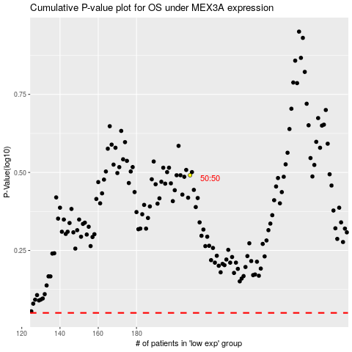

 |  |  |  |  |  | cases_OS | p_OS | rank | exp
 |  |  |  |  |  |  | cases_RFS | p_RFS | rank | exp

