MEX3C _multivariate
Reported by Tex Li-Hsing Chi. tex@gate.sinica.edu.tw 2019-08-18

Table 2. The clinicopathological features of HNSCC cohort and MEX3C expression. (Chi square test)
Cutoff at -0.022 (49.8%)
 |  | MEX3C expression |  | MEX3C expression |  | (Optimised)
 | Features | Low | (%) | High | (%) | Case no | P-value | Remark | Matthews
Gender | Female | 153 | 36.9 | 153 | 36.9 | 415 | 1 | 0 | 0
2 | Male | 54 | 13 | 55 | 13.3
Age at diagnosis | <=65y | 139 | 33.5 | 135 | 32.5 | 415 | 0.7044 | 0 | 0
4 | >65y | 68 | 16.4 | 73 | 17.6
Clinical T Status | T1+T2 | 77 | 18.6 | 72 | 17.3 | 415 | 0.6556 | 0 | 0
6 | T3+T4 | 130 | 31.3 | 136 | 32.8
Clinical N Status | N0 | 116 | 28 | 100 | 24.1 | 415 | 0.1273 | 1 | 0
8 | N1-3 | 91 | 21.9 | 108 | 26
Clinical M Status | M0 | 204 | 49.2 | 208 | 50.1 | 415 | 0.1232 | 0 | 0
10 | M1 | 3 | 0.7 | 0 | 0
Clinical Stage | Stage I+II | 53 | 12.8 | 49 | 11.8 | 415 | 0.7113 | 0 | 0
12 | Stage III+IV | 154 | 37.1 | 159 | 38.3
Surgical Margin status | Negative | 161 | 38.8 | 157 | 37.8 | 415 | 0.6429 | 0 | 0
14 | Positive | 46 | 11.1 | 51 | 12.3
Tobacco Exposure | Low | 81 | 19.5 | 80 | 19.3 | 415 | 0.9199 | 0 | 0
16 | High | 126 | 30.4 | 128 | 30.8

Table 3. Univariate/Multivariate Cox's proportional hazards regression analyses on OS time of MEX3C gene expression in HNSCC

 |  | Univariate |  |  |  | Multivariate
 | Features | HR | CI95%(L) | CI95%(H) | P-value | HR | CI95%(L) | CI95%(H) | P-value
1 | Female | 1 |  |  |  | 1
Gender | Male | 1.157 | 0.843 | 1.587 | 0.367 | 1.206 | 0.864 | 1.684 | 0.271
11 | <=65y | 1 |  |  |  | 1
Age at diagnosis | >65y | 1.329 | 0.99 | 1.784 | 0.058 | 1.4 | 1.029 | 1.905 | 0.032
12 | T1+T2 | 1 |  |  |  | 1
Clinical T Status | T3+T4 | 1.409 | 1.028 | 1.931 | 0.033 | 2.198 | 1.162 | 4.157 | 0.015
13 | N0 | 1 |  |  |  | 1
Clinical N Status | N1-3 | 1.185 | 0.89 | 1.577 | 0.246 | 1.229 | 0.861 | 1.755 | 0.257
14 | M0 | 1 |  |  |  | 1
Clinical M Status | M1 | 4.097 | 1.009 | 16.644 | 0.049 | 10.393 | 2.245 | 48.102 | 0.003
15 | Stage I+II | 1 |  |  |  | 1
Clinical Stage | Stage III+IV | 1.245 | 0.882 | 1.759 | 0.213 | 0.503 | 0.234 | 1.079 | 0.078
16 | Negative | 1 |  |  |  | 1
Surgical Margin status | Positive | 1.591 | 1.155 | 2.191 | 0.004 | 1.686 | 1.22 | 2.331 | 0.002
17 | Low | 1 |  |  |  | 1
Tobacco Exposure | High | 1.364 | 1.008 | 1.844 | 0.044 | 1.451 | 1.053 | 1.998 | 0.023
18 | Low | 1 |  |  |  | 1
RNAseq(z-score) | High | 1.168 | 0.875 | 1.558 | 0.292 | 1.193 | 0.891 | 1.597 | 0.235

Table 4. Univariate/Multivariate Cox's proportional hazards regression analyses on RFS time of MEX3C gene expression in HNSCC

 |  | Univariate |  |  |  | Multivariate
 | Features | HR | CI95%(L) | CI95%(H) | P-value | HR | CI95%(L) | CI95%(H) | P-value
1 | Female | 1 |  |  |  | 1
Gender | Male | 1.157 | 0.843 | 1.587 | 0.367 | 1.206 | 0.864 | 1.684 | 0.271
11 | <=65y | 1 |  |  |  | 1
Age at diagnosis | >65y | 1.329 | 0.99 | 1.784 | 0.058 | 1.4 | 1.029 | 1.905 | 0.032
12 | T1+T2 | 1 |  |  |  | 1
Clinical T Status | T3+T4 | 1.409 | 1.028 | 1.931 | 0.033 | 2.198 | 1.162 | 4.157 | 0.015
13 | N0 | 1 |  |  |  | 1
Clinical N Status | N1-3 | 1.185 | 0.89 | 1.577 | 0.246 | 1.229 | 0.861 | 1.755 | 0.257
14 | M0 | 1 |  |  |  | 1
Clinical M Status | M1 | 4.097 | 1.009 | 16.644 | 0.049 | 10.393 | 2.245 | 48.102 | 0.003
15 | Stage I+II | 1 |  |  |  | 1
Clinical Stage | Stage III+IV | 1.245 | 0.882 | 1.759 | 0.213 | 0.503 | 0.234 | 1.079 | 0.078
16 | Negative | 1 |  |  |  | 1
Surgical Margin status | Positive | 1.591 | 1.155 | 2.191 | 0.004 | 1.686 | 1.22 | 2.331 | 0.002
17 | Low | 1 |  |  |  | 1
Tobacco Exposure | High | 1.364 | 1.008 | 1.844 | 0.044 | 1.451 | 1.053 | 1.998 | 0.023
18 | Low | 1 |  |  |  | 1
RNAseq(z-score) | High | 1.168 | 0.875 | 1.558 | 0.292 | 1.193 | 0.891 | 1.597 | 0.235

Kaplan-Meier survival estimate: Cutoff at -0.022 (49.8%)



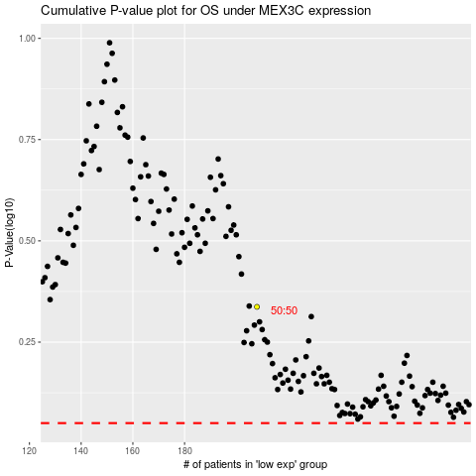

 |  |  |  |  |  | cases_OS | p_OS | rank | exp
 |  |  |  |  |  |  | cases_RFS | p_RFS | rank | exp

