MEX3D _multivariate
Reported by Tex Li-Hsing Chi. tex@gate.sinica.edu.tw 2019-08-18

Table 2. The clinicopathological features of HNSCC cohort and MEX3D expression. (Chi square test)
Cutoff at 0.092 (59.9%)
 |  | MEX3D expression |  | MEX3D expression |  | (Optimised)
 | Features | Low | (%) | High | (%) | Case no | P-value | Remark | Matthews
Gender | Female | 180 | 43.4 | 126 | 30.4 | 415 | 0.591 | 0 | 0
2 | Male | 68 | 16.4 | 41 | 9.9
Age at diagnosis | <=65y | 161 | 38.8 | 113 | 27.2 | 415 | 0.6359 | 0 | 0
4 | >65y | 87 | 21 | 54 | 13
Clinical T Status | T1+T2 | 92 | 22.2 | 57 | 13.7 | 415 | 0.6079 | 0 | 0
6 | T3+T4 | 156 | 37.6 | 110 | 26.5
Clinical N Status | N0 | 128 | 30.8 | 88 | 21.2 | 415 | 0.9076 | 0 | 0
8 | N1-3 | 120 | 28.9 | 79 | 19
Clinical M Status | M0 | 246 | 59.3 | 166 | 40 | 415 | 1 | 0 | 0
10 | M1 | 2 | 0.5 | 1 | 0.2
Clinical Stage | Stage I+II | 65 | 15.7 | 37 | 8.9 | 415 | 0.4097 | 0 | 0
12 | Stage III+IV | 183 | 44.1 | 130 | 31.3
Surgical Margin status | Negative | 183 | 44.1 | 135 | 32.5 | 415 | 0.0995 | 0 | 0
14 | Positive | 65 | 15.7 | 32 | 7.7
Tobacco Exposure | Low | 93 | 22.4 | 68 | 16.4 | 415 | 0.5384 | 0 | 0
16 | High | 155 | 37.3 | 99 | 23.9

Table 3. Univariate/Multivariate Cox's proportional hazards regression analyses on OS time of MEX3D gene expression in HNSCC

 |  | Univariate |  |  |  | Multivariate
 | Features | HR | CI95%(L) | CI95%(H) | P-value | HR | CI95%(L) | CI95%(H) | P-value
1 | Female | 1 |  |  |  | 1
Gender | Male | 1.157 | 0.843 | 1.587 | 0.367 | 1.19 | 0.851 | 1.663 | 0.309
11 | <=65y | 1 |  |  |  | 1
Age at diagnosis | >65y | 1.329 | 0.99 | 1.784 | 0.058 | 1.394 | 1.024 | 1.898 | 0.035
12 | T1+T2 | 1 |  |  |  | 1
Clinical T Status | T3+T4 | 1.409 | 1.028 | 1.931 | 0.033 | 2.151 | 1.136 | 4.072 | 0.019
13 | N0 | 1 |  |  |  | 1
Clinical N Status | N1-3 | 1.185 | 0.89 | 1.577 | 0.246 | 1.235 | 0.865 | 1.762 | 0.246
14 | M0 | 1 |  |  |  | 1
Clinical M Status | M1 | 4.097 | 1.009 | 16.644 | 0.049 | 9.164 | 1.998 | 42.025 | 0.004
15 | Stage I+II | 1 |  |  |  | 1
Clinical Stage | Stage III+IV | 1.245 | 0.882 | 1.759 | 0.213 | 0.528 | 0.246 | 1.134 | 0.102
16 | Negative | 1 |  |  |  | 1
Surgical Margin status | Positive | 1.591 | 1.155 | 2.191 | 0.004 | 1.634 | 1.181 | 2.26 | 0.003
17 | Low | 1 |  |  |  | 1
Tobacco Exposure | High | 1.364 | 1.008 | 1.844 | 0.044 | 1.439 | 1.043 | 1.985 | 0.027
18 | Low | 1 |  |  |  | 1
RNAseq(z-score) | High | 0.735 | 0.544 | 0.993 | 0.045 | 0.769 | 0.568 | 1.041 | 0.089

Table 4. Univariate/Multivariate Cox's proportional hazards regression analyses on RFS time of MEX3D gene expression in HNSCC

 |  | Univariate |  |  |  | Multivariate
 | Features | HR | CI95%(L) | CI95%(H) | P-value | HR | CI95%(L) | CI95%(H) | P-value
1 | Female | 1 |  |  |  | 1
Gender | Male | 1.157 | 0.843 | 1.587 | 0.367 | 1.19 | 0.851 | 1.663 | 0.309
11 | <=65y | 1 |  |  |  | 1
Age at diagnosis | >65y | 1.329 | 0.99 | 1.784 | 0.058 | 1.394 | 1.024 | 1.898 | 0.035
12 | T1+T2 | 1 |  |  |  | 1
Clinical T Status | T3+T4 | 1.409 | 1.028 | 1.931 | 0.033 | 2.151 | 1.136 | 4.072 | 0.019
13 | N0 | 1 |  |  |  | 1
Clinical N Status | N1-3 | 1.185 | 0.89 | 1.577 | 0.246 | 1.235 | 0.865 | 1.762 | 0.246
14 | M0 | 1 |  |  |  | 1
Clinical M Status | M1 | 4.097 | 1.009 | 16.644 | 0.049 | 9.164 | 1.998 | 42.025 | 0.004
15 | Stage I+II | 1 |  |  |  | 1
Clinical Stage | Stage III+IV | 1.245 | 0.882 | 1.759 | 0.213 | 0.528 | 0.246 | 1.134 | 0.102
16 | Negative | 1 |  |  |  | 1
Surgical Margin status | Positive | 1.591 | 1.155 | 2.191 | 0.004 | 1.634 | 1.181 | 2.26 | 0.003
17 | Low | 1 |  |  |  | 1
Tobacco Exposure | High | 1.364 | 1.008 | 1.844 | 0.044 | 1.439 | 1.043 | 1.985 | 0.027
18 | Low | 1 |  |  |  | 1
RNAseq(z-score) | High | 0.735 | 0.544 | 0.993 | 0.045 | 0.769 | 0.568 | 1.041 | 0.089

Kaplan-Meier survival estimate: Cutoff at 0.092 (59.9%)



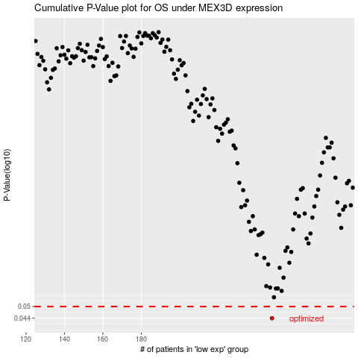

 |  |  |  |  |  | cases_OS | p_OS | rank | exp
 |  |  |  |  |  | 248 | 0.044 | 166 | 0.091675164262
 |  |  |  |  |  |  | cases_RFS | p_RFS | rank | exp
 |  |  |  |  |  |  | 247 | 0.044 | 99 | 0.084159047509

