MFAP1 _multivariate
Reported by Tex Li-Hsing Chi. tex@gate.sinica.edu.tw 2019-08-18

Table 2. The clinicopathological features of HNSCC cohort and MFAP1 expression. (Chi square test)
Cutoff at -0.201 (45.7%)
 |  | MFAP1 expression |  | MFAP1 expression |  | (Optimised)
 | Features | Low | (%) | High | (%) | Case no | P-value | Remark | Matthews
Gender | Female | 138 | 33.3 | 168 | 40.5 | 415 | 0.8474 | 0 | 0
2 | Male | 51 | 12.3 | 58 | 14
Age at diagnosis | <=65y | 126 | 30.4 | 148 | 35.7 | 415 | 0.8818 | 0 | 0
4 | >65y | 63 | 15.2 | 78 | 18.8
Clinical T Status | T1+T2 | 66 | 15.9 | 83 | 20 | 415 | 0.7802 | 0 | 0
6 | T3+T4 | 123 | 29.6 | 143 | 34.5
Clinical N Status | N0 | 92 | 22.2 | 124 | 29.9 | 415 | 0.2467 | 0 | 0
8 | N1-3 | 97 | 23.4 | 102 | 24.6
Clinical M Status | M0 | 188 | 45.3 | 224 | 54 | 415 | 1 | 0 | 0
10 | M1 | 1 | 0.2 | 2 | 0.5
Clinical Stage | Stage I+II | 48 | 11.6 | 54 | 13 | 415 | 0.8106 | 0 | 0
12 | Stage III+IV | 141 | 34 | 172 | 41.4
Surgical Margin status | Negative | 152 | 36.6 | 166 | 40 | 415 | 0.1037 | 0 | 0
14 | Positive | 37 | 8.9 | 60 | 14.5
Tobacco Exposure | Low | 73 | 17.6 | 88 | 21.2 | 415 | 1 | 0 | 0
16 | High | 116 | 28 | 138 | 33.3

Table 3. Univariate/Multivariate Cox's proportional hazards regression analyses on OS time of MFAP1 gene expression in HNSCC

 |  | Univariate |  |  |  | Multivariate
 | Features | HR | CI95%(L) | CI95%(H) | P-value | HR | CI95%(L) | CI95%(H) | P-value
1 | Female | 1 |  |  |  | 1
Gender | Male | 1.157 | 0.843 | 1.587 | 0.367 | 1.192 | 0.852 | 1.668 | 0.305
11 | <=65y | 1 |  |  |  | 1
Age at diagnosis | >65y | 1.329 | 0.99 | 1.784 | 0.058 | 1.41 | 1.036 | 1.919 | 0.029
12 | T1+T2 | 1 |  |  |  | 1
Clinical T Status | T3+T4 | 1.409 | 1.028 | 1.931 | 0.033 | 2.295 | 1.211 | 4.348 | 0.011
13 | N0 | 1 |  |  |  | 1
Clinical N Status | N1-3 | 1.185 | 0.89 | 1.577 | 0.246 | 1.336 | 0.93 | 1.921 | 0.117
14 | M0 | 1 |  |  |  | 1
Clinical M Status | M1 | 4.097 | 1.009 | 16.644 | 0.049 | 8.716 | 1.897 | 40.045 | 0.005
15 | Stage I+II | 1 |  |  |  | 1
Clinical Stage | Stage III+IV | 1.245 | 0.882 | 1.759 | 0.213 | 0.473 | 0.22 | 1.02 | 0.056
16 | Negative | 1 |  |  |  | 1
Surgical Margin status | Positive | 1.591 | 1.155 | 2.191 | 0.004 | 1.626 | 1.175 | 2.249 | 0.003
17 | Low | 1 |  |  |  | 1
Tobacco Exposure | High | 1.364 | 1.008 | 1.844 | 0.044 | 1.422 | 1.031 | 1.962 | 0.032
18 | Low | 1 |  |  |  | 1
RNAseq(z-score) | High | 1.358 | 1.014 | 1.82 | 0.04 | 1.349 | 0.999 | 1.823 | 0.051

Table 4. Univariate/Multivariate Cox's proportional hazards regression analyses on RFS time of MFAP1 gene expression in HNSCC

 |  | Univariate |  |  |  | Multivariate
 | Features | HR | CI95%(L) | CI95%(H) | P-value | HR | CI95%(L) | CI95%(H) | P-value
1 | Female | 1 |  |  |  | 1
Gender | Male | 1.157 | 0.843 | 1.587 | 0.367 | 1.192 | 0.852 | 1.668 | 0.305
11 | <=65y | 1 |  |  |  | 1
Age at diagnosis | >65y | 1.329 | 0.99 | 1.784 | 0.058 | 1.41 | 1.036 | 1.919 | 0.029
12 | T1+T2 | 1 |  |  |  | 1
Clinical T Status | T3+T4 | 1.409 | 1.028 | 1.931 | 0.033 | 2.295 | 1.211 | 4.348 | 0.011
13 | N0 | 1 |  |  |  | 1
Clinical N Status | N1-3 | 1.185 | 0.89 | 1.577 | 0.246 | 1.336 | 0.93 | 1.921 | 0.117
14 | M0 | 1 |  |  |  | 1
Clinical M Status | M1 | 4.097 | 1.009 | 16.644 | 0.049 | 8.716 | 1.897 | 40.045 | 0.005
15 | Stage I+II | 1 |  |  |  | 1
Clinical Stage | Stage III+IV | 1.245 | 0.882 | 1.759 | 0.213 | 0.473 | 0.22 | 1.02 | 0.056
16 | Negative | 1 |  |  |  | 1
Surgical Margin status | Positive | 1.591 | 1.155 | 2.191 | 0.004 | 1.626 | 1.175 | 2.249 | 0.003
17 | Low | 1 |  |  |  | 1
Tobacco Exposure | High | 1.364 | 1.008 | 1.844 | 0.044 | 1.422 | 1.031 | 1.962 | 0.032
18 | Low | 1 |  |  |  | 1
RNAseq(z-score) | High | 1.358 | 1.014 | 1.82 | 0.04 | 1.349 | 0.999 | 1.823 | 0.051

Kaplan-Meier survival estimate: Cutoff at -0.201 (45.7%)



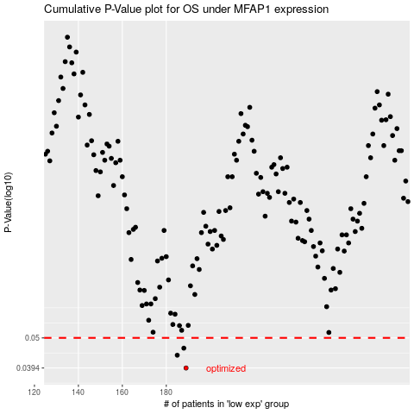

 |  |  |  |  |  | cases_OS | p_OS | rank | exp
 |  |  |  |  |  | 189 | 0.0394 | 155 | -0.20068220866
 |  |  |  |  |  | 185 | 0.0436 | 181 | -0.23255485508
 |  |  |  |  |  | 188 | 0.0461 | 235 | -0.20921212078
 |  |  |  |  |  |  | cases_RFS | p_RFS | rank | exp
 |  |  |  |  |  |  | 188 | 0.0394 | 235 | -0.20921212078
 |  |  |  |  |  |  | 184 | 0.0436 | 110 | -0.23419091284
 |  |  |  |  |  |  | 187 | 0.0461 | 316 | -0.21221529531

