MFF _multivariate
Reported by Tex Li-Hsing Chi. tex@gate.sinica.edu.tw 2019-08-17

Table 2. The clinicopathological features of HNSCC cohort and MFF expression. (Chi square test)
Cutoff at -0.244 (49.8%)
 |  | MFF expression |  | MFF expression |  | (Optimised)
 | Features | Low | (%) | High | (%) | Case no | P-value | Remark | Matthews
Gender | Female | 143 | 34.5 | 163 | 39.3 | 415 | 0.0416 | 1 | 0
2 | Male | 64 | 15.4 | 45 | 10.8
Age at diagnosis | <=65y | 135 | 32.5 | 139 | 33.5 | 415 | 0.8084 | 0 | 0
4 | >65y | 72 | 17.3 | 69 | 16.6
Clinical T Status | T1+T2 | 74 | 17.8 | 75 | 18.1 | 415 | 1 | 0 | 0
6 | T3+T4 | 133 | 32 | 133 | 32
Clinical N Status | N0 | 109 | 26.3 | 107 | 25.8 | 415 | 0.8812 | 0 | 0
8 | N1-3 | 98 | 23.6 | 101 | 24.3
Clinical M Status | M0 | 206 | 49.6 | 206 | 49.6 | 415 | 1 | 0 | 0
10 | M1 | 1 | 0.2 | 2 | 0.5
Clinical Stage | Stage I+II | 54 | 13 | 48 | 11.6 | 415 | 0.5498 | 0 | 0
12 | Stage III+IV | 153 | 36.9 | 160 | 38.6
Surgical Margin status | Negative | 165 | 39.8 | 153 | 36.9 | 415 | 0.1639 | 0 | 0
14 | Positive | 42 | 10.1 | 55 | 13.3
Tobacco Exposure | Low | 88 | 21.2 | 73 | 17.6 | 415 | 0.1314 | 0 | 0
16 | High | 119 | 28.7 | 135 | 32.5

Table 3. Univariate/Multivariate Cox's proportional hazards regression analyses on OS time of MFF gene expression in HNSCC

 |  | Univariate |  |  |  | Multivariate
 | Features | HR | CI95%(L) | CI95%(H) | P-value | HR | CI95%(L) | CI95%(H) | P-value
1 | Female | 1 |  |  |  | 1
Gender | Male | 1.157 | 0.843 | 1.587 | 0.367 | 1.194 | 0.854 | 1.669 | 0.3
11 | <=65y | 1 |  |  |  | 1
Age at diagnosis | >65y | 1.329 | 0.99 | 1.784 | 0.058 | 1.397 | 1.027 | 1.9 | 0.033
12 | T1+T2 | 1 |  |  |  | 1
Clinical T Status | T3+T4 | 1.409 | 1.028 | 1.931 | 0.033 | 2.197 | 1.161 | 4.154 | 0.016
13 | N0 | 1 |  |  |  | 1
Clinical N Status | N1-3 | 1.185 | 0.89 | 1.577 | 0.246 | 1.242 | 0.871 | 1.772 | 0.232
14 | M0 | 1 |  |  |  | 1
Clinical M Status | M1 | 4.097 | 1.009 | 16.644 | 0.049 | 9.422 | 2.055 | 43.193 | 0.004
15 | Stage I+II | 1 |  |  |  | 1
Clinical Stage | Stage III+IV | 1.245 | 0.882 | 1.759 | 0.213 | 0.509 | 0.237 | 1.093 | 0.083
16 | Negative | 1 |  |  |  | 1
Surgical Margin status | Positive | 1.591 | 1.155 | 2.191 | 0.004 | 1.683 | 1.217 | 2.329 | 0.002
17 | Low | 1 |  |  |  | 1
Tobacco Exposure | High | 1.364 | 1.008 | 1.844 | 0.044 | 1.462 | 1.06 | 2.017 | 0.021
18 | Low | 1 |  |  |  | 1
RNAseq(z-score) | High | 0.996 | 0.748 | 1.326 | 0.977 | 0.933 | 0.696 | 1.249 | 0.639

Table 4. Univariate/Multivariate Cox's proportional hazards regression analyses on RFS time of MFF gene expression in HNSCC

 |  | Univariate |  |  |  | Multivariate
 | Features | HR | CI95%(L) | CI95%(H) | P-value | HR | CI95%(L) | CI95%(H) | P-value
1 | Female | 1 |  |  |  | 1
Gender | Male | 1.157 | 0.843 | 1.587 | 0.367 | 1.194 | 0.854 | 1.669 | 0.3
11 | <=65y | 1 |  |  |  | 1
Age at diagnosis | >65y | 1.329 | 0.99 | 1.784 | 0.058 | 1.397 | 1.027 | 1.9 | 0.033
12 | T1+T2 | 1 |  |  |  | 1
Clinical T Status | T3+T4 | 1.409 | 1.028 | 1.931 | 0.033 | 2.197 | 1.161 | 4.154 | 0.016
13 | N0 | 1 |  |  |  | 1
Clinical N Status | N1-3 | 1.185 | 0.89 | 1.577 | 0.246 | 1.242 | 0.871 | 1.772 | 0.232
14 | M0 | 1 |  |  |  | 1
Clinical M Status | M1 | 4.097 | 1.009 | 16.644 | 0.049 | 9.422 | 2.055 | 43.193 | 0.004
15 | Stage I+II | 1 |  |  |  | 1
Clinical Stage | Stage III+IV | 1.245 | 0.882 | 1.759 | 0.213 | 0.509 | 0.237 | 1.093 | 0.083
16 | Negative | 1 |  |  |  | 1
Surgical Margin status | Positive | 1.591 | 1.155 | 2.191 | 0.004 | 1.683 | 1.217 | 2.329 | 0.002
17 | Low | 1 |  |  |  | 1
Tobacco Exposure | High | 1.364 | 1.008 | 1.844 | 0.044 | 1.462 | 1.06 | 2.017 | 0.021
18 | Low | 1 |  |  |  | 1
RNAseq(z-score) | High | 0.996 | 0.748 | 1.326 | 0.977 | 0.933 | 0.696 | 1.249 | 0.639

Kaplan-Meier survival estimate: Cutoff at -0.244 (49.8%)



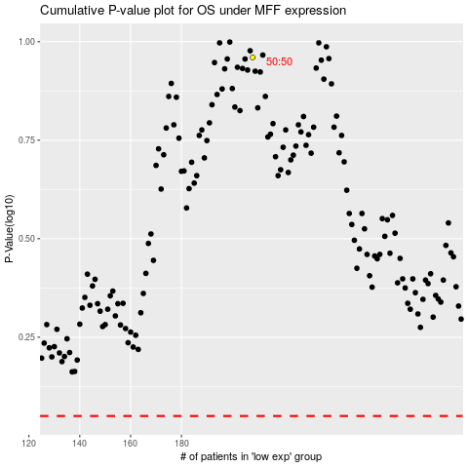

 |  |  |  |  |  | cases_OS | p_OS | rank | exp
 |  |  |  |  |  |  | cases_RFS | p_RFS | rank | exp

