MFN1 _multivariate
Reported by Tex Li-Hsing Chi. tex@gate.sinica.edu.tw 2019-08-17

Table 2. The clinicopathological features of HNSCC cohort and MFN1 expression. (Chi square test)
Cutoff at -0.13 (50.0%)
 |  | MFN1 expression |  | MFN1 expression |  | (Optimised)
 | Features | Low | (%) | High | (%) | Case no | P-value | Remark | Matthews
Gender | Female | 143 | 34.5 | 163 | 39.3 | 415 | 0.0416 | 1 | 0
2 | Male | 64 | 15.4 | 45 | 10.8
Age at diagnosis | <=65y | 134 | 32.3 | 140 | 33.7 | 415 | 0.6529 | 0 | 0
4 | >65y | 73 | 17.6 | 68 | 16.4
Clinical T Status | T1+T2 | 77 | 18.6 | 72 | 17.3 | 415 | 0.6556 | 0 | 0
6 | T3+T4 | 130 | 31.3 | 136 | 32.8
Clinical N Status | N0 | 104 | 25.1 | 112 | 27 | 415 | 0.5243 | 0 | 0
8 | N1-3 | 103 | 24.8 | 96 | 23.1
Clinical M Status | M0 | 204 | 49.2 | 208 | 50.1 | 415 | 0.1232 | 0 | 0
10 | M1 | 3 | 0.7 | 0 | 0
Clinical Stage | Stage I+II | 50 | 12 | 52 | 12.5 | 415 | 0.9315 | 0 | 0
12 | Stage III+IV | 157 | 37.8 | 156 | 37.6
Surgical Margin status | Negative | 159 | 38.3 | 159 | 38.3 | 415 | 1 | 0 | 0
14 | Positive | 48 | 11.6 | 49 | 11.8
Tobacco Exposure | Low | 88 | 21.2 | 73 | 17.6 | 415 | 0.1314 | 0 | 0
16 | High | 119 | 28.7 | 135 | 32.5

Table 3. Univariate/Multivariate Cox's proportional hazards regression analyses on OS time of MFN1 gene expression in HNSCC

 |  | Univariate |  |  |  | Multivariate
 | Features | HR | CI95%(L) | CI95%(H) | P-value | HR | CI95%(L) | CI95%(H) | P-value
1 | Female | 1 |  |  |  | 1
Gender | Male | 1.157 | 0.843 | 1.587 | 0.367 | 1.177 | 0.84 | 1.648 | 0.343
11 | <=65y | 1 |  |  |  | 1
Age at diagnosis | >65y | 1.329 | 0.99 | 1.784 | 0.058 | 1.401 | 1.03 | 1.906 | 0.031
12 | T1+T2 | 1 |  |  |  | 1
Clinical T Status | T3+T4 | 1.409 | 1.028 | 1.931 | 0.033 | 2.229 | 1.179 | 4.214 | 0.014
13 | N0 | 1 |  |  |  | 1
Clinical N Status | N1-3 | 1.185 | 0.89 | 1.577 | 0.246 | 1.231 | 0.863 | 1.756 | 0.251
14 | M0 | 1 |  |  |  | 1
Clinical M Status | M1 | 4.097 | 1.009 | 16.644 | 0.049 | 8.76 | 1.902 | 40.356 | 0.005
15 | Stage I+II | 1 |  |  |  | 1
Clinical Stage | Stage III+IV | 1.245 | 0.882 | 1.759 | 0.213 | 0.5 | 0.233 | 1.072 | 0.075
16 | Negative | 1 |  |  |  | 1
Surgical Margin status | Positive | 1.591 | 1.155 | 2.191 | 0.004 | 1.647 | 1.192 | 2.277 | 0.003
17 | Low | 1 |  |  |  | 1
Tobacco Exposure | High | 1.364 | 1.008 | 1.844 | 0.044 | 1.474 | 1.067 | 2.035 | 0.018
18 | Low | 1 |  |  |  | 1
RNAseq(z-score) | High | 0.826 | 0.62 | 1.101 | 0.193 | 0.85 | 0.633 | 1.14 | 0.277

Table 4. Univariate/Multivariate Cox's proportional hazards regression analyses on RFS time of MFN1 gene expression in HNSCC

 |  | Univariate |  |  |  | Multivariate
 | Features | HR | CI95%(L) | CI95%(H) | P-value | HR | CI95%(L) | CI95%(H) | P-value
1 | Female | 1 |  |  |  | 1
Gender | Male | 1.157 | 0.843 | 1.587 | 0.367 | 1.177 | 0.84 | 1.648 | 0.343
11 | <=65y | 1 |  |  |  | 1
Age at diagnosis | >65y | 1.329 | 0.99 | 1.784 | 0.058 | 1.401 | 1.03 | 1.906 | 0.031
12 | T1+T2 | 1 |  |  |  | 1
Clinical T Status | T3+T4 | 1.409 | 1.028 | 1.931 | 0.033 | 2.229 | 1.179 | 4.214 | 0.014
13 | N0 | 1 |  |  |  | 1
Clinical N Status | N1-3 | 1.185 | 0.89 | 1.577 | 0.246 | 1.231 | 0.863 | 1.756 | 0.251
14 | M0 | 1 |  |  |  | 1
Clinical M Status | M1 | 4.097 | 1.009 | 16.644 | 0.049 | 8.76 | 1.902 | 40.356 | 0.005
15 | Stage I+II | 1 |  |  |  | 1
Clinical Stage | Stage III+IV | 1.245 | 0.882 | 1.759 | 0.213 | 0.5 | 0.233 | 1.072 | 0.075
16 | Negative | 1 |  |  |  | 1
Surgical Margin status | Positive | 1.591 | 1.155 | 2.191 | 0.004 | 1.647 | 1.192 | 2.277 | 0.003
17 | Low | 1 |  |  |  | 1
Tobacco Exposure | High | 1.364 | 1.008 | 1.844 | 0.044 | 1.474 | 1.067 | 2.035 | 0.018
18 | Low | 1 |  |  |  | 1
RNAseq(z-score) | High | 0.826 | 0.62 | 1.101 | 0.193 | 0.85 | 0.633 | 1.14 | 0.277

Kaplan-Meier survival estimate: Cutoff at -0.13 (50.0%)



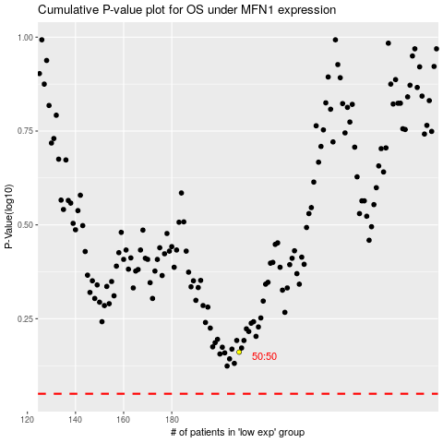

 |  |  |  |  |  | cases_OS | p_OS | rank | exp
 |  |  |  |  |  |  | cases_RFS | p_RFS | rank | exp

