MFSD11 _multivariate
Reported by Tex Li-Hsing Chi. tex@gate.sinica.edu.tw 2019-08-17

Table 2. The clinicopathological features of HNSCC cohort and MFSD11 expression. (Chi square test)
Cutoff at -0.164 (50.0%)
 |  | MFSD11 expression |  | MFSD11 expression |  | (Optimised)
 | Features | Low | (%) | High | (%) | Case no | P-value | Remark | Matthews
Gender | Female | 154 | 37.1 | 152 | 36.6 | 415 | 0.8463 | 0 | 0
2 | Male | 53 | 12.8 | 56 | 13.5
Age at diagnosis | <=65y | 136 | 32.8 | 138 | 33.3 | 415 | 0.9719 | 0 | 0
4 | >65y | 71 | 17.1 | 70 | 16.9
Clinical T Status | T1+T2 | 77 | 18.6 | 72 | 17.3 | 415 | 0.6556 | 0 | 0
6 | T3+T4 | 130 | 31.3 | 136 | 32.8
Clinical N Status | N0 | 99 | 23.9 | 117 | 28.2 | 415 | 0.1054 | 0 | 0
8 | N1-3 | 108 | 26 | 91 | 21.9
Clinical M Status | M0 | 205 | 49.4 | 207 | 49.9 | 415 | 0.6232 | 0 | 0
10 | M1 | 2 | 0.5 | 1 | 0.2
Clinical Stage | Stage I+II | 51 | 12.3 | 51 | 12.3 | 415 | 1 | 0 | 0
12 | Stage III+IV | 156 | 37.6 | 157 | 37.8
Surgical Margin status | Negative | 158 | 38.1 | 160 | 38.6 | 415 | 0.9081 | 0 | 0
14 | Positive | 49 | 11.8 | 48 | 11.6
Tobacco Exposure | Low | 90 | 21.7 | 71 | 17.1 | 415 | 0.0559 | 0 | 0
16 | High | 117 | 28.2 | 137 | 33

Table 3. Univariate/Multivariate Cox's proportional hazards regression analyses on OS time of MFSD11 gene expression in HNSCC

 |  | Univariate |  |  |  | Multivariate
 | Features | HR | CI95%(L) | CI95%(H) | P-value | HR | CI95%(L) | CI95%(H) | P-value
1 | Female | 1 |  |  |  | 1
Gender | Male | 1.157 | 0.843 | 1.587 | 0.367 | 1.2 | 0.859 | 1.678 | 0.285
11 | <=65y | 1 |  |  |  | 1
Age at diagnosis | >65y | 1.329 | 0.99 | 1.784 | 0.058 | 1.4 | 1.029 | 1.904 | 0.032
12 | T1+T2 | 1 |  |  |  | 1
Clinical T Status | T3+T4 | 1.409 | 1.028 | 1.931 | 0.033 | 2.196 | 1.161 | 4.151 | 0.015
13 | N0 | 1 |  |  |  | 1
Clinical N Status | N1-3 | 1.185 | 0.89 | 1.577 | 0.246 | 1.226 | 0.857 | 1.753 | 0.264
14 | M0 | 1 |  |  |  | 1
Clinical M Status | M1 | 4.097 | 1.009 | 16.644 | 0.049 | 9.352 | 2.04 | 42.869 | 0.004
15 | Stage I+II | 1 |  |  |  | 1
Clinical Stage | Stage III+IV | 1.245 | 0.882 | 1.759 | 0.213 | 0.511 | 0.238 | 1.098 | 0.085
16 | Negative | 1 |  |  |  | 1
Surgical Margin status | Positive | 1.591 | 1.155 | 2.191 | 0.004 | 1.663 | 1.203 | 2.298 | 0.002
17 | Low | 1 |  |  |  | 1
Tobacco Exposure | High | 1.364 | 1.008 | 1.844 | 0.044 | 1.476 | 1.067 | 2.043 | 0.019
18 | Low | 1 |  |  |  | 1
RNAseq(z-score) | High | 0.957 | 0.718 | 1.276 | 0.764 | 0.915 | 0.682 | 1.229 | 0.555

Table 4. Univariate/Multivariate Cox's proportional hazards regression analyses on RFS time of MFSD11 gene expression in HNSCC

 |  | Univariate |  |  |  | Multivariate
 | Features | HR | CI95%(L) | CI95%(H) | P-value | HR | CI95%(L) | CI95%(H) | P-value
1 | Female | 1 |  |  |  | 1
Gender | Male | 1.157 | 0.843 | 1.587 | 0.367 | 1.2 | 0.859 | 1.678 | 0.285
11 | <=65y | 1 |  |  |  | 1
Age at diagnosis | >65y | 1.329 | 0.99 | 1.784 | 0.058 | 1.4 | 1.029 | 1.904 | 0.032
12 | T1+T2 | 1 |  |  |  | 1
Clinical T Status | T3+T4 | 1.409 | 1.028 | 1.931 | 0.033 | 2.196 | 1.161 | 4.151 | 0.015
13 | N0 | 1 |  |  |  | 1
Clinical N Status | N1-3 | 1.185 | 0.89 | 1.577 | 0.246 | 1.226 | 0.857 | 1.753 | 0.264
14 | M0 | 1 |  |  |  | 1
Clinical M Status | M1 | 4.097 | 1.009 | 16.644 | 0.049 | 9.352 | 2.04 | 42.869 | 0.004
15 | Stage I+II | 1 |  |  |  | 1
Clinical Stage | Stage III+IV | 1.245 | 0.882 | 1.759 | 0.213 | 0.511 | 0.238 | 1.098 | 0.085
16 | Negative | 1 |  |  |  | 1
Surgical Margin status | Positive | 1.591 | 1.155 | 2.191 | 0.004 | 1.663 | 1.203 | 2.298 | 0.002
17 | Low | 1 |  |  |  | 1
Tobacco Exposure | High | 1.364 | 1.008 | 1.844 | 0.044 | 1.476 | 1.067 | 2.043 | 0.019
18 | Low | 1 |  |  |  | 1
RNAseq(z-score) | High | 0.957 | 0.718 | 1.276 | 0.764 | 0.915 | 0.682 | 1.229 | 0.555

Kaplan-Meier survival estimate: Cutoff at -0.164 (50.0%)



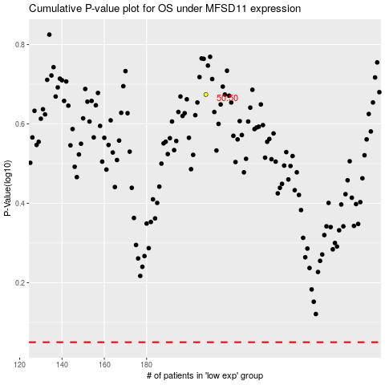

 |  |  |  |  |  | cases_OS | p_OS | rank | exp
 |  |  |  |  |  |  | cases_RFS | p_RFS | rank | exp

