MFSD2A _multivariate
Reported by Tex Li-Hsing Chi. tex@gate.sinica.edu.tw 2019-08-17

Table 2. The clinicopathological features of HNSCC cohort and MFSD2A expression. (Chi square test)
Cutoff at -0.088 (50.0%)
 |  | MFSD2A expression |  | MFSD2A expression |  | (Optimised)
 | Features | Low | (%) | High | (%) | Case no | P-value | Remark | Matthews
Gender | Female | 158 | 38.1 | 148 | 35.7 | 415 | 0.2774 | 0 | 0
2 | Male | 49 | 11.8 | 60 | 14.5
Age at diagnosis | <=65y | 143 | 34.5 | 131 | 31.6 | 415 | 0.2269 | 0 | 0
4 | >65y | 64 | 15.4 | 77 | 18.6
Clinical T Status | T1+T2 | 83 | 20 | 66 | 15.9 | 415 | 0.0941 | 0 | 0
6 | T3+T4 | 124 | 29.9 | 142 | 34.2
Clinical N Status | N0 | 103 | 24.8 | 113 | 27.2 | 415 | 0.4047 | 0 | 0
8 | N1-3 | 104 | 25.1 | 95 | 22.9
Clinical M Status | M0 | 206 | 49.6 | 206 | 49.6 | 415 | 1 | 0 | 0
10 | M1 | 1 | 0.2 | 2 | 0.5
Clinical Stage | Stage I+II | 54 | 13 | 48 | 11.6 | 415 | 0.5498 | 0 | 0
12 | Stage III+IV | 153 | 36.9 | 160 | 38.6
Surgical Margin status | Negative | 159 | 38.3 | 159 | 38.3 | 415 | 1 | 0 | 0
14 | Positive | 48 | 11.6 | 49 | 11.8
Tobacco Exposure | Low | 75 | 18.1 | 86 | 20.7 | 415 | 0.3141 | 0 | 0
16 | High | 132 | 31.8 | 122 | 29.4

Table 3. Univariate/Multivariate Cox's proportional hazards regression analyses on OS time of MFSD2A gene expression in HNSCC

 |  | Univariate |  |  |  | Multivariate
 | Features | HR | CI95%(L) | CI95%(H) | P-value | HR | CI95%(L) | CI95%(H) | P-value
1 | Female | 1 |  |  |  | 1
Gender | Male | 1.157 | 0.843 | 1.587 | 0.367 | 1.209 | 0.866 | 1.688 | 0.265
11 | <=65y | 1 |  |  |  | 1
Age at diagnosis | >65y | 1.329 | 0.99 | 1.784 | 0.058 | 1.408 | 1.035 | 1.916 | 0.029
12 | T1+T2 | 1 |  |  |  | 1
Clinical T Status | T3+T4 | 1.409 | 1.028 | 1.931 | 0.033 | 2.221 | 1.174 | 4.2 | 0.014
13 | N0 | 1 |  |  |  | 1
Clinical N Status | N1-3 | 1.185 | 0.89 | 1.577 | 0.246 | 1.219 | 0.852 | 1.744 | 0.278
14 | M0 | 1 |  |  |  | 1
Clinical M Status | M1 | 4.097 | 1.009 | 16.644 | 0.049 | 9.911 | 2.151 | 45.671 | 0.003
15 | Stage I+II | 1 |  |  |  | 1
Clinical Stage | Stage III+IV | 1.245 | 0.882 | 1.759 | 0.213 | 0.508 | 0.237 | 1.09 | 0.082
16 | Negative | 1 |  |  |  | 1
Surgical Margin status | Positive | 1.591 | 1.155 | 2.191 | 0.004 | 1.671 | 1.209 | 2.309 | 0.002
17 | Low | 1 |  |  |  | 1
Tobacco Exposure | High | 1.364 | 1.008 | 1.844 | 0.044 | 1.453 | 1.055 | 2.001 | 0.022
18 | Low | 1 |  |  |  | 1
RNAseq(z-score) | High | 0.951 | 0.714 | 1.266 | 0.729 | 0.886 | 0.661 | 1.187 | 0.418

Table 4. Univariate/Multivariate Cox's proportional hazards regression analyses on RFS time of MFSD2A gene expression in HNSCC

 |  | Univariate |  |  |  | Multivariate
 | Features | HR | CI95%(L) | CI95%(H) | P-value | HR | CI95%(L) | CI95%(H) | P-value
1 | Female | 1 |  |  |  | 1
Gender | Male | 1.157 | 0.843 | 1.587 | 0.367 | 1.209 | 0.866 | 1.688 | 0.265
11 | <=65y | 1 |  |  |  | 1
Age at diagnosis | >65y | 1.329 | 0.99 | 1.784 | 0.058 | 1.408 | 1.035 | 1.916 | 0.029
12 | T1+T2 | 1 |  |  |  | 1
Clinical T Status | T3+T4 | 1.409 | 1.028 | 1.931 | 0.033 | 2.221 | 1.174 | 4.2 | 0.014
13 | N0 | 1 |  |  |  | 1
Clinical N Status | N1-3 | 1.185 | 0.89 | 1.577 | 0.246 | 1.219 | 0.852 | 1.744 | 0.278
14 | M0 | 1 |  |  |  | 1
Clinical M Status | M1 | 4.097 | 1.009 | 16.644 | 0.049 | 9.911 | 2.151 | 45.671 | 0.003
15 | Stage I+II | 1 |  |  |  | 1
Clinical Stage | Stage III+IV | 1.245 | 0.882 | 1.759 | 0.213 | 0.508 | 0.237 | 1.09 | 0.082
16 | Negative | 1 |  |  |  | 1
Surgical Margin status | Positive | 1.591 | 1.155 | 2.191 | 0.004 | 1.671 | 1.209 | 2.309 | 0.002
17 | Low | 1 |  |  |  | 1
Tobacco Exposure | High | 1.364 | 1.008 | 1.844 | 0.044 | 1.453 | 1.055 | 2.001 | 0.022
18 | Low | 1 |  |  |  | 1
RNAseq(z-score) | High | 0.951 | 0.714 | 1.266 | 0.729 | 0.886 | 0.661 | 1.187 | 0.418

Kaplan-Meier survival estimate: Cutoff at -0.088 (50.0%)



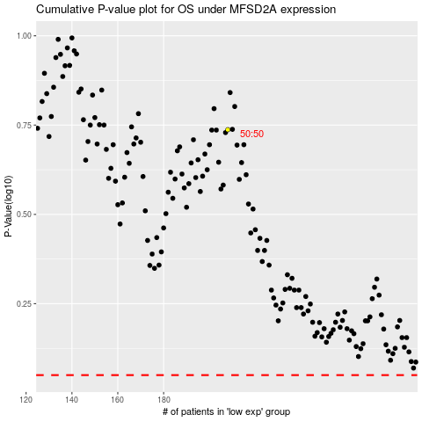

 |  |  |  |  |  | cases_OS | p_OS | rank | exp
 |  |  |  |  |  |  | cases_RFS | p_RFS | rank | exp

