MFSD3 _multivariate
Reported by Tex Li-Hsing Chi. tex@gate.sinica.edu.tw 2019-08-17

Table 2. The clinicopathological features of HNSCC cohort and MFSD3 expression. (Chi square test)
Cutoff at -0.242 (50.0%)
 |  | MFSD3 expression |  | MFSD3 expression |  | (Optimised)
 | Features | Low | (%) | High | (%) | Case no | P-value | Remark | Matthews
Gender | Female | 160 | 38.6 | 146 | 35.2 | 415 | 0.1254 | 0 | 0
2 | Male | 47 | 11.3 | 62 | 14.9
Age at diagnosis | <=65y | 136 | 32.8 | 138 | 33.3 | 415 | 0.9719 | 0 | 0
4 | >65y | 71 | 17.1 | 70 | 16.9
Clinical T Status | T1+T2 | 82 | 19.8 | 67 | 16.1 | 415 | 0.1417 | 0 | 0
6 | T3+T4 | 125 | 30.1 | 141 | 34
Clinical N Status | N0 | 105 | 25.3 | 111 | 26.7 | 415 | 0.6598 | 0 | 0
8 | N1-3 | 102 | 24.6 | 97 | 23.4
Clinical M Status | M0 | 206 | 49.6 | 206 | 49.6 | 415 | 1 | 0 | 0
10 | M1 | 1 | 0.2 | 2 | 0.5
Clinical Stage | Stage I+II | 55 | 13.3 | 47 | 11.3 | 415 | 0.4087 | 0 | 0
12 | Stage III+IV | 152 | 36.6 | 161 | 38.8
Surgical Margin status | Negative | 159 | 38.3 | 159 | 38.3 | 415 | 1 | 0 | 0
14 | Positive | 48 | 11.6 | 49 | 11.8
Tobacco Exposure | Low | 80 | 19.3 | 81 | 19.5 | 415 | 1 | 0 | 0
16 | High | 127 | 30.6 | 127 | 30.6

Table 3. Univariate/Multivariate Cox's proportional hazards regression analyses on OS time of MFSD3 gene expression in HNSCC

 |  | Univariate |  |  |  | Multivariate
 | Features | HR | CI95%(L) | CI95%(H) | P-value | HR | CI95%(L) | CI95%(H) | P-value
1 | Female | 1 |  |  |  | 1
Gender | Male | 1.157 | 0.843 | 1.587 | 0.367 | 1.194 | 0.853 | 1.67 | 0.302
11 | <=65y | 1 |  |  |  | 1
Age at diagnosis | >65y | 1.329 | 0.99 | 1.784 | 0.058 | 1.403 | 1.031 | 1.909 | 0.031
12 | T1+T2 | 1 |  |  |  | 1
Clinical T Status | T3+T4 | 1.409 | 1.028 | 1.931 | 0.033 | 2.164 | 1.142 | 4.101 | 0.018
13 | N0 | 1 |  |  |  | 1
Clinical N Status | N1-3 | 1.185 | 0.89 | 1.577 | 0.246 | 1.244 | 0.872 | 1.775 | 0.229
14 | M0 | 1 |  |  |  | 1
Clinical M Status | M1 | 4.097 | 1.009 | 16.644 | 0.049 | 8.988 | 1.949 | 41.451 | 0.005
15 | Stage I+II | 1 |  |  |  | 1
Clinical Stage | Stage III+IV | 1.245 | 0.882 | 1.759 | 0.213 | 0.508 | 0.237 | 1.091 | 0.082
16 | Negative | 1 |  |  |  | 1
Surgical Margin status | Positive | 1.591 | 1.155 | 2.191 | 0.004 | 1.658 | 1.199 | 2.293 | 0.002
17 | Low | 1 |  |  |  | 1
Tobacco Exposure | High | 1.364 | 1.008 | 1.844 | 0.044 | 1.453 | 1.054 | 2.003 | 0.023
18 | Low | 1 |  |  |  | 1
RNAseq(z-score) | High | 1.197 | 0.898 | 1.594 | 0.22 | 1.102 | 0.824 | 1.475 | 0.513

Table 4. Univariate/Multivariate Cox's proportional hazards regression analyses on RFS time of MFSD3 gene expression in HNSCC

 |  | Univariate |  |  |  | Multivariate
 | Features | HR | CI95%(L) | CI95%(H) | P-value | HR | CI95%(L) | CI95%(H) | P-value
1 | Female | 1 |  |  |  | 1
Gender | Male | 1.157 | 0.843 | 1.587 | 0.367 | 1.194 | 0.853 | 1.67 | 0.302
11 | <=65y | 1 |  |  |  | 1
Age at diagnosis | >65y | 1.329 | 0.99 | 1.784 | 0.058 | 1.403 | 1.031 | 1.909 | 0.031
12 | T1+T2 | 1 |  |  |  | 1
Clinical T Status | T3+T4 | 1.409 | 1.028 | 1.931 | 0.033 | 2.164 | 1.142 | 4.101 | 0.018
13 | N0 | 1 |  |  |  | 1
Clinical N Status | N1-3 | 1.185 | 0.89 | 1.577 | 0.246 | 1.244 | 0.872 | 1.775 | 0.229
14 | M0 | 1 |  |  |  | 1
Clinical M Status | M1 | 4.097 | 1.009 | 16.644 | 0.049 | 8.988 | 1.949 | 41.451 | 0.005
15 | Stage I+II | 1 |  |  |  | 1
Clinical Stage | Stage III+IV | 1.245 | 0.882 | 1.759 | 0.213 | 0.508 | 0.237 | 1.091 | 0.082
16 | Negative | 1 |  |  |  | 1
Surgical Margin status | Positive | 1.591 | 1.155 | 2.191 | 0.004 | 1.658 | 1.199 | 2.293 | 0.002
17 | Low | 1 |  |  |  | 1
Tobacco Exposure | High | 1.364 | 1.008 | 1.844 | 0.044 | 1.453 | 1.054 | 2.003 | 0.023
18 | Low | 1 |  |  |  | 1
RNAseq(z-score) | High | 1.197 | 0.898 | 1.594 | 0.22 | 1.102 | 0.824 | 1.475 | 0.513

Kaplan-Meier survival estimate: Cutoff at -0.242 (50.0%)



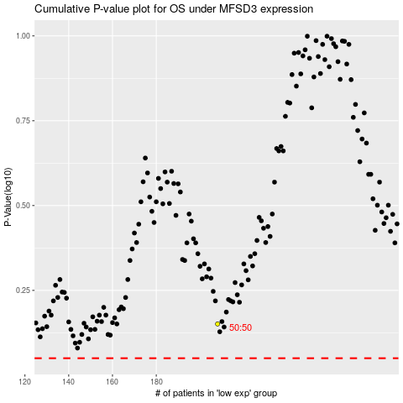

 |  |  |  |  |  | cases_OS | p_OS | rank | exp
 |  |  |  |  |  |  | cases_RFS | p_RFS | rank | exp

