MFSD6L _multivariate
Reported by Tex Li-Hsing Chi. tex@gate.sinica.edu.tw 2019-08-17

Table 2. The clinicopathological features of HNSCC cohort and MFSD6L expression. (Chi square test)
Cutoff at -0.322 (49.8%)
 |  | MFSD6L expression |  | MFSD6L expression |  | (Optimised)
 | Features | Low | (%) | High | (%) | Case no | P-value | Remark | Matthews
Gender | Female | 146 | 35.2 | 160 | 38.6 | 415 | 0.1714 | 0 | 0
2 | Male | 61 | 14.7 | 48 | 11.6
Age at diagnosis | <=65y | 139 | 33.5 | 135 | 32.5 | 415 | 0.7044 | 0 | 0
4 | >65y | 68 | 16.4 | 73 | 17.6
Clinical T Status | T1+T2 | 73 | 17.6 | 76 | 18.3 | 415 | 0.8666 | 0 | 0
6 | T3+T4 | 134 | 32.3 | 132 | 31.8
Clinical N Status | N0 | 100 | 24.1 | 116 | 28 | 415 | 0.1548 | 0 | 0
8 | N1-3 | 107 | 25.8 | 92 | 22.2
Clinical M Status | M0 | 204 | 49.2 | 208 | 50.1 | 415 | 0.1232 | 0 | 0
10 | M1 | 3 | 0.7 | 0 | 0
Clinical Stage | Stage I+II | 51 | 12.3 | 51 | 12.3 | 415 | 1 | 0 | 0
12 | Stage III+IV | 156 | 37.6 | 157 | 37.8
Surgical Margin status | Negative | 161 | 38.8 | 157 | 37.8 | 415 | 0.6429 | 0 | 0
14 | Positive | 46 | 11.1 | 51 | 12.3
Tobacco Exposure | Low | 92 | 22.2 | 69 | 16.6 | 415 | 0.0206 | 1 | 0
16 | High | 115 | 27.7 | 139 | 33.5

Table 3. Univariate/Multivariate Cox's proportional hazards regression analyses on OS time of MFSD6L gene expression in HNSCC

 |  | Univariate |  |  |  | Multivariate
 | Features | HR | CI95%(L) | CI95%(H) | P-value | HR | CI95%(L) | CI95%(H) | P-value
1 | Female | 1 |  |  |  | 1
Gender | Male | 1.157 | 0.843 | 1.587 | 0.367 | 1.202 | 0.86 | 1.679 | 0.281
11 | <=65y | 1 |  |  |  | 1
Age at diagnosis | >65y | 1.329 | 0.99 | 1.784 | 0.058 | 1.398 | 1.028 | 1.903 | 0.033
12 | T1+T2 | 1 |  |  |  | 1
Clinical T Status | T3+T4 | 1.409 | 1.028 | 1.931 | 0.033 | 2.177 | 1.148 | 4.128 | 0.017
13 | N0 | 1 |  |  |  | 1
Clinical N Status | N1-3 | 1.185 | 0.89 | 1.577 | 0.246 | 1.229 | 0.858 | 1.76 | 0.261
14 | M0 | 1 |  |  |  | 1
Clinical M Status | M1 | 4.097 | 1.009 | 16.644 | 0.049 | 9.111 | 1.969 | 42.156 | 0.005
15 | Stage I+II | 1 |  |  |  | 1
Clinical Stage | Stage III+IV | 1.245 | 0.882 | 1.759 | 0.213 | 0.511 | 0.237 | 1.099 | 0.086
16 | Negative | 1 |  |  |  | 1
Surgical Margin status | Positive | 1.591 | 1.155 | 2.191 | 0.004 | 1.677 | 1.213 | 2.318 | 0.002
17 | Low | 1 |  |  |  | 1
Tobacco Exposure | High | 1.364 | 1.008 | 1.844 | 0.044 | 1.474 | 1.06 | 2.05 | 0.021
18 | Low | 1 |  |  |  | 1
RNAseq(z-score) | High | 0.975 | 0.731 | 1.3 | 0.861 | 0.945 | 0.699 | 1.279 | 0.715

Table 4. Univariate/Multivariate Cox's proportional hazards regression analyses on RFS time of MFSD6L gene expression in HNSCC

 |  | Univariate |  |  |  | Multivariate
 | Features | HR | CI95%(L) | CI95%(H) | P-value | HR | CI95%(L) | CI95%(H) | P-value
1 | Female | 1 |  |  |  | 1
Gender | Male | 1.157 | 0.843 | 1.587 | 0.367 | 1.202 | 0.86 | 1.679 | 0.281
11 | <=65y | 1 |  |  |  | 1
Age at diagnosis | >65y | 1.329 | 0.99 | 1.784 | 0.058 | 1.398 | 1.028 | 1.903 | 0.033
12 | T1+T2 | 1 |  |  |  | 1
Clinical T Status | T3+T4 | 1.409 | 1.028 | 1.931 | 0.033 | 2.177 | 1.148 | 4.128 | 0.017
13 | N0 | 1 |  |  |  | 1
Clinical N Status | N1-3 | 1.185 | 0.89 | 1.577 | 0.246 | 1.229 | 0.858 | 1.76 | 0.261
14 | M0 | 1 |  |  |  | 1
Clinical M Status | M1 | 4.097 | 1.009 | 16.644 | 0.049 | 9.111 | 1.969 | 42.156 | 0.005
15 | Stage I+II | 1 |  |  |  | 1
Clinical Stage | Stage III+IV | 1.245 | 0.882 | 1.759 | 0.213 | 0.511 | 0.237 | 1.099 | 0.086
16 | Negative | 1 |  |  |  | 1
Surgical Margin status | Positive | 1.591 | 1.155 | 2.191 | 0.004 | 1.677 | 1.213 | 2.318 | 0.002
17 | Low | 1 |  |  |  | 1
Tobacco Exposure | High | 1.364 | 1.008 | 1.844 | 0.044 | 1.474 | 1.06 | 2.05 | 0.021
18 | Low | 1 |  |  |  | 1
RNAseq(z-score) | High | 0.975 | 0.731 | 1.3 | 0.861 | 0.945 | 0.699 | 1.279 | 0.715

Kaplan-Meier survival estimate: Cutoff at -0.322 (49.8%)



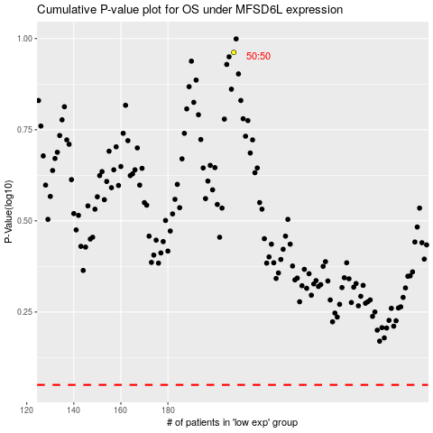

 |  |  |  |  |  | cases_OS | p_OS | rank | exp
 |  |  |  |  |  |  | cases_RFS | p_RFS | rank | exp

