MGAT1 _multivariate
Reported by Tex Li-Hsing Chi. tex@gate.sinica.edu.tw 2019-08-17

Table 2. The clinicopathological features of HNSCC cohort and MGAT1 expression. (Chi square test)
Cutoff at -0.091 (49.8%)
 |  | MGAT1 expression |  | MGAT1 expression |  | (Optimised)
 | Features | Low | (%) | High | (%) | Case no | P-value | Remark | Matthews
Gender | Female | 158 | 38.1 | 148 | 35.7 | 415 | 0.2774 | 0 | 0
2 | Male | 49 | 11.8 | 60 | 14.5
Age at diagnosis | <=65y | 137 | 33 | 137 | 33 | 415 | 1 | 0 | 0
4 | >65y | 70 | 16.9 | 71 | 17.1
Clinical T Status | T1+T2 | 74 | 17.8 | 75 | 18.1 | 415 | 1 | 0 | 0
6 | T3+T4 | 133 | 32 | 133 | 32
Clinical N Status | N0 | 115 | 27.7 | 101 | 24.3 | 415 | 0.184 | 1 | 0
8 | N1-3 | 92 | 22.2 | 107 | 25.8
Clinical M Status | M0 | 207 | 49.9 | 205 | 49.4 | 415 | 0.2482 | 0 | 0
10 | M1 | 0 | 0 | 3 | 0.7
Clinical Stage | Stage I+II | 51 | 12.3 | 51 | 12.3 | 415 | 1 | 0 | 0
12 | Stage III+IV | 156 | 37.6 | 157 | 37.8
Surgical Margin status | Negative | 159 | 38.3 | 159 | 38.3 | 415 | 1 | 0 | 0
14 | Positive | 48 | 11.6 | 49 | 11.8
Tobacco Exposure | Low | 78 | 18.8 | 83 | 20 | 415 | 0.6873 | 0 | 0
16 | High | 129 | 31.1 | 125 | 30.1

Table 3. Univariate/Multivariate Cox's proportional hazards regression analyses on OS time of MGAT1 gene expression in HNSCC

 |  | Univariate |  |  |  | Multivariate
 | Features | HR | CI95%(L) | CI95%(H) | P-value | HR | CI95%(L) | CI95%(H) | P-value
1 | Female | 1 |  |  |  | 1
Gender | Male | 1.157 | 0.843 | 1.587 | 0.367 | 1.2 | 0.859 | 1.677 | 0.285
11 | <=65y | 1 |  |  |  | 1
Age at diagnosis | >65y | 1.329 | 0.99 | 1.784 | 0.058 | 1.382 | 1.016 | 1.88 | 0.039
12 | T1+T2 | 1 |  |  |  | 1
Clinical T Status | T3+T4 | 1.409 | 1.028 | 1.931 | 0.033 | 2.147 | 1.135 | 4.062 | 0.019
13 | N0 | 1 |  |  |  | 1
Clinical N Status | N1-3 | 1.185 | 0.89 | 1.577 | 0.246 | 1.199 | 0.836 | 1.718 | 0.324
14 | M0 | 1 |  |  |  | 1
Clinical M Status | M1 | 4.097 | 1.009 | 16.644 | 0.049 | 8.543 | 1.85 | 39.448 | 0.006
15 | Stage I+II | 1 |  |  |  | 1
Clinical Stage | Stage III+IV | 1.245 | 0.882 | 1.759 | 0.213 | 0.527 | 0.245 | 1.136 | 0.102
16 | Negative | 1 |  |  |  | 1
Surgical Margin status | Positive | 1.591 | 1.155 | 2.191 | 0.004 | 1.664 | 1.205 | 2.299 | 0.002
17 | Low | 1 |  |  |  | 1
Tobacco Exposure | High | 1.364 | 1.008 | 1.844 | 0.044 | 1.484 | 1.074 | 2.049 | 0.017
18 | Low | 1 |  |  |  | 1
RNAseq(z-score) | High | 1.24 | 0.93 | 1.653 | 0.143 | 1.196 | 0.891 | 1.606 | 0.235

Table 4. Univariate/Multivariate Cox's proportional hazards regression analyses on RFS time of MGAT1 gene expression in HNSCC

 |  | Univariate |  |  |  | Multivariate
 | Features | HR | CI95%(L) | CI95%(H) | P-value | HR | CI95%(L) | CI95%(H) | P-value
1 | Female | 1 |  |  |  | 1
Gender | Male | 1.157 | 0.843 | 1.587 | 0.367 | 1.2 | 0.859 | 1.677 | 0.285
11 | <=65y | 1 |  |  |  | 1
Age at diagnosis | >65y | 1.329 | 0.99 | 1.784 | 0.058 | 1.382 | 1.016 | 1.88 | 0.039
12 | T1+T2 | 1 |  |  |  | 1
Clinical T Status | T3+T4 | 1.409 | 1.028 | 1.931 | 0.033 | 2.147 | 1.135 | 4.062 | 0.019
13 | N0 | 1 |  |  |  | 1
Clinical N Status | N1-3 | 1.185 | 0.89 | 1.577 | 0.246 | 1.199 | 0.836 | 1.718 | 0.324
14 | M0 | 1 |  |  |  | 1
Clinical M Status | M1 | 4.097 | 1.009 | 16.644 | 0.049 | 8.543 | 1.85 | 39.448 | 0.006
15 | Stage I+II | 1 |  |  |  | 1
Clinical Stage | Stage III+IV | 1.245 | 0.882 | 1.759 | 0.213 | 0.527 | 0.245 | 1.136 | 0.102
16 | Negative | 1 |  |  |  | 1
Surgical Margin status | Positive | 1.591 | 1.155 | 2.191 | 0.004 | 1.664 | 1.205 | 2.299 | 0.002
17 | Low | 1 |  |  |  | 1
Tobacco Exposure | High | 1.364 | 1.008 | 1.844 | 0.044 | 1.484 | 1.074 | 2.049 | 0.017
18 | Low | 1 |  |  |  | 1
RNAseq(z-score) | High | 1.24 | 0.93 | 1.653 | 0.143 | 1.196 | 0.891 | 1.606 | 0.235

Kaplan-Meier survival estimate: Cutoff at -0.091 (49.8%)



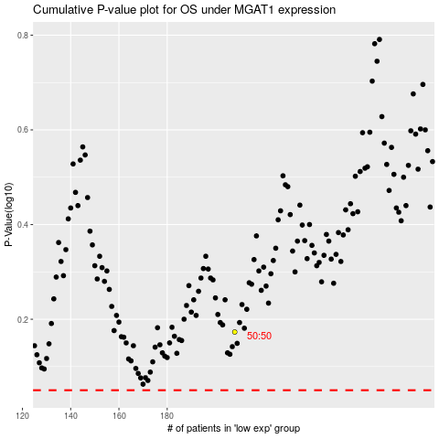

 |  |  |  |  |  | cases_OS | p_OS | rank | exp
 |  |  |  |  |  |  | cases_RFS | p_RFS | rank | exp

