MGAT2 _multivariate
Reported by Tex Li-Hsing Chi. tex@gate.sinica.edu.tw 2019-08-17

Table 2. The clinicopathological features of HNSCC cohort and MGAT2 expression. (Chi square test)
Cutoff at -0.006 (49.8%)
 |  | MGAT2 expression |  | MGAT2 expression |  | (Optimised)
 | Features | Low | (%) | High | (%) | Case no | P-value | Remark | Matthews
Gender | Female | 154 | 37.1 | 152 | 36.6 | 415 | 0.8463 | 0 | 0
2 | Male | 53 | 12.8 | 56 | 13.5
Age at diagnosis | <=65y | 142 | 34.2 | 132 | 31.8 | 415 | 0.3167 | 0 | 0
4 | >65y | 65 | 15.7 | 76 | 18.3
Clinical T Status | T1+T2 | 74 | 17.8 | 75 | 18.1 | 415 | 1 | 0 | 0
6 | T3+T4 | 133 | 32 | 133 | 32
Clinical N Status | N0 | 98 | 23.6 | 118 | 28.4 | 415 | 0.0694 | 0 | 0
8 | N1-3 | 109 | 26.3 | 90 | 21.7
Clinical M Status | M0 | 206 | 49.6 | 206 | 49.6 | 415 | 1 | 0 | 0
10 | M1 | 1 | 0.2 | 2 | 0.5
Clinical Stage | Stage I+II | 39 | 9.4 | 63 | 15.2 | 415 | 0.0095 | 1 | 0
12 | Stage III+IV | 168 | 40.5 | 145 | 34.9
Surgical Margin status | Negative | 155 | 37.3 | 163 | 39.3 | 415 | 0.4187 | 0 | 0
14 | Positive | 52 | 12.5 | 45 | 10.8
Tobacco Exposure | Low | 86 | 20.7 | 75 | 18.1 | 415 | 0.2687 | 0 | 0
16 | High | 121 | 29.2 | 133 | 32

Table 3. Univariate/Multivariate Cox's proportional hazards regression analyses on OS time of MGAT2 gene expression in HNSCC

 |  | Univariate |  |  |  | Multivariate
 | Features | HR | CI95%(L) | CI95%(H) | P-value | HR | CI95%(L) | CI95%(H) | P-value
1 | Female | 1 |  |  |  | 1
Gender | Male | 1.157 | 0.843 | 1.587 | 0.367 | 1.2 | 0.859 | 1.676 | 0.284
11 | <=65y | 1 |  |  |  | 1
Age at diagnosis | >65y | 1.329 | 0.99 | 1.784 | 0.058 | 1.392 | 1.024 | 1.891 | 0.035
12 | T1+T2 | 1 |  |  |  | 1
Clinical T Status | T3+T4 | 1.409 | 1.028 | 1.931 | 0.033 | 2.112 | 1.108 | 4.027 | 0.023
13 | N0 | 1 |  |  |  | 1
Clinical N Status | N1-3 | 1.185 | 0.89 | 1.577 | 0.246 | 1.238 | 0.868 | 1.767 | 0.238
14 | M0 | 1 |  |  |  | 1
Clinical M Status | M1 | 4.097 | 1.009 | 16.644 | 0.049 | 8.873 | 1.923 | 40.95 | 0.005
15 | Stage I+II | 1 |  |  |  | 1
Clinical Stage | Stage III+IV | 1.245 | 0.882 | 1.759 | 0.213 | 0.539 | 0.247 | 1.178 | 0.121
16 | Negative | 1 |  |  |  | 1
Surgical Margin status | Positive | 1.591 | 1.155 | 2.191 | 0.004 | 1.671 | 1.21 | 2.309 | 0.002
17 | Low | 1 |  |  |  | 1
Tobacco Exposure | High | 1.364 | 1.008 | 1.844 | 0.044 | 1.434 | 1.04 | 1.978 | 0.028
18 | Low | 1 |  |  |  | 1
RNAseq(z-score) | High | 1.192 | 0.894 | 1.59 | 0.232 | 1.128 | 0.837 | 1.52 | 0.428

Table 4. Univariate/Multivariate Cox's proportional hazards regression analyses on RFS time of MGAT2 gene expression in HNSCC

 |  | Univariate |  |  |  | Multivariate
 | Features | HR | CI95%(L) | CI95%(H) | P-value | HR | CI95%(L) | CI95%(H) | P-value
1 | Female | 1 |  |  |  | 1
Gender | Male | 1.157 | 0.843 | 1.587 | 0.367 | 1.2 | 0.859 | 1.676 | 0.284
11 | <=65y | 1 |  |  |  | 1
Age at diagnosis | >65y | 1.329 | 0.99 | 1.784 | 0.058 | 1.392 | 1.024 | 1.891 | 0.035
12 | T1+T2 | 1 |  |  |  | 1
Clinical T Status | T3+T4 | 1.409 | 1.028 | 1.931 | 0.033 | 2.112 | 1.108 | 4.027 | 0.023
13 | N0 | 1 |  |  |  | 1
Clinical N Status | N1-3 | 1.185 | 0.89 | 1.577 | 0.246 | 1.238 | 0.868 | 1.767 | 0.238
14 | M0 | 1 |  |  |  | 1
Clinical M Status | M1 | 4.097 | 1.009 | 16.644 | 0.049 | 8.873 | 1.923 | 40.95 | 0.005
15 | Stage I+II | 1 |  |  |  | 1
Clinical Stage | Stage III+IV | 1.245 | 0.882 | 1.759 | 0.213 | 0.539 | 0.247 | 1.178 | 0.121
16 | Negative | 1 |  |  |  | 1
Surgical Margin status | Positive | 1.591 | 1.155 | 2.191 | 0.004 | 1.671 | 1.21 | 2.309 | 0.002
17 | Low | 1 |  |  |  | 1
Tobacco Exposure | High | 1.364 | 1.008 | 1.844 | 0.044 | 1.434 | 1.04 | 1.978 | 0.028
18 | Low | 1 |  |  |  | 1
RNAseq(z-score) | High | 1.192 | 0.894 | 1.59 | 0.232 | 1.128 | 0.837 | 1.52 | 0.428

Kaplan-Meier survival estimate: Cutoff at -0.006 (49.8%)

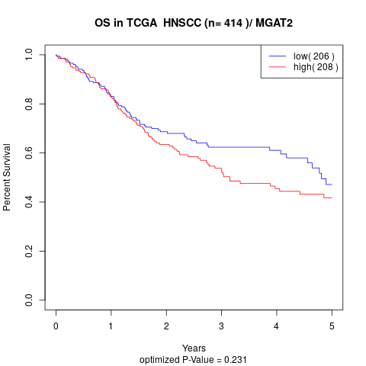

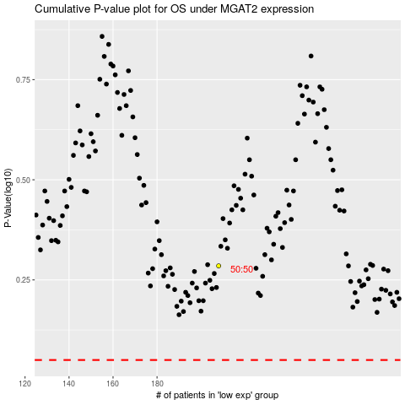

 |  |  |  |  |  | cases_OS | p_OS | rank | exp
 |  |  |  |  |  |  | cases_RFS | p_RFS | rank | exp

